AP1G2 _multivariate
Reported by Tex Li-Hsing Chi. tex@gate.sinica.edu.tw 2019-08-22

Table 2. The clinicopathological features of HNSCC cohort and AP1G2 expression. (Chi square test)
Cutoff at -0.077 (49.8%)
 |  | AP1G2 expression |  | AP1G2 expression |  | (Optimised)
 | Features | Low | (%) | High | (%) | Case no | P-value | Remark | Matthews
Gender | Female | 156 | 37.6 | 150 | 36.1 | 415 | 0.5222 | 0 | 0
2 | Male | 51 | 12.3 | 58 | 14
Age at diagnosis | <=65y | 142 | 34.2 | 132 | 31.8 | 415 | 0.3167 | 0 | 0
4 | >65y | 65 | 15.7 | 76 | 18.3
Clinical T Status | T1+T2 | 79 | 19 | 70 | 16.9 | 415 | 0.3924 | 0 | 0
6 | T3+T4 | 128 | 30.8 | 138 | 33.3
Clinical N Status | N0 | 97 | 23.4 | 119 | 28.7 | 415 | 0.0442 | 1 | 0
8 | N1-3 | 110 | 26.5 | 89 | 21.4
Clinical M Status | M0 | 205 | 49.4 | 207 | 49.9 | 415 | 0.6232 | 0 | 0
10 | M1 | 2 | 0.5 | 1 | 0.2
Clinical Stage | Stage I+II | 49 | 11.8 | 53 | 12.8 | 415 | 0.7535 | 0 | 0
12 | Stage III+IV | 158 | 38.1 | 155 | 37.3
Surgical Margin status | Negative | 162 | 39 | 156 | 37.6 | 415 | 0.4867 | 0 | 0
14 | Positive | 45 | 10.8 | 52 | 12.5
Tobacco Exposure | Low | 74 | 17.8 | 87 | 21 | 415 | 0.227 | 0 | 0
16 | High | 133 | 32 | 121 | 29.2

Table 3. Univariate/Multivariate Cox's proportional hazards regression analyses on OS time of AP1G2 gene expression in HNSCC

 |  | Univariate |  |  |  | Multivariate
 | Features | HR | CI95%(L) | CI95%(H) | P-value | HR | CI95%(L) | CI95%(H) | P-value
1 | Female | 1 |  |  |  | 1
Gender | Male | 1.157 | 0.843 | 1.587 | 0.367 | 1.2 | 0.858 | 1.677 | 0.286
11 | <=65y | 1 |  |  |  | 1
Age at diagnosis | >65y | 1.329 | 0.99 | 1.784 | 0.058 | 1.39 | 1.023 | 1.89 | 0.036
12 | T1+T2 | 1 |  |  |  | 1
Clinical T Status | T3+T4 | 1.409 | 1.028 | 1.931 | 0.033 | 2.192 | 1.158 | 4.149 | 0.016
13 | N0 | 1 |  |  |  | 1
Clinical N Status | N1-3 | 1.185 | 0.89 | 1.577 | 0.246 | 1.246 | 0.872 | 1.779 | 0.227
14 | M0 | 1 |  |  |  | 1
Clinical M Status | M1 | 4.097 | 1.009 | 16.644 | 0.049 | 9.455 | 2.062 | 43.366 | 0.004
15 | Stage I+II | 1 |  |  |  | 1
Clinical Stage | Stage III+IV | 1.245 | 0.882 | 1.759 | 0.213 | 0.505 | 0.235 | 1.085 | 0.08
16 | Negative | 1 |  |  |  | 1
Surgical Margin status | Positive | 1.591 | 1.155 | 2.191 | 0.004 | 1.666 | 1.204 | 2.304 | 0.002
17 | Low | 1 |  |  |  | 1
Tobacco Exposure | High | 1.364 | 1.008 | 1.844 | 0.044 | 1.455 | 1.056 | 2.005 | 0.022
18 | Low | 1 |  |  |  | 1
RNAseq(z-score) | High | 1.094 | 0.821 | 1.458 | 0.538 | 1.039 | 0.777 | 1.391 | 0.795

Table 4. Univariate/Multivariate Cox's proportional hazards regression analyses on RFS time of AP1G2 gene expression in HNSCC

 |  | Univariate |  |  |  | Multivariate
 | Features | HR | CI95%(L) | CI95%(H) | P-value | HR | CI95%(L) | CI95%(H) | P-value
1 | Female | 1 |  |  |  | 1
Gender | Male | 1.157 | 0.843 | 1.587 | 0.367 | 1.2 | 0.858 | 1.677 | 0.286
11 | <=65y | 1 |  |  |  | 1
Age at diagnosis | >65y | 1.329 | 0.99 | 1.784 | 0.058 | 1.39 | 1.023 | 1.89 | 0.036
12 | T1+T2 | 1 |  |  |  | 1
Clinical T Status | T3+T4 | 1.409 | 1.028 | 1.931 | 0.033 | 2.192 | 1.158 | 4.149 | 0.016
13 | N0 | 1 |  |  |  | 1
Clinical N Status | N1-3 | 1.185 | 0.89 | 1.577 | 0.246 | 1.246 | 0.872 | 1.779 | 0.227
14 | M0 | 1 |  |  |  | 1
Clinical M Status | M1 | 4.097 | 1.009 | 16.644 | 0.049 | 9.455 | 2.062 | 43.366 | 0.004
15 | Stage I+II | 1 |  |  |  | 1
Clinical Stage | Stage III+IV | 1.245 | 0.882 | 1.759 | 0.213 | 0.505 | 0.235 | 1.085 | 0.08
16 | Negative | 1 |  |  |  | 1
Surgical Margin status | Positive | 1.591 | 1.155 | 2.191 | 0.004 | 1.666 | 1.204 | 2.304 | 0.002
17 | Low | 1 |  |  |  | 1
Tobacco Exposure | High | 1.364 | 1.008 | 1.844 | 0.044 | 1.455 | 1.056 | 2.005 | 0.022
18 | Low | 1 |  |  |  | 1
RNAseq(z-score) | High | 1.094 | 0.821 | 1.458 | 0.538 | 1.039 | 0.777 | 1.391 | 0.795

Kaplan-Meier survival estimate: Cutoff at -0.077 (49.8%)



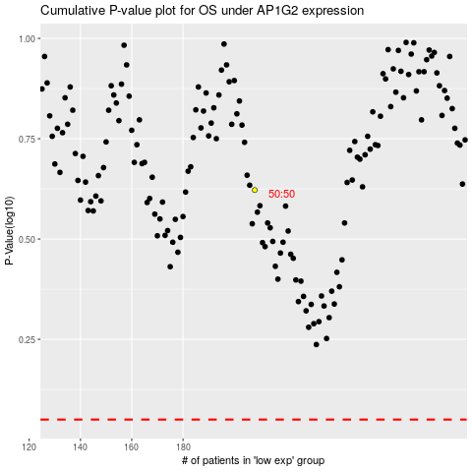

 |  |  |  |  |  | cases_OS | p_OS | rank | exp
 |  |  |  |  |  |  | cases_RFS | p_RFS | rank | exp

