AP1M1 _multivariate
Reported by Tex Li-Hsing Chi. tex@gate.sinica.edu.tw 2019-08-22

Table 2. The clinicopathological features of HNSCC cohort and AP1M1 expression. (Chi square test)
Cutoff at -0.056 (49.8%)
 |  | AP1M1 expression |  | AP1M1 expression |  | (Optimised)
 | Features | Low | (%) | High | (%) | Case no | P-value | Remark | Matthews
Gender | Female | 153 | 36.9 | 153 | 36.9 | 415 | 1 | 0 | 0
2 | Male | 54 | 13 | 55 | 13.3
Age at diagnosis | <=65y | 133 | 32 | 141 | 34 | 415 | 0.5111 | 0 | 0
4 | >65y | 74 | 17.8 | 67 | 16.1
Clinical T Status | T1+T2 | 64 | 15.4 | 85 | 20.5 | 415 | 0.0445 | 1 | 0
6 | T3+T4 | 143 | 34.5 | 123 | 29.6
Clinical N Status | N0 | 105 | 25.3 | 111 | 26.7 | 415 | 0.6598 | 0 | 0
8 | N1-3 | 102 | 24.6 | 97 | 23.4
Clinical M Status | M0 | 205 | 49.4 | 207 | 49.9 | 415 | 0.6232 | 0 | 0
10 | M1 | 2 | 0.5 | 1 | 0.2
Clinical Stage | Stage I+II | 37 | 8.9 | 65 | 15.7 | 415 | 0.0023 | 1 | 0
12 | Stage III+IV | 170 | 41 | 143 | 34.5
Surgical Margin status | Negative | 157 | 37.8 | 161 | 38.8 | 415 | 0.729 | 0 | 0
14 | Positive | 50 | 12 | 47 | 11.3
Tobacco Exposure | Low | 78 | 18.8 | 83 | 20 | 415 | 0.6873 | 0 | 0
16 | High | 129 | 31.1 | 125 | 30.1

Table 3. Univariate/Multivariate Cox's proportional hazards regression analyses on OS time of AP1M1 gene expression in HNSCC

 |  | Univariate |  |  |  | Multivariate
 | Features | HR | CI95%(L) | CI95%(H) | P-value | HR | CI95%(L) | CI95%(H) | P-value
1 | Female | 1 |  |  |  | 1
Gender | Male | 1.157 | 0.843 | 1.587 | 0.367 | 1.211 | 0.866 | 1.692 | 0.262
11 | <=65y | 1 |  |  |  | 1
Age at diagnosis | >65y | 1.329 | 0.99 | 1.784 | 0.058 | 1.384 | 1.018 | 1.882 | 0.038
12 | T1+T2 | 1 |  |  |  | 1
Clinical T Status | T3+T4 | 1.409 | 1.028 | 1.931 | 0.033 | 2.239 | 1.182 | 4.242 | 0.013
13 | N0 | 1 |  |  |  | 1
Clinical N Status | N1-3 | 1.185 | 0.89 | 1.577 | 0.246 | 1.261 | 0.882 | 1.802 | 0.204
14 | M0 | 1 |  |  |  | 1
Clinical M Status | M1 | 4.097 | 1.009 | 16.644 | 0.049 | 9.425 | 2.056 | 43.212 | 0.004
15 | Stage I+II | 1 |  |  |  | 1
Clinical Stage | Stage III+IV | 1.245 | 0.882 | 1.759 | 0.213 | 0.479 | 0.221 | 1.039 | 0.062
16 | Negative | 1 |  |  |  | 1
Surgical Margin status | Positive | 1.591 | 1.155 | 2.191 | 0.004 | 1.679 | 1.214 | 2.321 | 0.002
17 | Low | 1 |  |  |  | 1
Tobacco Exposure | High | 1.364 | 1.008 | 1.844 | 0.044 | 1.455 | 1.056 | 2.006 | 0.022
18 | Low | 1 |  |  |  | 1
RNAseq(z-score) | High | 0.887 | 0.666 | 1.182 | 0.413 | 0.886 | 0.659 | 1.191 | 0.422

Table 4. Univariate/Multivariate Cox's proportional hazards regression analyses on RFS time of AP1M1 gene expression in HNSCC

 |  | Univariate |  |  |  | Multivariate
 | Features | HR | CI95%(L) | CI95%(H) | P-value | HR | CI95%(L) | CI95%(H) | P-value
1 | Female | 1 |  |  |  | 1
Gender | Male | 1.157 | 0.843 | 1.587 | 0.367 | 1.211 | 0.866 | 1.692 | 0.262
11 | <=65y | 1 |  |  |  | 1
Age at diagnosis | >65y | 1.329 | 0.99 | 1.784 | 0.058 | 1.384 | 1.018 | 1.882 | 0.038
12 | T1+T2 | 1 |  |  |  | 1
Clinical T Status | T3+T4 | 1.409 | 1.028 | 1.931 | 0.033 | 2.239 | 1.182 | 4.242 | 0.013
13 | N0 | 1 |  |  |  | 1
Clinical N Status | N1-3 | 1.185 | 0.89 | 1.577 | 0.246 | 1.261 | 0.882 | 1.802 | 0.204
14 | M0 | 1 |  |  |  | 1
Clinical M Status | M1 | 4.097 | 1.009 | 16.644 | 0.049 | 9.425 | 2.056 | 43.212 | 0.004
15 | Stage I+II | 1 |  |  |  | 1
Clinical Stage | Stage III+IV | 1.245 | 0.882 | 1.759 | 0.213 | 0.479 | 0.221 | 1.039 | 0.062
16 | Negative | 1 |  |  |  | 1
Surgical Margin status | Positive | 1.591 | 1.155 | 2.191 | 0.004 | 1.679 | 1.214 | 2.321 | 0.002
17 | Low | 1 |  |  |  | 1
Tobacco Exposure | High | 1.364 | 1.008 | 1.844 | 0.044 | 1.455 | 1.056 | 2.006 | 0.022
18 | Low | 1 |  |  |  | 1
RNAseq(z-score) | High | 0.887 | 0.666 | 1.182 | 0.413 | 0.886 | 0.659 | 1.191 | 0.422

Kaplan-Meier survival estimate: Cutoff at -0.056 (49.8%)



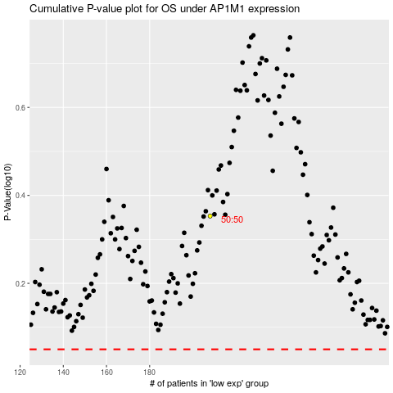

 |  |  |  |  |  | cases_OS | p_OS | rank | exp
 |  |  |  |  |  |  | cases_RFS | p_RFS | rank | exp

