AP1S1 _multivariate
Reported by Tex Li-Hsing Chi. tex@gate.sinica.edu.tw 2019-08-22

Table 2. The clinicopathological features of HNSCC cohort and AP1S1 expression. (Chi square test)
Cutoff at -0.216 (50.0%)
 |  | AP1S1 expression |  | AP1S1 expression |  | (Optimised)
 | Features | Low | (%) | High | (%) | Case no | P-value | Remark | Matthews
Gender | Female | 159 | 38.3 | 147 | 35.4 | 415 | 0.1905 | 0 | 0
2 | Male | 48 | 11.6 | 61 | 14.7
Age at diagnosis | <=65y | 145 | 34.9 | 129 | 31.1 | 415 | 0.1046 | 0 | 0
4 | >65y | 62 | 14.9 | 79 | 19
Clinical T Status | T1+T2 | 78 | 18.8 | 71 | 17.1 | 415 | 0.5152 | 0 | 0
6 | T3+T4 | 129 | 31.1 | 137 | 33
Clinical N Status | N0 | 100 | 24.1 | 116 | 28 | 415 | 0.1548 | 0 | 0
8 | N1-3 | 107 | 25.8 | 92 | 22.2
Clinical M Status | M0 | 207 | 49.9 | 205 | 49.4 | 415 | 0.2482 | 0 | 0
10 | M1 | 0 | 0 | 3 | 0.7
Clinical Stage | Stage I+II | 46 | 11.1 | 56 | 13.5 | 415 | 0.3182 | 0 | 0
12 | Stage III+IV | 161 | 38.8 | 152 | 36.6
Surgical Margin status | Negative | 162 | 39 | 156 | 37.6 | 415 | 0.4867 | 0 | 0
14 | Positive | 45 | 10.8 | 52 | 12.5
Tobacco Exposure | Low | 74 | 17.8 | 87 | 21 | 415 | 0.227 | 0 | 0
16 | High | 133 | 32 | 121 | 29.2

Table 3. Univariate/Multivariate Cox's proportional hazards regression analyses on OS time of AP1S1 gene expression in HNSCC

 |  | Univariate |  |  |  | Multivariate
 | Features | HR | CI95%(L) | CI95%(H) | P-value | HR | CI95%(L) | CI95%(H) | P-value
1 | Female | 1 |  |  |  | 1
Gender | Male | 1.157 | 0.843 | 1.587 | 0.367 | 1.18 | 0.843 | 1.652 | 0.336
11 | <=65y | 1 |  |  |  | 1
Age at diagnosis | >65y | 1.329 | 0.99 | 1.784 | 0.058 | 1.386 | 1.02 | 1.884 | 0.037
12 | T1+T2 | 1 |  |  |  | 1
Clinical T Status | T3+T4 | 1.409 | 1.028 | 1.931 | 0.033 | 2.143 | 1.131 | 4.062 | 0.019
13 | N0 | 1 |  |  |  | 1
Clinical N Status | N1-3 | 1.185 | 0.89 | 1.577 | 0.246 | 1.249 | 0.875 | 1.781 | 0.22
14 | M0 | 1 |  |  |  | 1
Clinical M Status | M1 | 4.097 | 1.009 | 16.644 | 0.049 | 8.483 | 1.822 | 39.501 | 0.006
15 | Stage I+II | 1 |  |  |  | 1
Clinical Stage | Stage III+IV | 1.245 | 0.882 | 1.759 | 0.213 | 0.522 | 0.243 | 1.124 | 0.097
16 | Negative | 1 |  |  |  | 1
Surgical Margin status | Positive | 1.591 | 1.155 | 2.191 | 0.004 | 1.653 | 1.196 | 2.286 | 0.002
17 | Low | 1 |  |  |  | 1
Tobacco Exposure | High | 1.364 | 1.008 | 1.844 | 0.044 | 1.446 | 1.049 | 1.993 | 0.024
18 | Low | 1 |  |  |  | 1
RNAseq(z-score) | High | 1.246 | 0.936 | 1.66 | 0.132 | 1.145 | 0.854 | 1.537 | 0.366

Table 4. Univariate/Multivariate Cox's proportional hazards regression analyses on RFS time of AP1S1 gene expression in HNSCC

 |  | Univariate |  |  |  | Multivariate
 | Features | HR | CI95%(L) | CI95%(H) | P-value | HR | CI95%(L) | CI95%(H) | P-value
1 | Female | 1 |  |  |  | 1
Gender | Male | 1.157 | 0.843 | 1.587 | 0.367 | 1.18 | 0.843 | 1.652 | 0.336
11 | <=65y | 1 |  |  |  | 1
Age at diagnosis | >65y | 1.329 | 0.99 | 1.784 | 0.058 | 1.386 | 1.02 | 1.884 | 0.037
12 | T1+T2 | 1 |  |  |  | 1
Clinical T Status | T3+T4 | 1.409 | 1.028 | 1.931 | 0.033 | 2.143 | 1.131 | 4.062 | 0.019
13 | N0 | 1 |  |  |  | 1
Clinical N Status | N1-3 | 1.185 | 0.89 | 1.577 | 0.246 | 1.249 | 0.875 | 1.781 | 0.22
14 | M0 | 1 |  |  |  | 1
Clinical M Status | M1 | 4.097 | 1.009 | 16.644 | 0.049 | 8.483 | 1.822 | 39.501 | 0.006
15 | Stage I+II | 1 |  |  |  | 1
Clinical Stage | Stage III+IV | 1.245 | 0.882 | 1.759 | 0.213 | 0.522 | 0.243 | 1.124 | 0.097
16 | Negative | 1 |  |  |  | 1
Surgical Margin status | Positive | 1.591 | 1.155 | 2.191 | 0.004 | 1.653 | 1.196 | 2.286 | 0.002
17 | Low | 1 |  |  |  | 1
Tobacco Exposure | High | 1.364 | 1.008 | 1.844 | 0.044 | 1.446 | 1.049 | 1.993 | 0.024
18 | Low | 1 |  |  |  | 1
RNAseq(z-score) | High | 1.246 | 0.936 | 1.66 | 0.132 | 1.145 | 0.854 | 1.537 | 0.366

Kaplan-Meier survival estimate: Cutoff at -0.216 (50.0%)



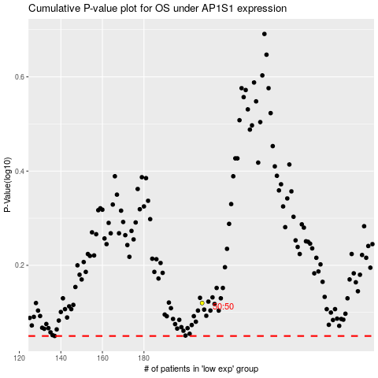

 |  |  |  |  |  | cases_OS | p_OS | rank | exp
 |  |  |  |  |  |  | cases_RFS | p_RFS | rank | exp

