AP2A1 _multivariate
Reported by Tex Li-Hsing Chi. tex@gate.sinica.edu.tw 2019-08-22

Table 2. The clinicopathological features of HNSCC cohort and AP2A1 expression. (Chi square test)
Cutoff at 0.007 (50.0%)
 |  | AP2A1 expression |  | AP2A1 expression |  | (Optimised)
 | Features | Low | (%) | High | (%) | Case no | P-value | Remark | Matthews
Gender | Female | 150 | 36.1 | 156 | 37.6 | 415 | 0.6344 | 0 | 0
2 | Male | 57 | 13.7 | 52 | 12.5
Age at diagnosis | <=65y | 135 | 32.5 | 139 | 33.5 | 415 | 0.8084 | 0 | 0
4 | >65y | 72 | 17.3 | 69 | 16.6
Clinical T Status | T1+T2 | 74 | 17.8 | 75 | 18.1 | 415 | 1 | 0 | 0
6 | T3+T4 | 133 | 32 | 133 | 32
Clinical N Status | N0 | 111 | 26.7 | 105 | 25.3 | 415 | 0.5875 | 0 | 0
8 | N1-3 | 96 | 23.1 | 103 | 24.8
Clinical M Status | M0 | 205 | 49.4 | 207 | 49.9 | 415 | 0.6232 | 0 | 0
10 | M1 | 2 | 0.5 | 1 | 0.2
Clinical Stage | Stage I+II | 47 | 11.3 | 55 | 13.3 | 415 | 0.4413 | 0 | 0
12 | Stage III+IV | 160 | 38.6 | 153 | 36.9
Surgical Margin status | Negative | 153 | 36.9 | 165 | 39.8 | 415 | 0.2036 | 0 | 0
14 | Positive | 54 | 13 | 43 | 10.4
Tobacco Exposure | Low | 74 | 17.8 | 87 | 21 | 415 | 0.227 | 0 | 0
16 | High | 133 | 32 | 121 | 29.2

Table 3. Univariate/Multivariate Cox's proportional hazards regression analyses on OS time of AP2A1 gene expression in HNSCC

 |  | Univariate |  |  |  | Multivariate
 | Features | HR | CI95%(L) | CI95%(H) | P-value | HR | CI95%(L) | CI95%(H) | P-value
1 | Female | 1 |  |  |  | 1
Gender | Male | 1.157 | 0.843 | 1.587 | 0.367 | 1.222 | 0.873 | 1.709 | 0.242
11 | <=65y | 1 |  |  |  | 1
Age at diagnosis | >65y | 1.329 | 0.99 | 1.784 | 0.058 | 1.41 | 1.035 | 1.922 | 0.029
12 | T1+T2 | 1 |  |  |  | 1
Clinical T Status | T3+T4 | 1.409 | 1.028 | 1.931 | 0.033 | 2.166 | 1.145 | 4.099 | 0.018
13 | N0 | 1 |  |  |  | 1
Clinical N Status | N1-3 | 1.185 | 0.89 | 1.577 | 0.246 | 1.216 | 0.851 | 1.739 | 0.283
14 | M0 | 1 |  |  |  | 1
Clinical M Status | M1 | 4.097 | 1.009 | 16.644 | 0.049 | 9.579 | 2.089 | 43.93 | 0.004
15 | Stage I+II | 1 |  |  |  | 1
Clinical Stage | Stage III+IV | 1.245 | 0.882 | 1.759 | 0.213 | 0.518 | 0.241 | 1.114 | 0.092
16 | Negative | 1 |  |  |  | 1
Surgical Margin status | Positive | 1.591 | 1.155 | 2.191 | 0.004 | 1.694 | 1.225 | 2.343 | 0.001
17 | Low | 1 |  |  |  | 1
Tobacco Exposure | High | 1.364 | 1.008 | 1.844 | 0.044 | 1.469 | 1.065 | 2.028 | 0.019
18 | Low | 1 |  |  |  | 1
RNAseq(z-score) | High | 1.116 | 0.837 | 1.486 | 0.455 | 1.17 | 0.874 | 1.567 | 0.292

Table 4. Univariate/Multivariate Cox's proportional hazards regression analyses on RFS time of AP2A1 gene expression in HNSCC

 |  | Univariate |  |  |  | Multivariate
 | Features | HR | CI95%(L) | CI95%(H) | P-value | HR | CI95%(L) | CI95%(H) | P-value
1 | Female | 1 |  |  |  | 1
Gender | Male | 1.157 | 0.843 | 1.587 | 0.367 | 1.222 | 0.873 | 1.709 | 0.242
11 | <=65y | 1 |  |  |  | 1
Age at diagnosis | >65y | 1.329 | 0.99 | 1.784 | 0.058 | 1.41 | 1.035 | 1.922 | 0.029
12 | T1+T2 | 1 |  |  |  | 1
Clinical T Status | T3+T4 | 1.409 | 1.028 | 1.931 | 0.033 | 2.166 | 1.145 | 4.099 | 0.018
13 | N0 | 1 |  |  |  | 1
Clinical N Status | N1-3 | 1.185 | 0.89 | 1.577 | 0.246 | 1.216 | 0.851 | 1.739 | 0.283
14 | M0 | 1 |  |  |  | 1
Clinical M Status | M1 | 4.097 | 1.009 | 16.644 | 0.049 | 9.579 | 2.089 | 43.93 | 0.004
15 | Stage I+II | 1 |  |  |  | 1
Clinical Stage | Stage III+IV | 1.245 | 0.882 | 1.759 | 0.213 | 0.518 | 0.241 | 1.114 | 0.092
16 | Negative | 1 |  |  |  | 1
Surgical Margin status | Positive | 1.591 | 1.155 | 2.191 | 0.004 | 1.694 | 1.225 | 2.343 | 0.001
17 | Low | 1 |  |  |  | 1
Tobacco Exposure | High | 1.364 | 1.008 | 1.844 | 0.044 | 1.469 | 1.065 | 2.028 | 0.019
18 | Low | 1 |  |  |  | 1
RNAseq(z-score) | High | 1.116 | 0.837 | 1.486 | 0.455 | 1.17 | 0.874 | 1.567 | 0.292

Kaplan-Meier survival estimate: Cutoff at 0.007 (50.0%)

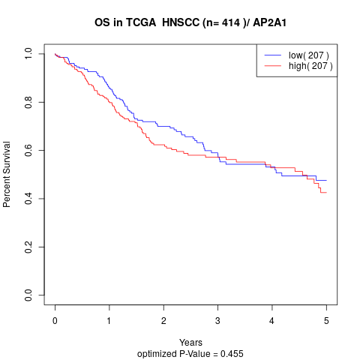

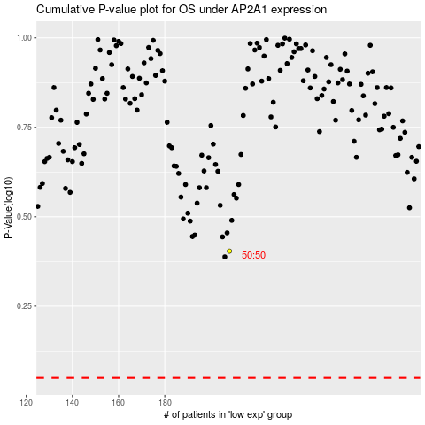

 |  |  |  |  |  | cases_OS | p_OS | rank | exp
 |  |  |  |  |  |  | cases_RFS | p_RFS | rank | exp

