AP2S1 _multivariate
Reported by Tex Li-Hsing Chi. tex@gate.sinica.edu.tw 2019-08-22

Table 2. The clinicopathological features of HNSCC cohort and AP2S1 expression. (Chi square test)
Cutoff at -0.231 (50.0%)
 |  | AP2S1 expression |  | AP2S1 expression |  | (Optimised)
 | Features | Low | (%) | High | (%) | Case no | P-value | Remark | Matthews
Gender | Female | 154 | 37.1 | 152 | 36.6 | 415 | 0.8463 | 0 | 0
2 | Male | 53 | 12.8 | 56 | 13.5
Age at diagnosis | <=65y | 148 | 35.7 | 126 | 30.4 | 415 | 0.0248 | 1 | 0
4 | >65y | 59 | 14.2 | 82 | 19.8
Clinical T Status | T1+T2 | 79 | 19 | 70 | 16.9 | 415 | 0.3924 | 0 | 0
6 | T3+T4 | 128 | 30.8 | 138 | 33.3
Clinical N Status | N0 | 103 | 24.8 | 113 | 27.2 | 415 | 0.4047 | 0 | 0
8 | N1-3 | 104 | 25.1 | 95 | 22.9
Clinical M Status | M0 | 206 | 49.6 | 206 | 49.6 | 415 | 1 | 0 | 0
10 | M1 | 1 | 0.2 | 2 | 0.5
Clinical Stage | Stage I+II | 51 | 12.3 | 51 | 12.3 | 415 | 1 | 0 | 0
12 | Stage III+IV | 156 | 37.6 | 157 | 37.8
Surgical Margin status | Negative | 161 | 38.8 | 157 | 37.8 | 415 | 0.6429 | 0 | 0
14 | Positive | 46 | 11.1 | 51 | 12.3
Tobacco Exposure | Low | 70 | 16.9 | 91 | 21.9 | 415 | 0.0439 | 1 | 0
16 | High | 137 | 33 | 117 | 28.2

Table 3. Univariate/Multivariate Cox's proportional hazards regression analyses on OS time of AP2S1 gene expression in HNSCC

 |  | Univariate |  |  |  | Multivariate
 | Features | HR | CI95%(L) | CI95%(H) | P-value | HR | CI95%(L) | CI95%(H) | P-value
1 | Female | 1 |  |  |  | 1
Gender | Male | 1.157 | 0.843 | 1.587 | 0.367 | 1.201 | 0.859 | 1.678 | 0.284
11 | <=65y | 1 |  |  |  | 1
Age at diagnosis | >65y | 1.329 | 0.99 | 1.784 | 0.058 | 1.391 | 1.022 | 1.892 | 0.036
12 | T1+T2 | 1 |  |  |  | 1
Clinical T Status | T3+T4 | 1.409 | 1.028 | 1.931 | 0.033 | 2.199 | 1.162 | 4.162 | 0.015
13 | N0 | 1 |  |  |  | 1
Clinical N Status | N1-3 | 1.185 | 0.89 | 1.577 | 0.246 | 1.24 | 0.869 | 1.77 | 0.235
14 | M0 | 1 |  |  |  | 1
Clinical M Status | M1 | 4.097 | 1.009 | 16.644 | 0.049 | 9.36 | 2.031 | 43.133 | 0.004
15 | Stage I+II | 1 |  |  |  | 1
Clinical Stage | Stage III+IV | 1.245 | 0.882 | 1.759 | 0.213 | 0.506 | 0.235 | 1.087 | 0.081
16 | Negative | 1 |  |  |  | 1
Surgical Margin status | Positive | 1.591 | 1.155 | 2.191 | 0.004 | 1.671 | 1.209 | 2.309 | 0.002
17 | Low | 1 |  |  |  | 1
Tobacco Exposure | High | 1.364 | 1.008 | 1.844 | 0.044 | 1.454 | 1.055 | 2.003 | 0.022
18 | Low | 1 |  |  |  | 1
RNAseq(z-score) | High | 1.07 | 0.803 | 1.425 | 0.646 | 1.011 | 0.756 | 1.353 | 0.939

Table 4. Univariate/Multivariate Cox's proportional hazards regression analyses on RFS time of AP2S1 gene expression in HNSCC

 |  | Univariate |  |  |  | Multivariate
 | Features | HR | CI95%(L) | CI95%(H) | P-value | HR | CI95%(L) | CI95%(H) | P-value
1 | Female | 1 |  |  |  | 1
Gender | Male | 1.157 | 0.843 | 1.587 | 0.367 | 1.201 | 0.859 | 1.678 | 0.284
11 | <=65y | 1 |  |  |  | 1
Age at diagnosis | >65y | 1.329 | 0.99 | 1.784 | 0.058 | 1.391 | 1.022 | 1.892 | 0.036
12 | T1+T2 | 1 |  |  |  | 1
Clinical T Status | T3+T4 | 1.409 | 1.028 | 1.931 | 0.033 | 2.199 | 1.162 | 4.162 | 0.015
13 | N0 | 1 |  |  |  | 1
Clinical N Status | N1-3 | 1.185 | 0.89 | 1.577 | 0.246 | 1.24 | 0.869 | 1.77 | 0.235
14 | M0 | 1 |  |  |  | 1
Clinical M Status | M1 | 4.097 | 1.009 | 16.644 | 0.049 | 9.36 | 2.031 | 43.133 | 0.004
15 | Stage I+II | 1 |  |  |  | 1
Clinical Stage | Stage III+IV | 1.245 | 0.882 | 1.759 | 0.213 | 0.506 | 0.235 | 1.087 | 0.081
16 | Negative | 1 |  |  |  | 1
Surgical Margin status | Positive | 1.591 | 1.155 | 2.191 | 0.004 | 1.671 | 1.209 | 2.309 | 0.002
17 | Low | 1 |  |  |  | 1
Tobacco Exposure | High | 1.364 | 1.008 | 1.844 | 0.044 | 1.454 | 1.055 | 2.003 | 0.022
18 | Low | 1 |  |  |  | 1
RNAseq(z-score) | High | 1.07 | 0.803 | 1.425 | 0.646 | 1.011 | 0.756 | 1.353 | 0.939

Kaplan-Meier survival estimate: Cutoff at -0.231 (50.0%)

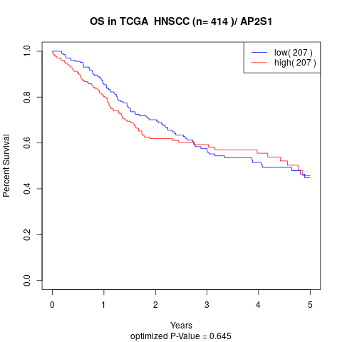

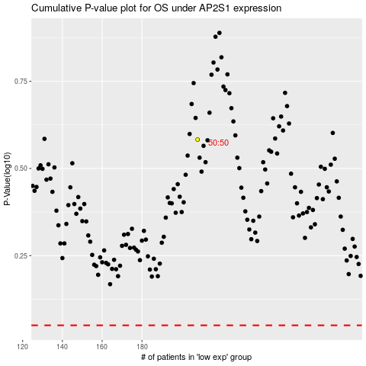

 |  |  |  |  |  | cases_OS | p_OS | rank | exp
 |  |  |  |  |  |  | cases_RFS | p_RFS | rank | exp

