AP3B1 _multivariate
Reported by Tex Li-Hsing Chi. tex@gate.sinica.edu.tw 2019-08-22

Table 2. The clinicopathological features of HNSCC cohort and AP3B1 expression. (Chi square test)
Cutoff at -0.148 (50.0%)
 |  | AP3B1 expression |  | AP3B1 expression |  | (Optimised)
 | Features | Low | (%) | High | (%) | Case no | P-value | Remark | Matthews
Gender | Female | 159 | 38.3 | 147 | 35.4 | 415 | 0.1905 | 0 | 0
2 | Male | 48 | 11.6 | 61 | 14.7
Age at diagnosis | <=65y | 144 | 34.7 | 130 | 31.3 | 415 | 0.1568 | 0 | 0
4 | >65y | 63 | 15.2 | 78 | 18.8
Clinical T Status | T1+T2 | 60 | 14.5 | 89 | 21.4 | 415 | 0.0047 | 1 | 0
6 | T3+T4 | 147 | 35.4 | 119 | 28.7
Clinical N Status | N0 | 104 | 25.1 | 112 | 27 | 415 | 0.5243 | 0 | 0
8 | N1-3 | 103 | 24.8 | 96 | 23.1
Clinical M Status | M0 | 206 | 49.6 | 206 | 49.6 | 415 | 1 | 0 | 0
10 | M1 | 1 | 0.2 | 2 | 0.5
Clinical Stage | Stage I+II | 42 | 10.1 | 60 | 14.5 | 415 | 0.0561 | 0 | 0
12 | Stage III+IV | 165 | 39.8 | 148 | 35.7
Surgical Margin status | Negative | 154 | 37.1 | 164 | 39.5 | 415 | 0.2984 | 0 | 0
14 | Positive | 53 | 12.8 | 44 | 10.6
Tobacco Exposure | Low | 71 | 17.1 | 90 | 21.7 | 415 | 0.0698 | 0 | 0
16 | High | 136 | 32.8 | 118 | 28.4

Table 3. Univariate/Multivariate Cox's proportional hazards regression analyses on OS time of AP3B1 gene expression in HNSCC

 |  | Univariate |  |  |  | Multivariate
 | Features | HR | CI95%(L) | CI95%(H) | P-value | HR | CI95%(L) | CI95%(H) | P-value
1 | Female | 1 |  |  |  | 1
Gender | Male | 1.157 | 0.843 | 1.587 | 0.367 | 1.204 | 0.863 | 1.679 | 0.274
11 | <=65y | 1 |  |  |  | 1
Age at diagnosis | >65y | 1.329 | 0.99 | 1.784 | 0.058 | 1.375 | 1.011 | 1.872 | 0.043
12 | T1+T2 | 1 |  |  |  | 1
Clinical T Status | T3+T4 | 1.409 | 1.028 | 1.931 | 0.033 | 2.425 | 1.274 | 4.616 | 0.007
13 | N0 | 1 |  |  |  | 1
Clinical N Status | N1-3 | 1.185 | 0.89 | 1.577 | 0.246 | 1.244 | 0.872 | 1.774 | 0.229
14 | M0 | 1 |  |  |  | 1
Clinical M Status | M1 | 4.097 | 1.009 | 16.644 | 0.049 | 9.859 | 2.148 | 45.248 | 0.003
15 | Stage I+II | 1 |  |  |  | 1
Clinical Stage | Stage III+IV | 1.245 | 0.882 | 1.759 | 0.213 | 0.487 | 0.227 | 1.045 | 0.065
16 | Negative | 1 |  |  |  | 1
Surgical Margin status | Positive | 1.591 | 1.155 | 2.191 | 0.004 | 1.727 | 1.247 | 2.391 | 0.001
17 | Low | 1 |  |  |  | 1
Tobacco Exposure | High | 1.364 | 1.008 | 1.844 | 0.044 | 1.523 | 1.101 | 2.106 | 0.011
18 | Low | 1 |  |  |  | 1
RNAseq(z-score) | High | 1.153 | 0.865 | 1.537 | 0.332 | 1.36 | 1.007 | 1.837 | 0.045

Table 4. Univariate/Multivariate Cox's proportional hazards regression analyses on RFS time of AP3B1 gene expression in HNSCC

 |  | Univariate |  |  |  | Multivariate
 | Features | HR | CI95%(L) | CI95%(H) | P-value | HR | CI95%(L) | CI95%(H) | P-value
1 | Female | 1 |  |  |  | 1
Gender | Male | 1.157 | 0.843 | 1.587 | 0.367 | 1.204 | 0.863 | 1.679 | 0.274
11 | <=65y | 1 |  |  |  | 1
Age at diagnosis | >65y | 1.329 | 0.99 | 1.784 | 0.058 | 1.375 | 1.011 | 1.872 | 0.043
12 | T1+T2 | 1 |  |  |  | 1
Clinical T Status | T3+T4 | 1.409 | 1.028 | 1.931 | 0.033 | 2.425 | 1.274 | 4.616 | 0.007
13 | N0 | 1 |  |  |  | 1
Clinical N Status | N1-3 | 1.185 | 0.89 | 1.577 | 0.246 | 1.244 | 0.872 | 1.774 | 0.229
14 | M0 | 1 |  |  |  | 1
Clinical M Status | M1 | 4.097 | 1.009 | 16.644 | 0.049 | 9.859 | 2.148 | 45.248 | 0.003
15 | Stage I+II | 1 |  |  |  | 1
Clinical Stage | Stage III+IV | 1.245 | 0.882 | 1.759 | 0.213 | 0.487 | 0.227 | 1.045 | 0.065
16 | Negative | 1 |  |  |  | 1
Surgical Margin status | Positive | 1.591 | 1.155 | 2.191 | 0.004 | 1.727 | 1.247 | 2.391 | 0.001
17 | Low | 1 |  |  |  | 1
Tobacco Exposure | High | 1.364 | 1.008 | 1.844 | 0.044 | 1.523 | 1.101 | 2.106 | 0.011
18 | Low | 1 |  |  |  | 1
RNAseq(z-score) | High | 1.153 | 0.865 | 1.537 | 0.332 | 1.36 | 1.007 | 1.837 | 0.045

Kaplan-Meier survival estimate: Cutoff at -0.148 (50.0%)



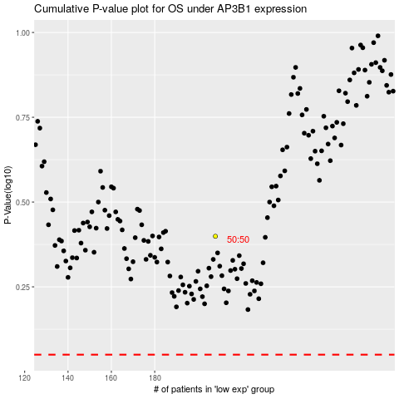

 |  |  |  |  |  | cases_OS | p_OS | rank | exp
 |  |  |  |  |  |  | cases_RFS | p_RFS | rank | exp

