AP3B2 _multivariate
Reported by Tex Li-Hsing Chi. tex@gate.sinica.edu.tw 2019-08-22

Table 2. The clinicopathological features of HNSCC cohort and AP3B2 expression. (Chi square test)
Cutoff at -0.274 (49.8%)
 |  | AP3B2 expression |  | AP3B2 expression |  | (Optimised)
 | Features | Low | (%) | High | (%) | Case no | P-value | Remark | Matthews
Gender | Female | 147 | 35.4 | 159 | 38.3 | 415 | 0.2523 | 0 | 0
2 | Male | 60 | 14.5 | 49 | 11.8
Age at diagnosis | <=65y | 133 | 32 | 141 | 34 | 415 | 0.5111 | 0 | 0
4 | >65y | 74 | 17.8 | 67 | 16.1
Clinical T Status | T1+T2 | 66 | 15.9 | 83 | 20 | 415 | 0.1095 | 0 | 0
6 | T3+T4 | 141 | 34 | 125 | 30.1
Clinical N Status | N0 | 102 | 24.6 | 114 | 27.5 | 415 | 0.3031 | 0 | 0
8 | N1-3 | 105 | 25.3 | 94 | 22.7
Clinical M Status | M0 | 206 | 49.6 | 206 | 49.6 | 415 | 1 | 0 | 0
10 | M1 | 1 | 0.2 | 2 | 0.5
Clinical Stage | Stage I+II | 49 | 11.8 | 53 | 12.8 | 415 | 0.7535 | 0 | 0
12 | Stage III+IV | 158 | 38.1 | 155 | 37.3
Surgical Margin status | Negative | 159 | 38.3 | 159 | 38.3 | 415 | 1 | 0 | 0
14 | Positive | 48 | 11.6 | 49 | 11.8
Tobacco Exposure | Low | 91 | 21.9 | 70 | 16.9 | 415 | 0.0346 | 1 | 0
16 | High | 116 | 28 | 138 | 33.3

Table 3. Univariate/Multivariate Cox's proportional hazards regression analyses on OS time of AP3B2 gene expression in HNSCC

 |  | Univariate |  |  |  | Multivariate
 | Features | HR | CI95%(L) | CI95%(H) | P-value | HR | CI95%(L) | CI95%(H) | P-value
1 | Female | 1 |  |  |  | 1
Gender | Male | 1.157 | 0.843 | 1.587 | 0.367 | 1.19 | 0.85 | 1.666 | 0.312
11 | <=65y | 1 |  |  |  | 1
Age at diagnosis | >65y | 1.329 | 0.99 | 1.784 | 0.058 | 1.395 | 1.026 | 1.897 | 0.034
12 | T1+T2 | 1 |  |  |  | 1
Clinical T Status | T3+T4 | 1.409 | 1.028 | 1.931 | 0.033 | 2.166 | 1.142 | 4.107 | 0.018
13 | N0 | 1 |  |  |  | 1
Clinical N Status | N1-3 | 1.185 | 0.89 | 1.577 | 0.246 | 1.238 | 0.868 | 1.767 | 0.239
14 | M0 | 1 |  |  |  | 1
Clinical M Status | M1 | 4.097 | 1.009 | 16.644 | 0.049 | 9.487 | 2.069 | 43.496 | 0.004
15 | Stage I+II | 1 |  |  |  | 1
Clinical Stage | Stage III+IV | 1.245 | 0.882 | 1.759 | 0.213 | 0.511 | 0.238 | 1.098 | 0.085
16 | Negative | 1 |  |  |  | 1
Surgical Margin status | Positive | 1.591 | 1.155 | 2.191 | 0.004 | 1.668 | 1.207 | 2.305 | 0.002
17 | Low | 1 |  |  |  | 1
Tobacco Exposure | High | 1.364 | 1.008 | 1.844 | 0.044 | 1.462 | 1.06 | 2.017 | 0.021
18 | Low | 1 |  |  |  | 1
RNAseq(z-score) | High | 0.9 | 0.676 | 1.199 | 0.471 | 0.924 | 0.69 | 1.237 | 0.595

Table 4. Univariate/Multivariate Cox's proportional hazards regression analyses on RFS time of AP3B2 gene expression in HNSCC

 |  | Univariate |  |  |  | Multivariate
 | Features | HR | CI95%(L) | CI95%(H) | P-value | HR | CI95%(L) | CI95%(H) | P-value
1 | Female | 1 |  |  |  | 1
Gender | Male | 1.157 | 0.843 | 1.587 | 0.367 | 1.19 | 0.85 | 1.666 | 0.312
11 | <=65y | 1 |  |  |  | 1
Age at diagnosis | >65y | 1.329 | 0.99 | 1.784 | 0.058 | 1.395 | 1.026 | 1.897 | 0.034
12 | T1+T2 | 1 |  |  |  | 1
Clinical T Status | T3+T4 | 1.409 | 1.028 | 1.931 | 0.033 | 2.166 | 1.142 | 4.107 | 0.018
13 | N0 | 1 |  |  |  | 1
Clinical N Status | N1-3 | 1.185 | 0.89 | 1.577 | 0.246 | 1.238 | 0.868 | 1.767 | 0.239
14 | M0 | 1 |  |  |  | 1
Clinical M Status | M1 | 4.097 | 1.009 | 16.644 | 0.049 | 9.487 | 2.069 | 43.496 | 0.004
15 | Stage I+II | 1 |  |  |  | 1
Clinical Stage | Stage III+IV | 1.245 | 0.882 | 1.759 | 0.213 | 0.511 | 0.238 | 1.098 | 0.085
16 | Negative | 1 |  |  |  | 1
Surgical Margin status | Positive | 1.591 | 1.155 | 2.191 | 0.004 | 1.668 | 1.207 | 2.305 | 0.002
17 | Low | 1 |  |  |  | 1
Tobacco Exposure | High | 1.364 | 1.008 | 1.844 | 0.044 | 1.462 | 1.06 | 2.017 | 0.021
18 | Low | 1 |  |  |  | 1
RNAseq(z-score) | High | 0.9 | 0.676 | 1.199 | 0.471 | 0.924 | 0.69 | 1.237 | 0.595

Kaplan-Meier survival estimate: Cutoff at -0.274 (49.8%)



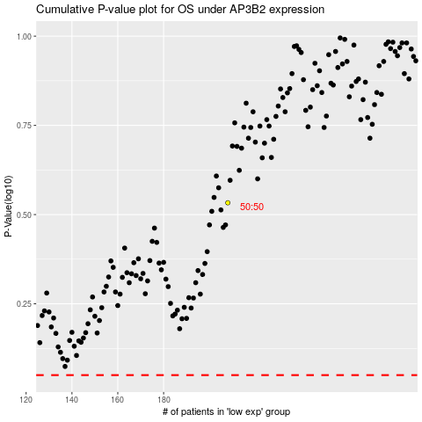

 |  |  |  |  |  | cases_OS | p_OS | rank | exp
 |  |  |  |  |  |  | cases_RFS | p_RFS | rank | exp

