AP3D1 _multivariate
Reported by Tex Li-Hsing Chi. tex@gate.sinica.edu.tw 2019-08-22

Table 2. The clinicopathological features of HNSCC cohort and AP3D1 expression. (Chi square test)
Cutoff at -0.052 (49.8%)
 |  | AP3D1 expression |  | AP3D1 expression |  | (Optimised)
 | Features | Low | (%) | High | (%) | Case no | P-value | Remark | Matthews
Gender | Female | 152 | 36.6 | 154 | 37.1 | 415 | 0.9766 | 0 | 0
2 | Male | 55 | 13.3 | 54 | 13
Age at diagnosis | <=65y | 143 | 34.5 | 131 | 31.6 | 415 | 0.2269 | 0 | 0
4 | >65y | 64 | 15.4 | 77 | 18.6
Clinical T Status | T1+T2 | 84 | 20.2 | 65 | 15.7 | 415 | 0.0603 | 0 | 0
6 | T3+T4 | 123 | 29.6 | 143 | 34.5
Clinical N Status | N0 | 94 | 22.7 | 122 | 29.4 | 415 | 0.0093 | 1 | 0
8 | N1-3 | 113 | 27.2 | 86 | 20.7
Clinical M Status | M0 | 204 | 49.2 | 208 | 50.1 | 415 | 0.1232 | 0 | 0
10 | M1 | 3 | 0.7 | 0 | 0
Clinical Stage | Stage I+II | 52 | 12.5 | 50 | 12 | 415 | 0.8871 | 0 | 0
12 | Stage III+IV | 155 | 37.3 | 158 | 38.1
Surgical Margin status | Negative | 152 | 36.6 | 166 | 40 | 415 | 0.1329 | 0 | 0
14 | Positive | 55 | 13.3 | 42 | 10.1
Tobacco Exposure | Low | 76 | 18.3 | 85 | 20.5 | 415 | 0.4207 | 0 | 0
16 | High | 131 | 31.6 | 123 | 29.6

Table 3. Univariate/Multivariate Cox's proportional hazards regression analyses on OS time of AP3D1 gene expression in HNSCC

 |  | Univariate |  |  |  | Multivariate
 | Features | HR | CI95%(L) | CI95%(H) | P-value | HR | CI95%(L) | CI95%(H) | P-value
1 | Female | 1 |  |  |  | 1
Gender | Male | 1.157 | 0.843 | 1.587 | 0.367 | 1.215 | 0.869 | 1.7 | 0.254
11 | <=65y | 1 |  |  |  | 1
Age at diagnosis | >65y | 1.329 | 0.99 | 1.784 | 0.058 | 1.383 | 1.017 | 1.881 | 0.039
12 | T1+T2 | 1 |  |  |  | 1
Clinical T Status | T3+T4 | 1.409 | 1.028 | 1.931 | 0.033 | 2.168 | 1.145 | 4.103 | 0.018
13 | N0 | 1 |  |  |  | 1
Clinical N Status | N1-3 | 1.185 | 0.89 | 1.577 | 0.246 | 1.253 | 0.877 | 1.789 | 0.215
14 | M0 | 1 |  |  |  | 1
Clinical M Status | M1 | 4.097 | 1.009 | 16.644 | 0.049 | 9.813 | 2.132 | 45.175 | 0.003
15 | Stage I+II | 1 |  |  |  | 1
Clinical Stage | Stage III+IV | 1.245 | 0.882 | 1.759 | 0.213 | 0.51 | 0.237 | 1.096 | 0.085
16 | Negative | 1 |  |  |  | 1
Surgical Margin status | Positive | 1.591 | 1.155 | 2.191 | 0.004 | 1.687 | 1.22 | 2.333 | 0.002
17 | Low | 1 |  |  |  | 1
Tobacco Exposure | High | 1.364 | 1.008 | 1.844 | 0.044 | 1.461 | 1.06 | 2.013 | 0.021
18 | Low | 1 |  |  |  | 1
RNAseq(z-score) | High | 1.062 | 0.797 | 1.414 | 0.683 | 1.118 | 0.833 | 1.5 | 0.459

Table 4. Univariate/Multivariate Cox's proportional hazards regression analyses on RFS time of AP3D1 gene expression in HNSCC

 |  | Univariate |  |  |  | Multivariate
 | Features | HR | CI95%(L) | CI95%(H) | P-value | HR | CI95%(L) | CI95%(H) | P-value
1 | Female | 1 |  |  |  | 1
Gender | Male | 1.157 | 0.843 | 1.587 | 0.367 | 1.215 | 0.869 | 1.7 | 0.254
11 | <=65y | 1 |  |  |  | 1
Age at diagnosis | >65y | 1.329 | 0.99 | 1.784 | 0.058 | 1.383 | 1.017 | 1.881 | 0.039
12 | T1+T2 | 1 |  |  |  | 1
Clinical T Status | T3+T4 | 1.409 | 1.028 | 1.931 | 0.033 | 2.168 | 1.145 | 4.103 | 0.018
13 | N0 | 1 |  |  |  | 1
Clinical N Status | N1-3 | 1.185 | 0.89 | 1.577 | 0.246 | 1.253 | 0.877 | 1.789 | 0.215
14 | M0 | 1 |  |  |  | 1
Clinical M Status | M1 | 4.097 | 1.009 | 16.644 | 0.049 | 9.813 | 2.132 | 45.175 | 0.003
15 | Stage I+II | 1 |  |  |  | 1
Clinical Stage | Stage III+IV | 1.245 | 0.882 | 1.759 | 0.213 | 0.51 | 0.237 | 1.096 | 0.085
16 | Negative | 1 |  |  |  | 1
Surgical Margin status | Positive | 1.591 | 1.155 | 2.191 | 0.004 | 1.687 | 1.22 | 2.333 | 0.002
17 | Low | 1 |  |  |  | 1
Tobacco Exposure | High | 1.364 | 1.008 | 1.844 | 0.044 | 1.461 | 1.06 | 2.013 | 0.021
18 | Low | 1 |  |  |  | 1
RNAseq(z-score) | High | 1.062 | 0.797 | 1.414 | 0.683 | 1.118 | 0.833 | 1.5 | 0.459

Kaplan-Meier survival estimate: Cutoff at -0.052 (49.8%)



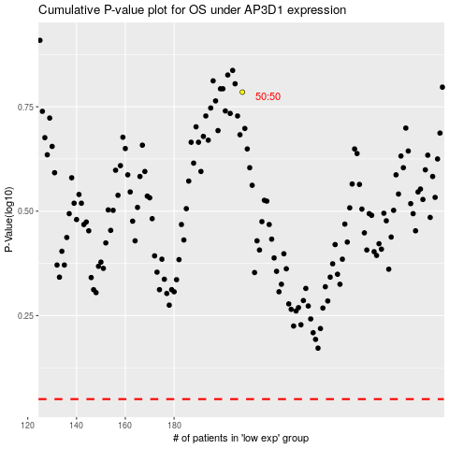

 |  |  |  |  |  | cases_OS | p_OS | rank | exp
 |  |  |  |  |  |  | cases_RFS | p_RFS | rank | exp

