AP3M1 _multivariate
Reported by Tex Li-Hsing Chi. tex@gate.sinica.edu.tw 2019-08-22

Table 2. The clinicopathological features of HNSCC cohort and AP3M1 expression. (Chi square test)
Cutoff at -0.103 (49.8%)
 |  | AP3M1 expression |  | AP3M1 expression |  | (Optimised)
 | Features | Low | (%) | High | (%) | Case no | P-value | Remark | Matthews
Gender | Female | 149 | 35.9 | 157 | 37.8 | 415 | 0.4848 | 0 | 0
2 | Male | 58 | 14 | 51 | 12.3
Age at diagnosis | <=65y | 132 | 31.8 | 142 | 34.2 | 415 | 0.3874 | 0 | 0
4 | >65y | 75 | 18.1 | 66 | 15.9
Clinical T Status | T1+T2 | 72 | 17.3 | 77 | 18.6 | 415 | 0.7095 | 0 | 0
6 | T3+T4 | 135 | 32.5 | 131 | 31.6
Clinical N Status | N0 | 111 | 26.7 | 105 | 25.3 | 415 | 0.5875 | 0 | 0
8 | N1-3 | 96 | 23.1 | 103 | 24.8
Clinical M Status | M0 | 206 | 49.6 | 206 | 49.6 | 415 | 1 | 0 | 0
10 | M1 | 1 | 0.2 | 2 | 0.5
Clinical Stage | Stage I+II | 52 | 12.5 | 50 | 12 | 415 | 0.8871 | 0 | 0
12 | Stage III+IV | 155 | 37.3 | 158 | 38.1
Surgical Margin status | Negative | 160 | 38.6 | 158 | 38.1 | 415 | 0.8167 | 0 | 0
14 | Positive | 47 | 11.3 | 50 | 12
Tobacco Exposure | Low | 80 | 19.3 | 81 | 19.5 | 415 | 1 | 0 | 0
16 | High | 127 | 30.6 | 127 | 30.6

Table 3. Univariate/Multivariate Cox's proportional hazards regression analyses on OS time of AP3M1 gene expression in HNSCC

 |  | Univariate |  |  |  | Multivariate
 | Features | HR | CI95%(L) | CI95%(H) | P-value | HR | CI95%(L) | CI95%(H) | P-value
1 | Female | 1 |  |  |  | 1
Gender | Male | 1.157 | 0.843 | 1.587 | 0.367 | 1.212 | 0.868 | 1.692 | 0.26
11 | <=65y | 1 |  |  |  | 1
Age at diagnosis | >65y | 1.329 | 0.99 | 1.784 | 0.058 | 1.407 | 1.034 | 1.914 | 0.03
12 | T1+T2 | 1 |  |  |  | 1
Clinical T Status | T3+T4 | 1.409 | 1.028 | 1.931 | 0.033 | 2.267 | 1.196 | 4.296 | 0.012
13 | N0 | 1 |  |  |  | 1
Clinical N Status | N1-3 | 1.185 | 0.89 | 1.577 | 0.246 | 1.238 | 0.868 | 1.767 | 0.239
14 | M0 | 1 |  |  |  | 1
Clinical M Status | M1 | 4.097 | 1.009 | 16.644 | 0.049 | 9.56 | 2.085 | 43.838 | 0.004
15 | Stage I+II | 1 |  |  |  | 1
Clinical Stage | Stage III+IV | 1.245 | 0.882 | 1.759 | 0.213 | 0.495 | 0.23 | 1.063 | 0.071
16 | Negative | 1 |  |  |  | 1
Surgical Margin status | Positive | 1.591 | 1.155 | 2.191 | 0.004 | 1.679 | 1.215 | 2.322 | 0.002
17 | Low | 1 |  |  |  | 1
Tobacco Exposure | High | 1.364 | 1.008 | 1.844 | 0.044 | 1.468 | 1.065 | 2.024 | 0.019
18 | Low | 1 |  |  |  | 1
RNAseq(z-score) | High | 1.072 | 0.804 | 1.428 | 0.637 | 1.175 | 0.878 | 1.572 | 0.278

Table 4. Univariate/Multivariate Cox's proportional hazards regression analyses on RFS time of AP3M1 gene expression in HNSCC

 |  | Univariate |  |  |  | Multivariate
 | Features | HR | CI95%(L) | CI95%(H) | P-value | HR | CI95%(L) | CI95%(H) | P-value
1 | Female | 1 |  |  |  | 1
Gender | Male | 1.157 | 0.843 | 1.587 | 0.367 | 1.212 | 0.868 | 1.692 | 0.26
11 | <=65y | 1 |  |  |  | 1
Age at diagnosis | >65y | 1.329 | 0.99 | 1.784 | 0.058 | 1.407 | 1.034 | 1.914 | 0.03
12 | T1+T2 | 1 |  |  |  | 1
Clinical T Status | T3+T4 | 1.409 | 1.028 | 1.931 | 0.033 | 2.267 | 1.196 | 4.296 | 0.012
13 | N0 | 1 |  |  |  | 1
Clinical N Status | N1-3 | 1.185 | 0.89 | 1.577 | 0.246 | 1.238 | 0.868 | 1.767 | 0.239
14 | M0 | 1 |  |  |  | 1
Clinical M Status | M1 | 4.097 | 1.009 | 16.644 | 0.049 | 9.56 | 2.085 | 43.838 | 0.004
15 | Stage I+II | 1 |  |  |  | 1
Clinical Stage | Stage III+IV | 1.245 | 0.882 | 1.759 | 0.213 | 0.495 | 0.23 | 1.063 | 0.071
16 | Negative | 1 |  |  |  | 1
Surgical Margin status | Positive | 1.591 | 1.155 | 2.191 | 0.004 | 1.679 | 1.215 | 2.322 | 0.002
17 | Low | 1 |  |  |  | 1
Tobacco Exposure | High | 1.364 | 1.008 | 1.844 | 0.044 | 1.468 | 1.065 | 2.024 | 0.019
18 | Low | 1 |  |  |  | 1
RNAseq(z-score) | High | 1.072 | 0.804 | 1.428 | 0.637 | 1.175 | 0.878 | 1.572 | 0.278

Kaplan-Meier survival estimate: Cutoff at -0.103 (49.8%)



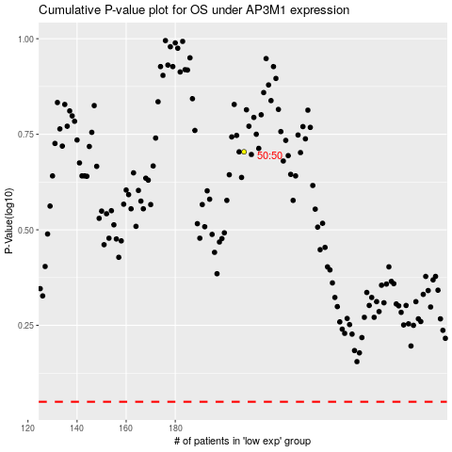

 |  |  |  |  |  | cases_OS | p_OS | rank | exp
 |  |  |  |  |  |  | cases_RFS | p_RFS | rank | exp

