AP3S1 _multivariate
Reported by Tex Li-Hsing Chi. tex@gate.sinica.edu.tw 2019-08-22

Table 2. The clinicopathological features of HNSCC cohort and AP3S1 expression. (Chi square test)
Cutoff at -0.109 (49.8%)
 |  | AP3S1 expression |  | AP3S1 expression |  | (Optimised)
 | Features | Low | (%) | High | (%) | Case no | P-value | Remark | Matthews
Gender | Female | 162 | 39 | 144 | 34.7 | 415 | 0.0479 | 1 | 0
2 | Male | 45 | 10.8 | 64 | 15.4
Age at diagnosis | <=65y | 141 | 34 | 133 | 32 | 415 | 0.4272 | 0 | 0
4 | >65y | 66 | 15.9 | 75 | 18.1
Clinical T Status | T1+T2 | 72 | 17.3 | 77 | 18.6 | 415 | 0.7095 | 0 | 0
6 | T3+T4 | 135 | 32.5 | 131 | 31.6
Clinical N Status | N0 | 107 | 25.8 | 109 | 26.3 | 415 | 0.9624 | 0 | 0
8 | N1-3 | 100 | 24.1 | 99 | 23.9
Clinical M Status | M0 | 207 | 49.9 | 205 | 49.4 | 415 | 0.2482 | 0 | 0
10 | M1 | 0 | 0 | 3 | 0.7
Clinical Stage | Stage I+II | 50 | 12 | 52 | 12.5 | 415 | 0.9315 | 0 | 0
12 | Stage III+IV | 157 | 37.8 | 156 | 37.6
Surgical Margin status | Negative | 163 | 39.3 | 155 | 37.3 | 415 | 0.3537 | 0 | 0
14 | Positive | 44 | 10.6 | 53 | 12.8
Tobacco Exposure | Low | 76 | 18.3 | 85 | 20.5 | 415 | 0.4207 | 0 | 0
16 | High | 131 | 31.6 | 123 | 29.6

Table 3. Univariate/Multivariate Cox's proportional hazards regression analyses on OS time of AP3S1 gene expression in HNSCC

 |  | Univariate |  |  |  | Multivariate
 | Features | HR | CI95%(L) | CI95%(H) | P-value | HR | CI95%(L) | CI95%(H) | P-value
1 | Female | 1 |  |  |  | 1
Gender | Male | 1.157 | 0.843 | 1.587 | 0.367 | 1.162 | 0.828 | 1.631 | 0.385
11 | <=65y | 1 |  |  |  | 1
Age at diagnosis | >65y | 1.329 | 0.99 | 1.784 | 0.058 | 1.407 | 1.034 | 1.913 | 0.03
12 | T1+T2 | 1 |  |  |  | 1
Clinical T Status | T3+T4 | 1.409 | 1.028 | 1.931 | 0.033 | 2.238 | 1.184 | 4.23 | 0.013
13 | N0 | 1 |  |  |  | 1
Clinical N Status | N1-3 | 1.185 | 0.89 | 1.577 | 0.246 | 1.262 | 0.884 | 1.802 | 0.2
14 | M0 | 1 |  |  |  | 1
Clinical M Status | M1 | 4.097 | 1.009 | 16.644 | 0.049 | 8.632 | 1.872 | 39.811 | 0.006
15 | Stage I+II | 1 |  |  |  | 1
Clinical Stage | Stage III+IV | 1.245 | 0.882 | 1.759 | 0.213 | 0.495 | 0.231 | 1.063 | 0.071
16 | Negative | 1 |  |  |  | 1
Surgical Margin status | Positive | 1.591 | 1.155 | 2.191 | 0.004 | 1.64 | 1.185 | 2.268 | 0.003
17 | Low | 1 |  |  |  | 1
Tobacco Exposure | High | 1.364 | 1.008 | 1.844 | 0.044 | 1.453 | 1.054 | 2.001 | 0.022
18 | Low | 1 |  |  |  | 1
RNAseq(z-score) | High | 1.21 | 0.907 | 1.613 | 0.194 | 1.19 | 0.885 | 1.6 | 0.25

Table 4. Univariate/Multivariate Cox's proportional hazards regression analyses on RFS time of AP3S1 gene expression in HNSCC

 |  | Univariate |  |  |  | Multivariate
 | Features | HR | CI95%(L) | CI95%(H) | P-value | HR | CI95%(L) | CI95%(H) | P-value
1 | Female | 1 |  |  |  | 1
Gender | Male | 1.157 | 0.843 | 1.587 | 0.367 | 1.162 | 0.828 | 1.631 | 0.385
11 | <=65y | 1 |  |  |  | 1
Age at diagnosis | >65y | 1.329 | 0.99 | 1.784 | 0.058 | 1.407 | 1.034 | 1.913 | 0.03
12 | T1+T2 | 1 |  |  |  | 1
Clinical T Status | T3+T4 | 1.409 | 1.028 | 1.931 | 0.033 | 2.238 | 1.184 | 4.23 | 0.013
13 | N0 | 1 |  |  |  | 1
Clinical N Status | N1-3 | 1.185 | 0.89 | 1.577 | 0.246 | 1.262 | 0.884 | 1.802 | 0.2
14 | M0 | 1 |  |  |  | 1
Clinical M Status | M1 | 4.097 | 1.009 | 16.644 | 0.049 | 8.632 | 1.872 | 39.811 | 0.006
15 | Stage I+II | 1 |  |  |  | 1
Clinical Stage | Stage III+IV | 1.245 | 0.882 | 1.759 | 0.213 | 0.495 | 0.231 | 1.063 | 0.071
16 | Negative | 1 |  |  |  | 1
Surgical Margin status | Positive | 1.591 | 1.155 | 2.191 | 0.004 | 1.64 | 1.185 | 2.268 | 0.003
17 | Low | 1 |  |  |  | 1
Tobacco Exposure | High | 1.364 | 1.008 | 1.844 | 0.044 | 1.453 | 1.054 | 2.001 | 0.022
18 | Low | 1 |  |  |  | 1
RNAseq(z-score) | High | 1.21 | 0.907 | 1.613 | 0.194 | 1.19 | 0.885 | 1.6 | 0.25

Kaplan-Meier survival estimate: Cutoff at -0.109 (49.8%)



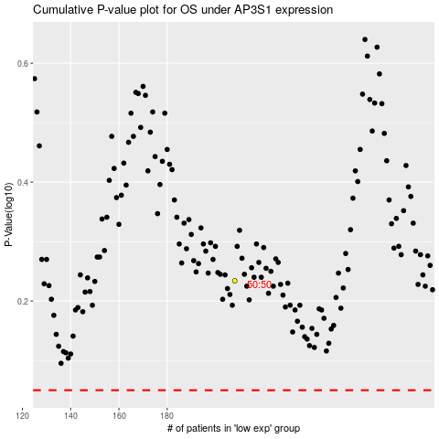

 |  |  |  |  |  | cases_OS | p_OS | rank | exp
 |  |  |  |  |  |  | cases_RFS | p_RFS | rank | exp

