AP4E1 _multivariate
Reported by Tex Li-Hsing Chi. tex@gate.sinica.edu.tw 2019-08-22

Table 2. The clinicopathological features of HNSCC cohort and AP4E1 expression. (Chi square test)
Cutoff at -0.067 (50.0%)
 |  | AP4E1 expression |  | AP4E1 expression |  | (Optimised)
 | Features | Low | (%) | High | (%) | Case no | P-value | Remark | Matthews
Gender | Female | 162 | 39 | 144 | 34.7 | 415 | 0.0479 | 1 | 0
2 | Male | 45 | 10.8 | 64 | 15.4
Age at diagnosis | <=65y | 143 | 34.5 | 131 | 31.6 | 415 | 0.2269 | 0 | 0
4 | >65y | 64 | 15.4 | 77 | 18.6
Clinical T Status | T1+T2 | 68 | 16.4 | 81 | 19.5 | 415 | 0.2336 | 0 | 0
6 | T3+T4 | 139 | 33.5 | 127 | 30.6
Clinical N Status | N0 | 97 | 23.4 | 119 | 28.7 | 415 | 0.0442 | 1 | 0
8 | N1-3 | 110 | 26.5 | 89 | 21.4
Clinical M Status | M0 | 206 | 49.6 | 206 | 49.6 | 415 | 1 | 0 | 0
10 | M1 | 1 | 0.2 | 2 | 0.5
Clinical Stage | Stage I+II | 41 | 9.9 | 61 | 14.7 | 415 | 0.0325 | 1 | 0
12 | Stage III+IV | 166 | 40 | 147 | 35.4
Surgical Margin status | Negative | 156 | 37.6 | 162 | 39 | 415 | 0.5636 | 0 | 0
14 | Positive | 51 | 12.3 | 46 | 11.1
Tobacco Exposure | Low | 62 | 14.9 | 99 | 23.9 | 415 | 3e-04 | 1 | 0
16 | High | 145 | 34.9 | 109 | 26.3

Table 3. Univariate/Multivariate Cox's proportional hazards regression analyses on OS time of AP4E1 gene expression in HNSCC

 |  | Univariate |  |  |  | Multivariate
 | Features | HR | CI95%(L) | CI95%(H) | P-value | HR | CI95%(L) | CI95%(H) | P-value
1 | Female | 1 |  |  |  | 1
Gender | Male | 1.157 | 0.843 | 1.587 | 0.367 | 1.2 | 0.859 | 1.677 | 0.286
11 | <=65y | 1 |  |  |  | 1
Age at diagnosis | >65y | 1.329 | 0.99 | 1.784 | 0.058 | 1.392 | 1.023 | 1.894 | 0.035
12 | T1+T2 | 1 |  |  |  | 1
Clinical T Status | T3+T4 | 1.409 | 1.028 | 1.931 | 0.033 | 2.196 | 1.161 | 4.151 | 0.015
13 | N0 | 1 |  |  |  | 1
Clinical N Status | N1-3 | 1.185 | 0.89 | 1.577 | 0.246 | 1.268 | 0.886 | 1.815 | 0.194
14 | M0 | 1 |  |  |  | 1
Clinical M Status | M1 | 4.097 | 1.009 | 16.644 | 0.049 | 9.124 | 1.988 | 41.874 | 0.004
15 | Stage I+II | 1 |  |  |  | 1
Clinical Stage | Stage III+IV | 1.245 | 0.882 | 1.759 | 0.213 | 0.514 | 0.239 | 1.105 | 0.088
16 | Negative | 1 |  |  |  | 1
Surgical Margin status | Positive | 1.591 | 1.155 | 2.191 | 0.004 | 1.68 | 1.216 | 2.322 | 0.002
17 | Low | 1 |  |  |  | 1
Tobacco Exposure | High | 1.364 | 1.008 | 1.844 | 0.044 | 1.511 | 1.086 | 2.102 | 0.014
18 | Low | 1 |  |  |  | 1
RNAseq(z-score) | High | 1.035 | 0.777 | 1.38 | 0.813 | 1.173 | 0.864 | 1.592 | 0.307

Table 4. Univariate/Multivariate Cox's proportional hazards regression analyses on RFS time of AP4E1 gene expression in HNSCC

 |  | Univariate |  |  |  | Multivariate
 | Features | HR | CI95%(L) | CI95%(H) | P-value | HR | CI95%(L) | CI95%(H) | P-value
1 | Female | 1 |  |  |  | 1
Gender | Male | 1.157 | 0.843 | 1.587 | 0.367 | 1.2 | 0.859 | 1.677 | 0.286
11 | <=65y | 1 |  |  |  | 1
Age at diagnosis | >65y | 1.329 | 0.99 | 1.784 | 0.058 | 1.392 | 1.023 | 1.894 | 0.035
12 | T1+T2 | 1 |  |  |  | 1
Clinical T Status | T3+T4 | 1.409 | 1.028 | 1.931 | 0.033 | 2.196 | 1.161 | 4.151 | 0.015
13 | N0 | 1 |  |  |  | 1
Clinical N Status | N1-3 | 1.185 | 0.89 | 1.577 | 0.246 | 1.268 | 0.886 | 1.815 | 0.194
14 | M0 | 1 |  |  |  | 1
Clinical M Status | M1 | 4.097 | 1.009 | 16.644 | 0.049 | 9.124 | 1.988 | 41.874 | 0.004
15 | Stage I+II | 1 |  |  |  | 1
Clinical Stage | Stage III+IV | 1.245 | 0.882 | 1.759 | 0.213 | 0.514 | 0.239 | 1.105 | 0.088
16 | Negative | 1 |  |  |  | 1
Surgical Margin status | Positive | 1.591 | 1.155 | 2.191 | 0.004 | 1.68 | 1.216 | 2.322 | 0.002
17 | Low | 1 |  |  |  | 1
Tobacco Exposure | High | 1.364 | 1.008 | 1.844 | 0.044 | 1.511 | 1.086 | 2.102 | 0.014
18 | Low | 1 |  |  |  | 1
RNAseq(z-score) | High | 1.035 | 0.777 | 1.38 | 0.813 | 1.173 | 0.864 | 1.592 | 0.307

Kaplan-Meier survival estimate: Cutoff at -0.067 (50.0%)

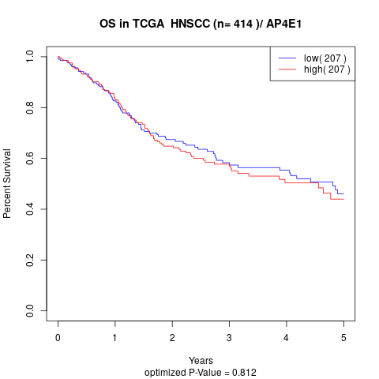

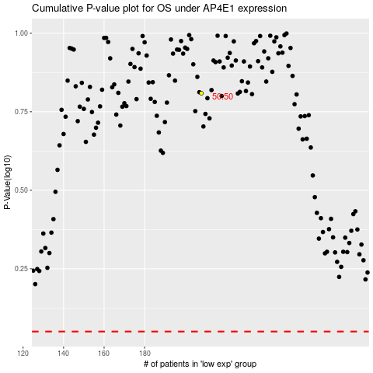

 |  |  |  |  |  | cases_OS | p_OS | rank | exp
 |  |  |  |  |  |  | cases_RFS | p_RFS | rank | exp

