APAF1 _multivariate
Reported by Tex Li-Hsing Chi. tex@gate.sinica.edu.tw 2019-08-22

Table 2. The clinicopathological features of HNSCC cohort and APAF1 expression. (Chi square test)
Cutoff at -0.122 (49.8%)
 |  | APAF1 expression |  | APAF1 expression |  | (Optimised)
 | Features | Low | (%) | High | (%) | Case no | P-value | Remark | Matthews
Gender | Female | 151 | 36.4 | 155 | 37.3 | 415 | 0.8007 | 0 | 0
2 | Male | 56 | 13.5 | 53 | 12.8
Age at diagnosis | <=65y | 136 | 32.8 | 138 | 33.3 | 415 | 0.9719 | 0 | 0
4 | >65y | 71 | 17.1 | 70 | 16.9
Clinical T Status | T1+T2 | 62 | 14.9 | 87 | 21 | 415 | 0.0156 | 1 | 0
6 | T3+T4 | 145 | 34.9 | 121 | 29.2
Clinical N Status | N0 | 110 | 26.5 | 106 | 25.5 | 415 | 0.7294 | 0 | 0
8 | N1-3 | 97 | 23.4 | 102 | 24.6
Clinical M Status | M0 | 205 | 49.4 | 207 | 49.9 | 415 | 0.6232 | 0 | 0
10 | M1 | 2 | 0.5 | 1 | 0.2
Clinical Stage | Stage I+II | 44 | 10.6 | 58 | 14 | 415 | 0.1459 | 0 | 0
12 | Stage III+IV | 163 | 39.3 | 150 | 36.1
Surgical Margin status | Negative | 159 | 38.3 | 159 | 38.3 | 415 | 1 | 0 | 0
14 | Positive | 48 | 11.6 | 49 | 11.8
Tobacco Exposure | Low | 75 | 18.1 | 86 | 20.7 | 415 | 0.3141 | 0 | 0
16 | High | 132 | 31.8 | 122 | 29.4

Table 3. Univariate/Multivariate Cox's proportional hazards regression analyses on OS time of APAF1 gene expression in HNSCC

 |  | Univariate |  |  |  | Multivariate
 | Features | HR | CI95%(L) | CI95%(H) | P-value | HR | CI95%(L) | CI95%(H) | P-value
1 | Female | 1 |  |  |  | 1
Gender | Male | 1.157 | 0.843 | 1.587 | 0.367 | 1.198 | 0.857 | 1.675 | 0.291
11 | <=65y | 1 |  |  |  | 1
Age at diagnosis | >65y | 1.329 | 0.99 | 1.784 | 0.058 | 1.393 | 1.025 | 1.894 | 0.034
12 | T1+T2 | 1 |  |  |  | 1
Clinical T Status | T3+T4 | 1.409 | 1.028 | 1.931 | 0.033 | 2.188 | 1.156 | 4.144 | 0.016
13 | N0 | 1 |  |  |  | 1
Clinical N Status | N1-3 | 1.185 | 0.89 | 1.577 | 0.246 | 1.243 | 0.871 | 1.775 | 0.23
14 | M0 | 1 |  |  |  | 1
Clinical M Status | M1 | 4.097 | 1.009 | 16.644 | 0.049 | 9.23 | 2.001 | 42.568 | 0.004
15 | Stage I+II | 1 |  |  |  | 1
Clinical Stage | Stage III+IV | 1.245 | 0.882 | 1.759 | 0.213 | 0.506 | 0.236 | 1.086 | 0.08
16 | Negative | 1 |  |  |  | 1
Surgical Margin status | Positive | 1.591 | 1.155 | 2.191 | 0.004 | 1.669 | 1.208 | 2.306 | 0.002
17 | Low | 1 |  |  |  | 1
Tobacco Exposure | High | 1.364 | 1.008 | 1.844 | 0.044 | 1.447 | 1.049 | 1.997 | 0.024
18 | Low | 1 |  |  |  | 1
RNAseq(z-score) | High | 0.869 | 0.651 | 1.16 | 0.341 | 0.96 | 0.716 | 1.287 | 0.786

Table 4. Univariate/Multivariate Cox's proportional hazards regression analyses on RFS time of APAF1 gene expression in HNSCC

 |  | Univariate |  |  |  | Multivariate
 | Features | HR | CI95%(L) | CI95%(H) | P-value | HR | CI95%(L) | CI95%(H) | P-value
1 | Female | 1 |  |  |  | 1
Gender | Male | 1.157 | 0.843 | 1.587 | 0.367 | 1.198 | 0.857 | 1.675 | 0.291
11 | <=65y | 1 |  |  |  | 1
Age at diagnosis | >65y | 1.329 | 0.99 | 1.784 | 0.058 | 1.393 | 1.025 | 1.894 | 0.034
12 | T1+T2 | 1 |  |  |  | 1
Clinical T Status | T3+T4 | 1.409 | 1.028 | 1.931 | 0.033 | 2.188 | 1.156 | 4.144 | 0.016
13 | N0 | 1 |  |  |  | 1
Clinical N Status | N1-3 | 1.185 | 0.89 | 1.577 | 0.246 | 1.243 | 0.871 | 1.775 | 0.23
14 | M0 | 1 |  |  |  | 1
Clinical M Status | M1 | 4.097 | 1.009 | 16.644 | 0.049 | 9.23 | 2.001 | 42.568 | 0.004
15 | Stage I+II | 1 |  |  |  | 1
Clinical Stage | Stage III+IV | 1.245 | 0.882 | 1.759 | 0.213 | 0.506 | 0.236 | 1.086 | 0.08
16 | Negative | 1 |  |  |  | 1
Surgical Margin status | Positive | 1.591 | 1.155 | 2.191 | 0.004 | 1.669 | 1.208 | 2.306 | 0.002
17 | Low | 1 |  |  |  | 1
Tobacco Exposure | High | 1.364 | 1.008 | 1.844 | 0.044 | 1.447 | 1.049 | 1.997 | 0.024
18 | Low | 1 |  |  |  | 1
RNAseq(z-score) | High | 0.869 | 0.651 | 1.16 | 0.341 | 0.96 | 0.716 | 1.287 | 0.786

Kaplan-Meier survival estimate: Cutoff at -0.122 (49.8%)



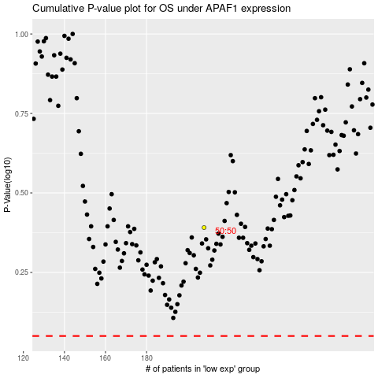

 |  |  |  |  |  | cases_OS | p_OS | rank | exp
 |  |  |  |  |  |  | cases_RFS | p_RFS | rank | exp

