APBA2 _multivariate
Reported by Tex Li-Hsing Chi. tex@gate.sinica.edu.tw 2019-08-22

Table 2. The clinicopathological features of HNSCC cohort and APBA2 expression. (Chi square test)
Cutoff at -0.15 (56.3%)
 |  | APBA2 expression |  | APBA2 expression |  | (Optimised)
 | Features | Low | (%) | High | (%) | Case no | P-value | Remark | Matthews
Gender | Female | 165 | 39.8 | 141 | 34 | 415 | 0.1133 | 0 | 0
2 | Male | 69 | 16.6 | 40 | 9.6
Age at diagnosis | <=65y | 153 | 36.9 | 121 | 29.2 | 415 | 0.835 | 0 | 0
4 | >65y | 81 | 19.5 | 60 | 14.5
Clinical T Status | T1+T2 | 92 | 22.2 | 57 | 13.7 | 415 | 0.1224 | 0 | 0
6 | T3+T4 | 142 | 34.2 | 124 | 29.9
Clinical N Status | N0 | 120 | 28.9 | 96 | 23.1 | 415 | 0.7978 | 0 | 0
8 | N1-3 | 114 | 27.5 | 85 | 20.5
Clinical M Status | M0 | 231 | 55.7 | 181 | 43.6 | 415 | 0.2605 | 0 | 0
10 | M1 | 3 | 0.7 | 0 | 0
Clinical Stage | Stage I+II | 60 | 14.5 | 42 | 10.1 | 415 | 0.6478 | 0 | 0
12 | Stage III+IV | 174 | 41.9 | 139 | 33.5
Surgical Margin status | Negative | 177 | 42.7 | 141 | 34 | 415 | 0.6405 | 0 | 0
14 | Positive | 57 | 13.7 | 40 | 9.6
Tobacco Exposure | Low | 103 | 24.8 | 58 | 14 | 415 | 0.0148 | 1 | 0
16 | High | 131 | 31.6 | 123 | 29.6

Table 3. Univariate/Multivariate Cox's proportional hazards regression analyses on OS time of APBA2 gene expression in HNSCC

 |  | Univariate |  |  |  | Multivariate
 | Features | HR | CI95%(L) | CI95%(H) | P-value | HR | CI95%(L) | CI95%(H) | P-value
1 | Female | 1 |  |  |  | 1
Gender | Male | 1.157 | 0.843 | 1.587 | 0.367 | 1.173 | 0.838 | 1.641 | 0.354
11 | <=65y | 1 |  |  |  | 1
Age at diagnosis | >65y | 1.329 | 0.99 | 1.784 | 0.058 | 1.397 | 1.027 | 1.899 | 0.033
12 | T1+T2 | 1 |  |  |  | 1
Clinical T Status | T3+T4 | 1.409 | 1.028 | 1.931 | 0.033 | 2.306 | 1.218 | 4.367 | 0.01
13 | N0 | 1 |  |  |  | 1
Clinical N Status | N1-3 | 1.185 | 0.89 | 1.577 | 0.246 | 1.231 | 0.862 | 1.757 | 0.252
14 | M0 | 1 |  |  |  | 1
Clinical M Status | M1 | 4.097 | 1.009 | 16.644 | 0.049 | 8.529 | 1.857 | 39.179 | 0.006
15 | Stage I+II | 1 |  |  |  | 1
Clinical Stage | Stage III+IV | 1.245 | 0.882 | 1.759 | 0.213 | 0.491 | 0.229 | 1.055 | 0.068
16 | Negative | 1 |  |  |  | 1
Surgical Margin status | Positive | 1.591 | 1.155 | 2.191 | 0.004 | 1.681 | 1.217 | 2.322 | 0.002
17 | Low | 1 |  |  |  | 1
Tobacco Exposure | High | 1.364 | 1.008 | 1.844 | 0.044 | 1.478 | 1.072 | 2.038 | 0.017
18 | Low | 1 |  |  |  | 1
RNAseq(z-score) | High | 0.739 | 0.549 | 0.995 | 0.046 | 0.72 | 0.533 | 0.973 | 0.033

Table 4. Univariate/Multivariate Cox's proportional hazards regression analyses on RFS time of APBA2 gene expression in HNSCC

 |  | Univariate |  |  |  | Multivariate
 | Features | HR | CI95%(L) | CI95%(H) | P-value | HR | CI95%(L) | CI95%(H) | P-value
1 | Female | 1 |  |  |  | 1
Gender | Male | 1.157 | 0.843 | 1.587 | 0.367 | 1.173 | 0.838 | 1.641 | 0.354
11 | <=65y | 1 |  |  |  | 1
Age at diagnosis | >65y | 1.329 | 0.99 | 1.784 | 0.058 | 1.397 | 1.027 | 1.899 | 0.033
12 | T1+T2 | 1 |  |  |  | 1
Clinical T Status | T3+T4 | 1.409 | 1.028 | 1.931 | 0.033 | 2.306 | 1.218 | 4.367 | 0.01
13 | N0 | 1 |  |  |  | 1
Clinical N Status | N1-3 | 1.185 | 0.89 | 1.577 | 0.246 | 1.231 | 0.862 | 1.757 | 0.252
14 | M0 | 1 |  |  |  | 1
Clinical M Status | M1 | 4.097 | 1.009 | 16.644 | 0.049 | 8.529 | 1.857 | 39.179 | 0.006
15 | Stage I+II | 1 |  |  |  | 1
Clinical Stage | Stage III+IV | 1.245 | 0.882 | 1.759 | 0.213 | 0.491 | 0.229 | 1.055 | 0.068
16 | Negative | 1 |  |  |  | 1
Surgical Margin status | Positive | 1.591 | 1.155 | 2.191 | 0.004 | 1.681 | 1.217 | 2.322 | 0.002
17 | Low | 1 |  |  |  | 1
Tobacco Exposure | High | 1.364 | 1.008 | 1.844 | 0.044 | 1.478 | 1.072 | 2.038 | 0.017
18 | Low | 1 |  |  |  | 1
RNAseq(z-score) | High | 0.739 | 0.549 | 0.995 | 0.046 | 0.72 | 0.533 | 0.973 | 0.033

Kaplan-Meier survival estimate: Cutoff at -0.15 (56.3%)



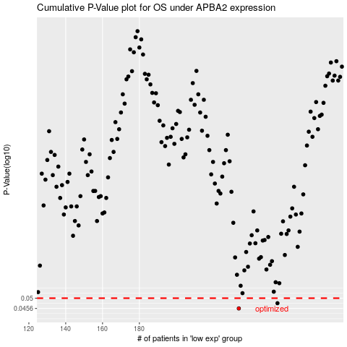

 |  |  |  |  |  | cases_OS | p_OS | rank | exp
 |  |  |  |  |  | 234 | 0.0456 | 169 | -0.14986555892
 |  |  |  |  |  | 255 | 0.0478 | 324 | -0.032755864758
 |  |  |  |  |  |  | cases_RFS | p_RFS | rank | exp
 |  |  |  |  |  |  | 233 | 0.0456 | 64 | -0.15112275635
 |  |  |  |  |  |  | 254 | 0.0478 | 76 | -0.035903867101

