APBB1IP _multivariate
Reported by Tex Li-Hsing Chi. tex@gate.sinica.edu.tw 2019-08-22

Table 2. The clinicopathological features of HNSCC cohort and APBB1IP expression. (Chi square test)
Cutoff at -0.5 (39.6%)
 |  | APBB1IP expression |  | APBB1IP expression |  | (Optimised)
 | Features | Low | (%) | High | (%) | Case no | P-value | Remark | Matthews
Gender | Female | 127 | 30.6 | 179 | 43.1 | 415 | 0.2702 | 0 | 0
2 | Male | 38 | 9.2 | 71 | 17.1
Age at diagnosis | <=65y | 118 | 28.4 | 156 | 37.6 | 415 | 0.0699 | 0 | 0
4 | >65y | 47 | 11.3 | 94 | 22.7
Clinical T Status | T1+T2 | 49 | 11.8 | 100 | 24.1 | 415 | 0.0417 | 1 | 0
6 | T3+T4 | 116 | 28 | 150 | 36.1
Clinical N Status | N0 | 94 | 22.7 | 122 | 29.4 | 415 | 0.126 | 0 | 0
8 | N1-3 | 71 | 17.1 | 128 | 30.8
Clinical M Status | M0 | 165 | 39.8 | 247 | 59.5 | 415 | 0.2797 | 0 | 0
10 | M1 | 0 | 0 | 3 | 0.7
Clinical Stage | Stage I+II | 39 | 9.4 | 63 | 15.2 | 415 | 0.806 | 0 | 0
12 | Stage III+IV | 126 | 30.4 | 187 | 45.1
Surgical Margin status | Negative | 126 | 30.4 | 192 | 46.3 | 415 | 1 | 0 | 0
14 | Positive | 39 | 9.4 | 58 | 14
Tobacco Exposure | Low | 58 | 14 | 103 | 24.8 | 415 | 0.2192 | 0 | 0
16 | High | 107 | 25.8 | 147 | 35.4

Table 3. Univariate/Multivariate Cox's proportional hazards regression analyses on OS time of APBB1IP gene expression in HNSCC

 |  | Univariate |  |  |  | Multivariate
 | Features | HR | CI95%(L) | CI95%(H) | P-value | HR | CI95%(L) | CI95%(H) | P-value
1 | Female | 1 |  |  |  | 1
Gender | Male | 1.157 | 0.843 | 1.587 | 0.367 | 1.229 | 0.879 | 1.72 | 0.228
11 | <=65y | 1 |  |  |  | 1
Age at diagnosis | >65y | 1.329 | 0.99 | 1.784 | 0.058 | 1.426 | 1.049 | 1.938 | 0.023
12 | T1+T2 | 1 |  |  |  | 1
Clinical T Status | T3+T4 | 1.409 | 1.028 | 1.931 | 0.033 | 2.098 | 1.109 | 3.97 | 0.023
13 | N0 | 1 |  |  |  | 1
Clinical N Status | N1-3 | 1.185 | 0.89 | 1.577 | 0.246 | 1.261 | 0.884 | 1.799 | 0.201
14 | M0 | 1 |  |  |  | 1
Clinical M Status | M1 | 4.097 | 1.009 | 16.644 | 0.049 | 10.496 | 2.281 | 48.304 | 0.003
15 | Stage I+II | 1 |  |  |  | 1
Clinical Stage | Stage III+IV | 1.245 | 0.882 | 1.759 | 0.213 | 0.514 | 0.24 | 1.103 | 0.088
16 | Negative | 1 |  |  |  | 1
Surgical Margin status | Positive | 1.591 | 1.155 | 2.191 | 0.004 | 1.7 | 1.23 | 2.351 | 0.001
17 | Low | 1 |  |  |  | 1
Tobacco Exposure | High | 1.364 | 1.008 | 1.844 | 0.044 | 1.444 | 1.047 | 1.993 | 0.025
18 | Low | 1 |  |  |  | 1
RNAseq(z-score) | High | 0.748 | 0.56 | 1 | 0.05 | 0.72 | 0.536 | 0.968 | 0.029

Table 4. Univariate/Multivariate Cox's proportional hazards regression analyses on RFS time of APBB1IP gene expression in HNSCC

 |  | Univariate |  |  |  | Multivariate
 | Features | HR | CI95%(L) | CI95%(H) | P-value | HR | CI95%(L) | CI95%(H) | P-value
1 | Female | 1 |  |  |  | 1
Gender | Male | 1.157 | 0.843 | 1.587 | 0.367 | 1.229 | 0.879 | 1.72 | 0.228
11 | <=65y | 1 |  |  |  | 1
Age at diagnosis | >65y | 1.329 | 0.99 | 1.784 | 0.058 | 1.426 | 1.049 | 1.938 | 0.023
12 | T1+T2 | 1 |  |  |  | 1
Clinical T Status | T3+T4 | 1.409 | 1.028 | 1.931 | 0.033 | 2.098 | 1.109 | 3.97 | 0.023
13 | N0 | 1 |  |  |  | 1
Clinical N Status | N1-3 | 1.185 | 0.89 | 1.577 | 0.246 | 1.261 | 0.884 | 1.799 | 0.201
14 | M0 | 1 |  |  |  | 1
Clinical M Status | M1 | 4.097 | 1.009 | 16.644 | 0.049 | 10.496 | 2.281 | 48.304 | 0.003
15 | Stage I+II | 1 |  |  |  | 1
Clinical Stage | Stage III+IV | 1.245 | 0.882 | 1.759 | 0.213 | 0.514 | 0.24 | 1.103 | 0.088
16 | Negative | 1 |  |  |  | 1
Surgical Margin status | Positive | 1.591 | 1.155 | 2.191 | 0.004 | 1.7 | 1.23 | 2.351 | 0.001
17 | Low | 1 |  |  |  | 1
Tobacco Exposure | High | 1.364 | 1.008 | 1.844 | 0.044 | 1.444 | 1.047 | 1.993 | 0.025
18 | Low | 1 |  |  |  | 1
RNAseq(z-score) | High | 0.748 | 0.56 | 1 | 0.05 | 0.72 | 0.536 | 0.968 | 0.029

Kaplan-Meier survival estimate: Cutoff at -0.5 (39.6%)



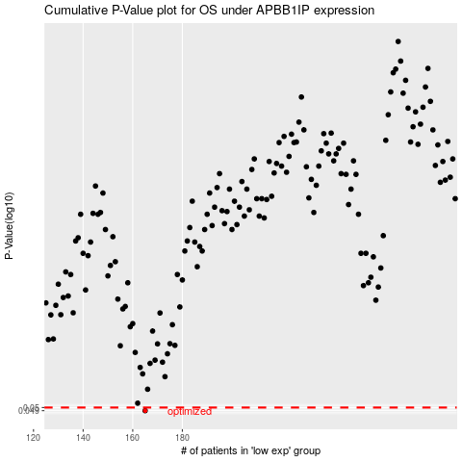

 |  |  |  |  |  | cases_OS | p_OS | rank | exp
 |  |  |  |  |  | 165 | 0.049 | 16 | -0.50043968495
 |  |  |  |  |  |  | cases_RFS | p_RFS | rank | exp
 |  |  |  |  |  |  | 164 | 0.049 | 92 | -0.50265562274

