APBB2 _multivariate
Reported by Tex Li-Hsing Chi. tex@gate.sinica.edu.tw 2019-08-22

Table 2. The clinicopathological features of HNSCC cohort and APBB2 expression. (Chi square test)
Cutoff at -0.047 (49.8%)
 |  | APBB2 expression |  | APBB2 expression |  | (Optimised)
 | Features | Low | (%) | High | (%) | Case no | P-value | Remark | Matthews
Gender | Female | 162 | 39 | 144 | 34.7 | 415 | 0.0479 | 1 | 0
2 | Male | 45 | 10.8 | 64 | 15.4
Age at diagnosis | <=65y | 137 | 33 | 137 | 33 | 415 | 1 | 0 | 0
4 | >65y | 70 | 16.9 | 71 | 17.1
Clinical T Status | T1+T2 | 80 | 19.3 | 69 | 16.6 | 415 | 0.2891 | 0 | 0
6 | T3+T4 | 127 | 30.6 | 139 | 33.5
Clinical N Status | N0 | 108 | 26 | 108 | 26 | 415 | 1 | 0 | 0
8 | N1-3 | 99 | 23.9 | 100 | 24.1
Clinical M Status | M0 | 204 | 49.2 | 208 | 50.1 | 415 | 0.1232 | 0 | 0
10 | M1 | 3 | 0.7 | 0 | 0
Clinical Stage | Stage I+II | 51 | 12.3 | 51 | 12.3 | 415 | 1 | 0 | 0
12 | Stage III+IV | 156 | 37.6 | 157 | 37.8
Surgical Margin status | Negative | 155 | 37.3 | 163 | 39.3 | 415 | 0.4187 | 0 | 0
14 | Positive | 52 | 12.5 | 45 | 10.8
Tobacco Exposure | Low | 74 | 17.8 | 87 | 21 | 415 | 0.227 | 0 | 0
16 | High | 133 | 32 | 121 | 29.2

Table 3. Univariate/Multivariate Cox's proportional hazards regression analyses on OS time of APBB2 gene expression in HNSCC

 |  | Univariate |  |  |  | Multivariate
 | Features | HR | CI95%(L) | CI95%(H) | P-value | HR | CI95%(L) | CI95%(H) | P-value
1 | Female | 1 |  |  |  | 1
Gender | Male | 1.157 | 0.843 | 1.587 | 0.367 | 1.167 | 0.834 | 1.635 | 0.368
11 | <=65y | 1 |  |  |  | 1
Age at diagnosis | >65y | 1.329 | 0.99 | 1.784 | 0.058 | 1.424 | 1.046 | 1.94 | 0.025
12 | T1+T2 | 1 |  |  |  | 1
Clinical T Status | T3+T4 | 1.409 | 1.028 | 1.931 | 0.033 | 2.116 | 1.117 | 4.006 | 0.021
13 | N0 | 1 |  |  |  | 1
Clinical N Status | N1-3 | 1.185 | 0.89 | 1.577 | 0.246 | 1.24 | 0.869 | 1.769 | 0.235
14 | M0 | 1 |  |  |  | 1
Clinical M Status | M1 | 4.097 | 1.009 | 16.644 | 0.049 | 10.263 | 2.23 | 47.23 | 0.003
15 | Stage I+II | 1 |  |  |  | 1
Clinical Stage | Stage III+IV | 1.245 | 0.882 | 1.759 | 0.213 | 0.531 | 0.247 | 1.142 | 0.105
16 | Negative | 1 |  |  |  | 1
Surgical Margin status | Positive | 1.591 | 1.155 | 2.191 | 0.004 | 1.697 | 1.228 | 2.346 | 0.001
17 | Low | 1 |  |  |  | 1
Tobacco Exposure | High | 1.364 | 1.008 | 1.844 | 0.044 | 1.485 | 1.075 | 2.051 | 0.016
18 | Low | 1 |  |  |  | 1
RNAseq(z-score) | High | 1.188 | 0.892 | 1.582 | 0.24 | 1.272 | 0.947 | 1.709 | 0.111

Table 4. Univariate/Multivariate Cox's proportional hazards regression analyses on RFS time of APBB2 gene expression in HNSCC

 |  | Univariate |  |  |  | Multivariate
 | Features | HR | CI95%(L) | CI95%(H) | P-value | HR | CI95%(L) | CI95%(H) | P-value
1 | Female | 1 |  |  |  | 1
Gender | Male | 1.157 | 0.843 | 1.587 | 0.367 | 1.167 | 0.834 | 1.635 | 0.368
11 | <=65y | 1 |  |  |  | 1
Age at diagnosis | >65y | 1.329 | 0.99 | 1.784 | 0.058 | 1.424 | 1.046 | 1.94 | 0.025
12 | T1+T2 | 1 |  |  |  | 1
Clinical T Status | T3+T4 | 1.409 | 1.028 | 1.931 | 0.033 | 2.116 | 1.117 | 4.006 | 0.021
13 | N0 | 1 |  |  |  | 1
Clinical N Status | N1-3 | 1.185 | 0.89 | 1.577 | 0.246 | 1.24 | 0.869 | 1.769 | 0.235
14 | M0 | 1 |  |  |  | 1
Clinical M Status | M1 | 4.097 | 1.009 | 16.644 | 0.049 | 10.263 | 2.23 | 47.23 | 0.003
15 | Stage I+II | 1 |  |  |  | 1
Clinical Stage | Stage III+IV | 1.245 | 0.882 | 1.759 | 0.213 | 0.531 | 0.247 | 1.142 | 0.105
16 | Negative | 1 |  |  |  | 1
Surgical Margin status | Positive | 1.591 | 1.155 | 2.191 | 0.004 | 1.697 | 1.228 | 2.346 | 0.001
17 | Low | 1 |  |  |  | 1
Tobacco Exposure | High | 1.364 | 1.008 | 1.844 | 0.044 | 1.485 | 1.075 | 2.051 | 0.016
18 | Low | 1 |  |  |  | 1
RNAseq(z-score) | High | 1.188 | 0.892 | 1.582 | 0.24 | 1.272 | 0.947 | 1.709 | 0.111

Kaplan-Meier survival estimate: Cutoff at -0.047 (49.8%)



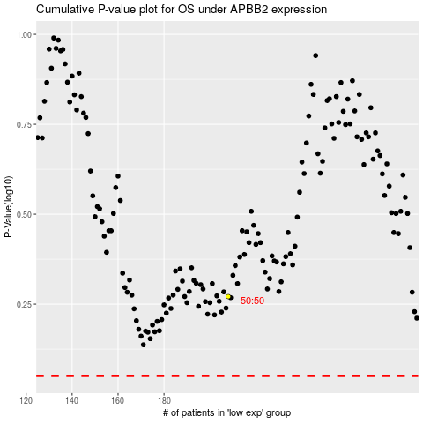

 |  |  |  |  |  | cases_OS | p_OS | rank | exp
 |  |  |  |  |  |  | cases_RFS | p_RFS | rank | exp

