APC _multivariate
Reported by Tex Li-Hsing Chi. tex@gate.sinica.edu.tw 2019-08-22

Table 2. The clinicopathological features of HNSCC cohort and APC expression. (Chi square test)
Cutoff at -0.131 (49.8%)
 |  | APC expression |  | APC expression |  | (Optimised)
 | Features | Low | (%) | High | (%) | Case no | P-value | Remark | Matthews
Gender | Female | 153 | 36.9 | 153 | 36.9 | 415 | 1 | 0 | 0
2 | Male | 54 | 13 | 55 | 13.3
Age at diagnosis | <=65y | 133 | 32 | 141 | 34 | 415 | 0.5111 | 0 | 0
4 | >65y | 74 | 17.8 | 67 | 16.1
Clinical T Status | T1+T2 | 61 | 14.7 | 88 | 21.2 | 415 | 0.0087 | 1 | 0
6 | T3+T4 | 146 | 35.2 | 120 | 28.9
Clinical N Status | N0 | 104 | 25.1 | 112 | 27 | 415 | 0.5243 | 0 | 0
8 | N1-3 | 103 | 24.8 | 96 | 23.1
Clinical M Status | M0 | 204 | 49.2 | 208 | 50.1 | 415 | 0.1232 | 0 | 0
10 | M1 | 3 | 0.7 | 0 | 0
Clinical Stage | Stage I+II | 45 | 10.8 | 57 | 13.7 | 415 | 0.2202 | 0 | 0
12 | Stage III+IV | 162 | 39 | 151 | 36.4
Surgical Margin status | Negative | 154 | 37.1 | 164 | 39.5 | 415 | 0.2984 | 0 | 0
14 | Positive | 53 | 12.8 | 44 | 10.6
Tobacco Exposure | Low | 84 | 20.2 | 77 | 18.6 | 415 | 0.4816 | 0 | 0
16 | High | 123 | 29.6 | 131 | 31.6

Table 3. Univariate/Multivariate Cox's proportional hazards regression analyses on OS time of APC gene expression in HNSCC

 |  | Univariate |  |  |  | Multivariate
 | Features | HR | CI95%(L) | CI95%(H) | P-value | HR | CI95%(L) | CI95%(H) | P-value
1 | Female | 1 |  |  |  | 1
Gender | Male | 1.157 | 0.843 | 1.587 | 0.367 | 1.198 | 0.857 | 1.674 | 0.291
11 | <=65y | 1 |  |  |  | 1
Age at diagnosis | >65y | 1.329 | 0.99 | 1.784 | 0.058 | 1.39 | 1.022 | 1.89 | 0.036
12 | T1+T2 | 1 |  |  |  | 1
Clinical T Status | T3+T4 | 1.409 | 1.028 | 1.931 | 0.033 | 2.17 | 1.139 | 4.133 | 0.018
13 | N0 | 1 |  |  |  | 1
Clinical N Status | N1-3 | 1.185 | 0.89 | 1.577 | 0.246 | 1.236 | 0.866 | 1.765 | 0.243
14 | M0 | 1 |  |  |  | 1
Clinical M Status | M1 | 4.097 | 1.009 | 16.644 | 0.049 | 9.085 | 1.95 | 42.326 | 0.005
15 | Stage I+II | 1 |  |  |  | 1
Clinical Stage | Stage III+IV | 1.245 | 0.882 | 1.759 | 0.213 | 0.509 | 0.237 | 1.095 | 0.084
16 | Negative | 1 |  |  |  | 1
Surgical Margin status | Positive | 1.591 | 1.155 | 2.191 | 0.004 | 1.665 | 1.204 | 2.303 | 0.002
17 | Low | 1 |  |  |  | 1
Tobacco Exposure | High | 1.364 | 1.008 | 1.844 | 0.044 | 1.452 | 1.054 | 2 | 0.022
18 | Low | 1 |  |  |  | 1
RNAseq(z-score) | High | 0.823 | 0.618 | 1.096 | 0.183 | 0.955 | 0.71 | 1.284 | 0.761

Table 4. Univariate/Multivariate Cox's proportional hazards regression analyses on RFS time of APC gene expression in HNSCC

 |  | Univariate |  |  |  | Multivariate
 | Features | HR | CI95%(L) | CI95%(H) | P-value | HR | CI95%(L) | CI95%(H) | P-value
1 | Female | 1 |  |  |  | 1
Gender | Male | 1.157 | 0.843 | 1.587 | 0.367 | 1.198 | 0.857 | 1.674 | 0.291
11 | <=65y | 1 |  |  |  | 1
Age at diagnosis | >65y | 1.329 | 0.99 | 1.784 | 0.058 | 1.39 | 1.022 | 1.89 | 0.036
12 | T1+T2 | 1 |  |  |  | 1
Clinical T Status | T3+T4 | 1.409 | 1.028 | 1.931 | 0.033 | 2.17 | 1.139 | 4.133 | 0.018
13 | N0 | 1 |  |  |  | 1
Clinical N Status | N1-3 | 1.185 | 0.89 | 1.577 | 0.246 | 1.236 | 0.866 | 1.765 | 0.243
14 | M0 | 1 |  |  |  | 1
Clinical M Status | M1 | 4.097 | 1.009 | 16.644 | 0.049 | 9.085 | 1.95 | 42.326 | 0.005
15 | Stage I+II | 1 |  |  |  | 1
Clinical Stage | Stage III+IV | 1.245 | 0.882 | 1.759 | 0.213 | 0.509 | 0.237 | 1.095 | 0.084
16 | Negative | 1 |  |  |  | 1
Surgical Margin status | Positive | 1.591 | 1.155 | 2.191 | 0.004 | 1.665 | 1.204 | 2.303 | 0.002
17 | Low | 1 |  |  |  | 1
Tobacco Exposure | High | 1.364 | 1.008 | 1.844 | 0.044 | 1.452 | 1.054 | 2 | 0.022
18 | Low | 1 |  |  |  | 1
RNAseq(z-score) | High | 0.823 | 0.618 | 1.096 | 0.183 | 0.955 | 0.71 | 1.284 | 0.761

Kaplan-Meier survival estimate: Cutoff at -0.131 (49.8%)



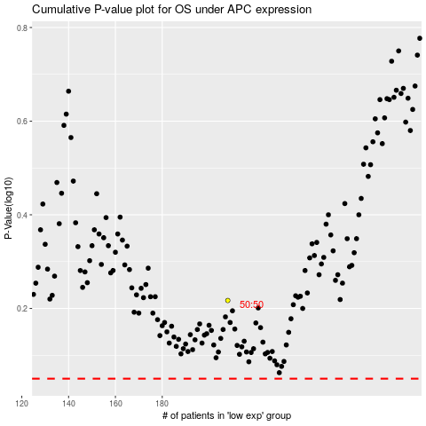

 |  |  |  |  |  | cases_OS | p_OS | rank | exp
 |  |  |  |  |  |  | cases_RFS | p_RFS | rank | exp

