APEX1 _multivariate
Reported by Tex Li-Hsing Chi. tex@gate.sinica.edu.tw 2019-08-22

Table 2. The clinicopathological features of HNSCC cohort and APEX1 expression. (Chi square test)
Cutoff at -0.148 (49.8%)
 |  | APEX1 expression |  | APEX1 expression |  | (Optimised)
 | Features | Low | (%) | High | (%) | Case no | P-value | Remark | Matthews
Gender | Female | 146 | 35.2 | 160 | 38.6 | 415 | 0.1714 | 0 | 0
2 | Male | 61 | 14.7 | 48 | 11.6
Age at diagnosis | <=65y | 134 | 32.3 | 140 | 33.7 | 415 | 0.6529 | 0 | 0
4 | >65y | 73 | 17.6 | 68 | 16.4
Clinical T Status | T1+T2 | 77 | 18.6 | 72 | 17.3 | 415 | 0.6556 | 0 | 0
6 | T3+T4 | 130 | 31.3 | 136 | 32.8
Clinical N Status | N0 | 110 | 26.5 | 106 | 25.5 | 415 | 0.7294 | 0 | 0
8 | N1-3 | 97 | 23.4 | 102 | 24.6
Clinical M Status | M0 | 205 | 49.4 | 207 | 49.9 | 415 | 0.6232 | 0 | 0
10 | M1 | 2 | 0.5 | 1 | 0.2
Clinical Stage | Stage I+II | 51 | 12.3 | 51 | 12.3 | 415 | 1 | 0 | 0
12 | Stage III+IV | 156 | 37.6 | 157 | 37.8
Surgical Margin status | Negative | 164 | 39.5 | 154 | 37.1 | 415 | 0.2462 | 0 | 0
14 | Positive | 43 | 10.4 | 54 | 13
Tobacco Exposure | Low | 87 | 21 | 74 | 17.8 | 415 | 0.1911 | 0 | 0
16 | High | 120 | 28.9 | 134 | 32.3

Table 3. Univariate/Multivariate Cox's proportional hazards regression analyses on OS time of APEX1 gene expression in HNSCC

 |  | Univariate |  |  |  | Multivariate
 | Features | HR | CI95%(L) | CI95%(H) | P-value | HR | CI95%(L) | CI95%(H) | P-value
1 | Female | 1 |  |  |  | 1
Gender | Male | 1.157 | 0.843 | 1.587 | 0.367 | 1.222 | 0.872 | 1.713 | 0.243
11 | <=65y | 1 |  |  |  | 1
Age at diagnosis | >65y | 1.329 | 0.99 | 1.784 | 0.058 | 1.404 | 1.032 | 1.91 | 0.031
12 | T1+T2 | 1 |  |  |  | 1
Clinical T Status | T3+T4 | 1.409 | 1.028 | 1.931 | 0.033 | 2.147 | 1.134 | 4.066 | 0.019
13 | N0 | 1 |  |  |  | 1
Clinical N Status | N1-3 | 1.185 | 0.89 | 1.577 | 0.246 | 1.233 | 0.863 | 1.76 | 0.25
14 | M0 | 1 |  |  |  | 1
Clinical M Status | M1 | 4.097 | 1.009 | 16.644 | 0.049 | 9.826 | 2.14 | 45.126 | 0.003
15 | Stage I+II | 1 |  |  |  | 1
Clinical Stage | Stage III+IV | 1.245 | 0.882 | 1.759 | 0.213 | 0.516 | 0.24 | 1.108 | 0.09
16 | Negative | 1 |  |  |  | 1
Surgical Margin status | Positive | 1.591 | 1.155 | 2.191 | 0.004 | 1.664 | 1.204 | 2.3 | 0.002
17 | Low | 1 |  |  |  | 1
Tobacco Exposure | High | 1.364 | 1.008 | 1.844 | 0.044 | 1.455 | 1.054 | 2.007 | 0.022
18 | Low | 1 |  |  |  | 1
RNAseq(z-score) | High | 1.225 | 0.919 | 1.633 | 0.166 | 1.204 | 0.901 | 1.61 | 0.208

Table 4. Univariate/Multivariate Cox's proportional hazards regression analyses on RFS time of APEX1 gene expression in HNSCC

 |  | Univariate |  |  |  | Multivariate
 | Features | HR | CI95%(L) | CI95%(H) | P-value | HR | CI95%(L) | CI95%(H) | P-value
1 | Female | 1 |  |  |  | 1
Gender | Male | 1.157 | 0.843 | 1.587 | 0.367 | 1.222 | 0.872 | 1.713 | 0.243
11 | <=65y | 1 |  |  |  | 1
Age at diagnosis | >65y | 1.329 | 0.99 | 1.784 | 0.058 | 1.404 | 1.032 | 1.91 | 0.031
12 | T1+T2 | 1 |  |  |  | 1
Clinical T Status | T3+T4 | 1.409 | 1.028 | 1.931 | 0.033 | 2.147 | 1.134 | 4.066 | 0.019
13 | N0 | 1 |  |  |  | 1
Clinical N Status | N1-3 | 1.185 | 0.89 | 1.577 | 0.246 | 1.233 | 0.863 | 1.76 | 0.25
14 | M0 | 1 |  |  |  | 1
Clinical M Status | M1 | 4.097 | 1.009 | 16.644 | 0.049 | 9.826 | 2.14 | 45.126 | 0.003
15 | Stage I+II | 1 |  |  |  | 1
Clinical Stage | Stage III+IV | 1.245 | 0.882 | 1.759 | 0.213 | 0.516 | 0.24 | 1.108 | 0.09
16 | Negative | 1 |  |  |  | 1
Surgical Margin status | Positive | 1.591 | 1.155 | 2.191 | 0.004 | 1.664 | 1.204 | 2.3 | 0.002
17 | Low | 1 |  |  |  | 1
Tobacco Exposure | High | 1.364 | 1.008 | 1.844 | 0.044 | 1.455 | 1.054 | 2.007 | 0.022
18 | Low | 1 |  |  |  | 1
RNAseq(z-score) | High | 1.225 | 0.919 | 1.633 | 0.166 | 1.204 | 0.901 | 1.61 | 0.208

Kaplan-Meier survival estimate: Cutoff at -0.148 (49.8%)



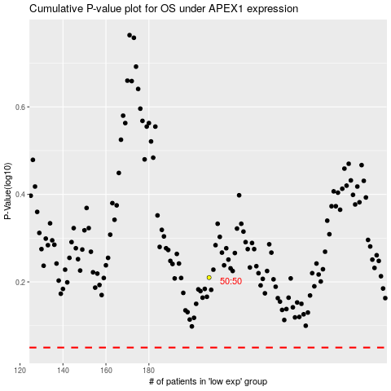

 |  |  |  |  |  | cases_OS | p_OS | rank | exp
 |  |  |  |  |  |  | cases_RFS | p_RFS | rank | exp

