APIP _multivariate
Reported by Tex Li-Hsing Chi. tex@gate.sinica.edu.tw 2019-08-22

Table 2. The clinicopathological features of HNSCC cohort and APIP expression. (Chi square test)
Cutoff at -0.257 (49.8%)
 |  | APIP expression |  | APIP expression |  | (Optimised)
 | Features | Low | (%) | High | (%) | Case no | P-value | Remark | Matthews
Gender | Female | 147 | 35.4 | 159 | 38.3 | 415 | 0.2523 | 0 | 0
2 | Male | 60 | 14.5 | 49 | 11.8
Age at diagnosis | <=65y | 133 | 32 | 141 | 34 | 415 | 0.5111 | 0 | 0
4 | >65y | 74 | 17.8 | 67 | 16.1
Clinical T Status | T1+T2 | 62 | 14.9 | 87 | 21 | 415 | 0.0156 | 1 | 0
6 | T3+T4 | 145 | 34.9 | 121 | 29.2
Clinical N Status | N0 | 110 | 26.5 | 106 | 25.5 | 415 | 0.7294 | 0 | 0
8 | N1-3 | 97 | 23.4 | 102 | 24.6
Clinical M Status | M0 | 204 | 49.2 | 208 | 50.1 | 415 | 0.1232 | 0 | 0
10 | M1 | 3 | 0.7 | 0 | 0
Clinical Stage | Stage I+II | 41 | 9.9 | 61 | 14.7 | 415 | 0.0325 | 1 | 0
12 | Stage III+IV | 166 | 40 | 147 | 35.4
Surgical Margin status | Negative | 167 | 40.2 | 151 | 36.4 | 415 | 0.0632 | 0 | 0
14 | Positive | 40 | 9.6 | 57 | 13.7
Tobacco Exposure | Low | 86 | 20.7 | 75 | 18.1 | 415 | 0.2687 | 0 | 0
16 | High | 121 | 29.2 | 133 | 32

Table 3. Univariate/Multivariate Cox's proportional hazards regression analyses on OS time of APIP gene expression in HNSCC

 |  | Univariate |  |  |  | Multivariate
 | Features | HR | CI95%(L) | CI95%(H) | P-value | HR | CI95%(L) | CI95%(H) | P-value
1 | Female | 1 |  |  |  | 1
Gender | Male | 1.157 | 0.843 | 1.587 | 0.367 | 1.23 | 0.879 | 1.721 | 0.227
11 | <=65y | 1 |  |  |  | 1
Age at diagnosis | >65y | 1.329 | 0.99 | 1.784 | 0.058 | 1.404 | 1.033 | 1.908 | 0.03
12 | T1+T2 | 1 |  |  |  | 1
Clinical T Status | T3+T4 | 1.409 | 1.028 | 1.931 | 0.033 | 2.239 | 1.183 | 4.239 | 0.013
13 | N0 | 1 |  |  |  | 1
Clinical N Status | N1-3 | 1.185 | 0.89 | 1.577 | 0.246 | 1.196 | 0.835 | 1.713 | 0.329
14 | M0 | 1 |  |  |  | 1
Clinical M Status | M1 | 4.097 | 1.009 | 16.644 | 0.049 | 10.713 | 2.307 | 49.754 | 0.002
15 | Stage I+II | 1 |  |  |  | 1
Clinical Stage | Stage III+IV | 1.245 | 0.882 | 1.759 | 0.213 | 0.524 | 0.243 | 1.127 | 0.098
16 | Negative | 1 |  |  |  | 1
Surgical Margin status | Positive | 1.591 | 1.155 | 2.191 | 0.004 | 1.625 | 1.172 | 2.251 | 0.004
17 | Low | 1 |  |  |  | 1
Tobacco Exposure | High | 1.364 | 1.008 | 1.844 | 0.044 | 1.435 | 1.041 | 1.977 | 0.027
18 | Low | 1 |  |  |  | 1
RNAseq(z-score) | High | 1.186 | 0.891 | 1.58 | 0.242 | 1.224 | 0.906 | 1.653 | 0.187

Table 4. Univariate/Multivariate Cox's proportional hazards regression analyses on RFS time of APIP gene expression in HNSCC

 |  | Univariate |  |  |  | Multivariate
 | Features | HR | CI95%(L) | CI95%(H) | P-value | HR | CI95%(L) | CI95%(H) | P-value
1 | Female | 1 |  |  |  | 1
Gender | Male | 1.157 | 0.843 | 1.587 | 0.367 | 1.23 | 0.879 | 1.721 | 0.227
11 | <=65y | 1 |  |  |  | 1
Age at diagnosis | >65y | 1.329 | 0.99 | 1.784 | 0.058 | 1.404 | 1.033 | 1.908 | 0.03
12 | T1+T2 | 1 |  |  |  | 1
Clinical T Status | T3+T4 | 1.409 | 1.028 | 1.931 | 0.033 | 2.239 | 1.183 | 4.239 | 0.013
13 | N0 | 1 |  |  |  | 1
Clinical N Status | N1-3 | 1.185 | 0.89 | 1.577 | 0.246 | 1.196 | 0.835 | 1.713 | 0.329
14 | M0 | 1 |  |  |  | 1
Clinical M Status | M1 | 4.097 | 1.009 | 16.644 | 0.049 | 10.713 | 2.307 | 49.754 | 0.002
15 | Stage I+II | 1 |  |  |  | 1
Clinical Stage | Stage III+IV | 1.245 | 0.882 | 1.759 | 0.213 | 0.524 | 0.243 | 1.127 | 0.098
16 | Negative | 1 |  |  |  | 1
Surgical Margin status | Positive | 1.591 | 1.155 | 2.191 | 0.004 | 1.625 | 1.172 | 2.251 | 0.004
17 | Low | 1 |  |  |  | 1
Tobacco Exposure | High | 1.364 | 1.008 | 1.844 | 0.044 | 1.435 | 1.041 | 1.977 | 0.027
18 | Low | 1 |  |  |  | 1
RNAseq(z-score) | High | 1.186 | 0.891 | 1.58 | 0.242 | 1.224 | 0.906 | 1.653 | 0.187

Kaplan-Meier survival estimate: Cutoff at -0.257 (49.8%)



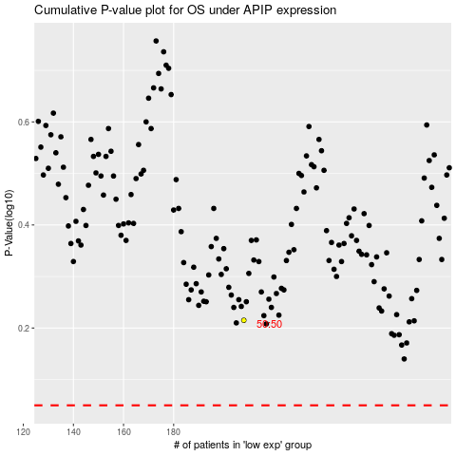

 |  |  |  |  |  | cases_OS | p_OS | rank | exp
 |  |  |  |  |  |  | cases_RFS | p_RFS | rank | exp

