APITD1 _multivariate
Reported by Tex Li-Hsing Chi. tex@gate.sinica.edu.tw 2019-08-22

Table 2. The clinicopathological features of HNSCC cohort and APITD1 expression. (Chi square test)
Cutoff at -0.274 (49.8%)
 |  | APITD1 expression |  | APITD1 expression |  | (Optimised)
 | Features | Low | (%) | High | (%) | Case no | P-value | Remark | Matthews
Gender | Female | 146 | 35.2 | 160 | 38.6 | 415 | 0.1714 | 0 | 0
2 | Male | 61 | 14.7 | 48 | 11.6
Age at diagnosis | <=65y | 141 | 34 | 133 | 32 | 415 | 0.4272 | 0 | 0
4 | >65y | 66 | 15.9 | 75 | 18.1
Clinical T Status | T1+T2 | 76 | 18.3 | 73 | 17.6 | 415 | 0.8092 | 0 | 0
6 | T3+T4 | 131 | 31.6 | 135 | 32.5
Clinical N Status | N0 | 111 | 26.7 | 105 | 25.3 | 415 | 0.5875 | 0 | 0
8 | N1-3 | 96 | 23.1 | 103 | 24.8
Clinical M Status | M0 | 207 | 49.9 | 205 | 49.4 | 415 | 0.2482 | 0 | 0
10 | M1 | 0 | 0 | 3 | 0.7
Clinical Stage | Stage I+II | 58 | 14 | 44 | 10.6 | 415 | 0.131 | 0 | 0
12 | Stage III+IV | 149 | 35.9 | 164 | 39.5
Surgical Margin status | Negative | 166 | 40 | 152 | 36.6 | 415 | 0.1042 | 0 | 0
14 | Positive | 41 | 9.9 | 56 | 13.5
Tobacco Exposure | Low | 91 | 21.9 | 70 | 16.9 | 415 | 0.0346 | 1 | 0
16 | High | 116 | 28 | 138 | 33.3

Table 3. Univariate/Multivariate Cox's proportional hazards regression analyses on OS time of APITD1 gene expression in HNSCC

 |  | Univariate |  |  |  | Multivariate
 | Features | HR | CI95%(L) | CI95%(H) | P-value | HR | CI95%(L) | CI95%(H) | P-value
1 | Female | 1 |  |  |  | 1
Gender | Male | 1.157 | 0.843 | 1.587 | 0.367 | 1.206 | 0.862 | 1.686 | 0.274
11 | <=65y | 1 |  |  |  | 1
Age at diagnosis | >65y | 1.329 | 0.99 | 1.784 | 0.058 | 1.384 | 1.016 | 1.886 | 0.04
12 | T1+T2 | 1 |  |  |  | 1
Clinical T Status | T3+T4 | 1.409 | 1.028 | 1.931 | 0.033 | 2.213 | 1.169 | 4.189 | 0.015
13 | N0 | 1 |  |  |  | 1
Clinical N Status | N1-3 | 1.185 | 0.89 | 1.577 | 0.246 | 1.241 | 0.87 | 1.771 | 0.234
14 | M0 | 1 |  |  |  | 1
Clinical M Status | M1 | 4.097 | 1.009 | 16.644 | 0.049 | 9.258 | 2.011 | 42.627 | 0.004
15 | Stage I+II | 1 |  |  |  | 1
Clinical Stage | Stage III+IV | 1.245 | 0.882 | 1.759 | 0.213 | 0.501 | 0.233 | 1.077 | 0.077
16 | Negative | 1 |  |  |  | 1
Surgical Margin status | Positive | 1.591 | 1.155 | 2.191 | 0.004 | 1.665 | 1.203 | 2.303 | 0.002
17 | Low | 1 |  |  |  | 1
Tobacco Exposure | High | 1.364 | 1.008 | 1.844 | 0.044 | 1.443 | 1.043 | 1.996 | 0.027
18 | Low | 1 |  |  |  | 1
RNAseq(z-score) | High | 1.155 | 0.861 | 1.549 | 0.335 | 1.042 | 0.768 | 1.415 | 0.79

Table 4. Univariate/Multivariate Cox's proportional hazards regression analyses on RFS time of APITD1 gene expression in HNSCC

 |  | Univariate |  |  |  | Multivariate
 | Features | HR | CI95%(L) | CI95%(H) | P-value | HR | CI95%(L) | CI95%(H) | P-value
1 | Female | 1 |  |  |  | 1
Gender | Male | 1.157 | 0.843 | 1.587 | 0.367 | 1.206 | 0.862 | 1.686 | 0.274
11 | <=65y | 1 |  |  |  | 1
Age at diagnosis | >65y | 1.329 | 0.99 | 1.784 | 0.058 | 1.384 | 1.016 | 1.886 | 0.04
12 | T1+T2 | 1 |  |  |  | 1
Clinical T Status | T3+T4 | 1.409 | 1.028 | 1.931 | 0.033 | 2.213 | 1.169 | 4.189 | 0.015
13 | N0 | 1 |  |  |  | 1
Clinical N Status | N1-3 | 1.185 | 0.89 | 1.577 | 0.246 | 1.241 | 0.87 | 1.771 | 0.234
14 | M0 | 1 |  |  |  | 1
Clinical M Status | M1 | 4.097 | 1.009 | 16.644 | 0.049 | 9.258 | 2.011 | 42.627 | 0.004
15 | Stage I+II | 1 |  |  |  | 1
Clinical Stage | Stage III+IV | 1.245 | 0.882 | 1.759 | 0.213 | 0.501 | 0.233 | 1.077 | 0.077
16 | Negative | 1 |  |  |  | 1
Surgical Margin status | Positive | 1.591 | 1.155 | 2.191 | 0.004 | 1.665 | 1.203 | 2.303 | 0.002
17 | Low | 1 |  |  |  | 1
Tobacco Exposure | High | 1.364 | 1.008 | 1.844 | 0.044 | 1.443 | 1.043 | 1.996 | 0.027
18 | Low | 1 |  |  |  | 1
RNAseq(z-score) | High | 1.155 | 0.861 | 1.549 | 0.335 | 1.042 | 0.768 | 1.415 | 0.79

Kaplan-Meier survival estimate: Cutoff at -0.274 (49.8%)



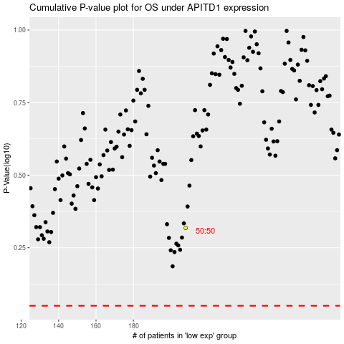

 |  |  |  |  |  | cases_OS | p_OS | rank | exp
 |  |  |  |  |  |  | cases_RFS | p_RFS | rank | exp

