APOA1 _multivariate
Reported by Tex Li-Hsing Chi. tex@gate.sinica.edu.tw 2019-08-22

Table 2. The clinicopathological features of HNSCC cohort and APOA1 expression. (Chi square test)
Cutoff at -0.184 (50.0%)
 |  | APOA1 expression |  | APOA1 expression |  | (Optimised)
 | Features | Low | (%) | High | (%) | Case no | P-value | Remark | Matthews
Gender | Female | 148 | 35.7 | 158 | 38.1 | 415 | 0.3567 | 0 | 0
2 | Male | 59 | 14.2 | 50 | 12
Age at diagnosis | <=65y | 131 | 31.6 | 143 | 34.5 | 415 | 0.2839 | 0 | 0
4 | >65y | 76 | 18.3 | 65 | 15.7
Clinical T Status | T1+T2 | 77 | 18.6 | 72 | 17.3 | 415 | 0.6556 | 0 | 0
6 | T3+T4 | 130 | 31.3 | 136 | 32.8
Clinical N Status | N0 | 110 | 26.5 | 106 | 25.5 | 415 | 0.7294 | 0 | 0
8 | N1-3 | 97 | 23.4 | 102 | 24.6
Clinical M Status | M0 | 206 | 49.6 | 206 | 49.6 | 415 | 1 | 0 | 0
10 | M1 | 1 | 0.2 | 2 | 0.5
Clinical Stage | Stage I+II | 54 | 13 | 48 | 11.6 | 415 | 0.5498 | 0 | 0
12 | Stage III+IV | 153 | 36.9 | 160 | 38.6
Surgical Margin status | Negative | 163 | 39.3 | 155 | 37.3 | 415 | 0.3537 | 0 | 0
14 | Positive | 44 | 10.6 | 53 | 12.8
Tobacco Exposure | Low | 103 | 24.8 | 58 | 14 | 415 | 0 | 1 | 0
16 | High | 104 | 25.1 | 150 | 36.1

Table 3. Univariate/Multivariate Cox's proportional hazards regression analyses on OS time of APOA1 gene expression in HNSCC

 |  | Univariate |  |  |  | Multivariate
 | Features | HR | CI95%(L) | CI95%(H) | P-value | HR | CI95%(L) | CI95%(H) | P-value
1 | Female | 1 |  |  |  | 1
Gender | Male | 1.157 | 0.843 | 1.587 | 0.367 | 1.213 | 0.868 | 1.695 | 0.257
11 | <=65y | 1 |  |  |  | 1
Age at diagnosis | >65y | 1.329 | 0.99 | 1.784 | 0.058 | 1.376 | 1.012 | 1.872 | 0.042
12 | T1+T2 | 1 |  |  |  | 1
Clinical T Status | T3+T4 | 1.409 | 1.028 | 1.931 | 0.033 | 2.221 | 1.174 | 4.202 | 0.014
13 | N0 | 1 |  |  |  | 1
Clinical N Status | N1-3 | 1.185 | 0.89 | 1.577 | 0.246 | 1.239 | 0.868 | 1.767 | 0.238
14 | M0 | 1 |  |  |  | 1
Clinical M Status | M1 | 4.097 | 1.009 | 16.644 | 0.049 | 10.012 | 2.174 | 46.103 | 0.003
15 | Stage I+II | 1 |  |  |  | 1
Clinical Stage | Stage III+IV | 1.245 | 0.882 | 1.759 | 0.213 | 0.495 | 0.231 | 1.064 | 0.072
16 | Negative | 1 |  |  |  | 1
Surgical Margin status | Positive | 1.591 | 1.155 | 2.191 | 0.004 | 1.696 | 1.226 | 2.346 | 0.001
17 | Low | 1 |  |  |  | 1
Tobacco Exposure | High | 1.364 | 1.008 | 1.844 | 0.044 | 1.513 | 1.089 | 2.103 | 0.014
18 | Low | 1 |  |  |  | 1
RNAseq(z-score) | High | 0.957 | 0.719 | 1.276 | 0.767 | 0.852 | 0.632 | 1.148 | 0.292

Table 4. Univariate/Multivariate Cox's proportional hazards regression analyses on RFS time of APOA1 gene expression in HNSCC

 |  | Univariate |  |  |  | Multivariate
 | Features | HR | CI95%(L) | CI95%(H) | P-value | HR | CI95%(L) | CI95%(H) | P-value
1 | Female | 1 |  |  |  | 1
Gender | Male | 1.157 | 0.843 | 1.587 | 0.367 | 1.213 | 0.868 | 1.695 | 0.257
11 | <=65y | 1 |  |  |  | 1
Age at diagnosis | >65y | 1.329 | 0.99 | 1.784 | 0.058 | 1.376 | 1.012 | 1.872 | 0.042
12 | T1+T2 | 1 |  |  |  | 1
Clinical T Status | T3+T4 | 1.409 | 1.028 | 1.931 | 0.033 | 2.221 | 1.174 | 4.202 | 0.014
13 | N0 | 1 |  |  |  | 1
Clinical N Status | N1-3 | 1.185 | 0.89 | 1.577 | 0.246 | 1.239 | 0.868 | 1.767 | 0.238
14 | M0 | 1 |  |  |  | 1
Clinical M Status | M1 | 4.097 | 1.009 | 16.644 | 0.049 | 10.012 | 2.174 | 46.103 | 0.003
15 | Stage I+II | 1 |  |  |  | 1
Clinical Stage | Stage III+IV | 1.245 | 0.882 | 1.759 | 0.213 | 0.495 | 0.231 | 1.064 | 0.072
16 | Negative | 1 |  |  |  | 1
Surgical Margin status | Positive | 1.591 | 1.155 | 2.191 | 0.004 | 1.696 | 1.226 | 2.346 | 0.001
17 | Low | 1 |  |  |  | 1
Tobacco Exposure | High | 1.364 | 1.008 | 1.844 | 0.044 | 1.513 | 1.089 | 2.103 | 0.014
18 | Low | 1 |  |  |  | 1
RNAseq(z-score) | High | 0.957 | 0.719 | 1.276 | 0.767 | 0.852 | 0.632 | 1.148 | 0.292

Kaplan-Meier survival estimate: Cutoff at -0.184 (50.0%)



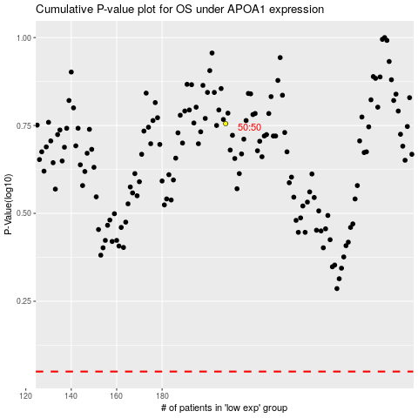

 |  |  |  |  |  | cases_OS | p_OS | rank | exp
 |  |  |  |  |  |  | cases_RFS | p_RFS | rank | exp

