APOB48R _multivariate
Reported by Tex Li-Hsing Chi. tex@gate.sinica.edu.tw 2019-08-22

Table 2. The clinicopathological features of HNSCC cohort and APOB48R expression. (Chi square test)
Cutoff at -0.31 (49.8%)
 |  | APOB48R expression |  | APOB48R expression |  | (Optimised)
 | Features | Low | (%) | High | (%) | Case no | P-value | Remark | Matthews
Gender | Female | 164 | 39.5 | 142 | 34.2 | 415 | 0.0153 | 1 | 0
2 | Male | 43 | 10.4 | 66 | 15.9
Age at diagnosis | <=65y | 147 | 35.4 | 127 | 30.6 | 415 | 0.0416 | 1 | 0
4 | >65y | 60 | 14.5 | 81 | 19.5
Clinical T Status | T1+T2 | 67 | 16.1 | 82 | 19.8 | 415 | 0.1628 | 0 | 0
6 | T3+T4 | 140 | 33.7 | 126 | 30.4
Clinical N Status | N0 | 113 | 27.2 | 103 | 24.8 | 415 | 0.3495 | 1 | 0
8 | N1-3 | 94 | 22.7 | 105 | 25.3
Clinical M Status | M0 | 206 | 49.6 | 206 | 49.6 | 415 | 1 | 0 | 0
10 | M1 | 1 | 0.2 | 2 | 0.5
Clinical Stage | Stage I+II | 47 | 11.3 | 55 | 13.3 | 415 | 0.4413 | 0 | 0
12 | Stage III+IV | 160 | 38.6 | 153 | 36.9
Surgical Margin status | Negative | 154 | 37.1 | 164 | 39.5 | 415 | 0.2984 | 0 | 0
14 | Positive | 53 | 12.8 | 44 | 10.6
Tobacco Exposure | Low | 72 | 17.3 | 89 | 21.4 | 415 | 0.1071 | 0 | 0
16 | High | 135 | 32.5 | 119 | 28.7

Table 3. Univariate/Multivariate Cox's proportional hazards regression analyses on OS time of APOB48R gene expression in HNSCC

 |  | Univariate |  |  |  | Multivariate
 | Features | HR | CI95%(L) | CI95%(H) | P-value | HR | CI95%(L) | CI95%(H) | P-value
1 | Female | 1 |  |  |  | 1
Gender | Male | 1.157 | 0.843 | 1.587 | 0.367 | 1.222 | 0.874 | 1.709 | 0.24
11 | <=65y | 1 |  |  |  | 1
Age at diagnosis | >65y | 1.329 | 0.99 | 1.784 | 0.058 | 1.415 | 1.041 | 1.923 | 0.027
12 | T1+T2 | 1 |  |  |  | 1
Clinical T Status | T3+T4 | 1.409 | 1.028 | 1.931 | 0.033 | 2.183 | 1.155 | 4.126 | 0.016
13 | N0 | 1 |  |  |  | 1
Clinical N Status | N1-3 | 1.185 | 0.89 | 1.577 | 0.246 | 1.278 | 0.894 | 1.827 | 0.179
14 | M0 | 1 |  |  |  | 1
Clinical M Status | M1 | 4.097 | 1.009 | 16.644 | 0.049 | 10.032 | 2.184 | 46.073 | 0.003
15 | Stage I+II | 1 |  |  |  | 1
Clinical Stage | Stage III+IV | 1.245 | 0.882 | 1.759 | 0.213 | 0.494 | 0.23 | 1.059 | 0.07
16 | Negative | 1 |  |  |  | 1
Surgical Margin status | Positive | 1.591 | 1.155 | 2.191 | 0.004 | 1.683 | 1.217 | 2.326 | 0.002
17 | Low | 1 |  |  |  | 1
Tobacco Exposure | High | 1.364 | 1.008 | 1.844 | 0.044 | 1.437 | 1.042 | 1.98 | 0.027
18 | Low | 1 |  |  |  | 1
RNAseq(z-score) | High | 0.82 | 0.615 | 1.093 | 0.177 | 0.782 | 0.584 | 1.047 | 0.099

Table 4. Univariate/Multivariate Cox's proportional hazards regression analyses on RFS time of APOB48R gene expression in HNSCC

 |  | Univariate |  |  |  | Multivariate
 | Features | HR | CI95%(L) | CI95%(H) | P-value | HR | CI95%(L) | CI95%(H) | P-value
1 | Female | 1 |  |  |  | 1
Gender | Male | 1.157 | 0.843 | 1.587 | 0.367 | 1.222 | 0.874 | 1.709 | 0.24
11 | <=65y | 1 |  |  |  | 1
Age at diagnosis | >65y | 1.329 | 0.99 | 1.784 | 0.058 | 1.415 | 1.041 | 1.923 | 0.027
12 | T1+T2 | 1 |  |  |  | 1
Clinical T Status | T3+T4 | 1.409 | 1.028 | 1.931 | 0.033 | 2.183 | 1.155 | 4.126 | 0.016
13 | N0 | 1 |  |  |  | 1
Clinical N Status | N1-3 | 1.185 | 0.89 | 1.577 | 0.246 | 1.278 | 0.894 | 1.827 | 0.179
14 | M0 | 1 |  |  |  | 1
Clinical M Status | M1 | 4.097 | 1.009 | 16.644 | 0.049 | 10.032 | 2.184 | 46.073 | 0.003
15 | Stage I+II | 1 |  |  |  | 1
Clinical Stage | Stage III+IV | 1.245 | 0.882 | 1.759 | 0.213 | 0.494 | 0.23 | 1.059 | 0.07
16 | Negative | 1 |  |  |  | 1
Surgical Margin status | Positive | 1.591 | 1.155 | 2.191 | 0.004 | 1.683 | 1.217 | 2.326 | 0.002
17 | Low | 1 |  |  |  | 1
Tobacco Exposure | High | 1.364 | 1.008 | 1.844 | 0.044 | 1.437 | 1.042 | 1.98 | 0.027
18 | Low | 1 |  |  |  | 1
RNAseq(z-score) | High | 0.82 | 0.615 | 1.093 | 0.177 | 0.782 | 0.584 | 1.047 | 0.099

Kaplan-Meier survival estimate: Cutoff at -0.31 (49.8%)



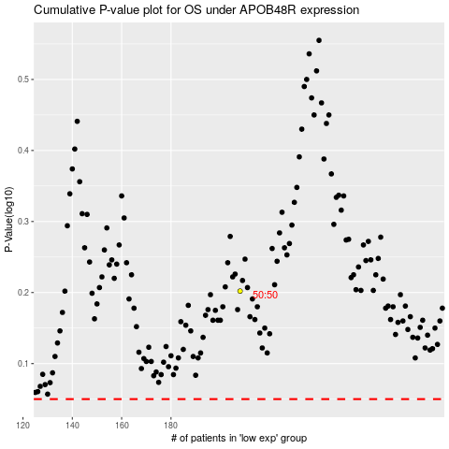

 |  |  |  |  |  | cases_OS | p_OS | rank | exp
 |  |  |  |  |  |  | cases_RFS | p_RFS | rank | exp

