APOBEC2 _multivariate
Reported by Tex Li-Hsing Chi. tex@gate.sinica.edu.tw 2019-08-22

Table 2. The clinicopathological features of HNSCC cohort and APOBEC2 expression. (Chi square test)
Cutoff at -0.209 (68.1%)
 |  | APOBEC2 expression |  | APOBEC2 expression |  | (Optimised)
 | Features | Low | (%) | High | (%) | Case no | P-value | Remark | Matthews
Gender | Female | 213 | 51.3 | 93 | 22.4 | 415 | 0.2749 | 0 | 0
2 | Male | 69 | 16.6 | 40 | 9.6
Age at diagnosis | <=65y | 178 | 42.9 | 96 | 23.1 | 415 | 0.0877 | 0 | 0
4 | >65y | 104 | 25.1 | 37 | 8.9
Clinical T Status | T1+T2 | 87 | 21 | 62 | 14.9 | 415 | 0.0026 | 1 | 0
6 | T3+T4 | 195 | 47 | 71 | 17.1
Clinical N Status | N0 | 149 | 35.9 | 67 | 16.1 | 415 | 0.7166 | 0 | 0
8 | N1-3 | 133 | 32 | 66 | 15.9
Clinical M Status | M0 | 279 | 67.2 | 133 | 32 | 415 | 0.5544 | 0 | 0
10 | M1 | 3 | 0.7 | 0 | 0
Clinical Stage | Stage I+II | 57 | 13.7 | 45 | 10.8 | 415 | 0.0039 | 1 | 0
12 | Stage III+IV | 225 | 54.2 | 88 | 21.2
Surgical Margin status | Negative | 212 | 51.1 | 106 | 25.5 | 415 | 0.3234 | 0 | 0
14 | Positive | 70 | 16.9 | 27 | 6.5
Tobacco Exposure | Low | 108 | 26 | 53 | 12.8 | 415 | 0.8292 | 0 | 0
16 | High | 174 | 41.9 | 80 | 19.3

Table 3. Univariate/Multivariate Cox's proportional hazards regression analyses on OS time of APOBEC2 gene expression in HNSCC

 |  | Univariate |  |  |  | Multivariate
 | Features | HR | CI95%(L) | CI95%(H) | P-value | HR | CI95%(L) | CI95%(H) | P-value
1 | Female | 1 |  |  |  | 1
Gender | Male | 1.157 | 0.843 | 1.587 | 0.367 | 1.154 | 0.826 | 1.612 | 0.4
11 | <=65y | 1 |  |  |  | 1
Age at diagnosis | >65y | 1.329 | 0.99 | 1.784 | 0.058 | 1.48 | 1.084 | 2.022 | 0.014
12 | T1+T2 | 1 |  |  |  | 1
Clinical T Status | T3+T4 | 1.409 | 1.028 | 1.931 | 0.033 | 2.209 | 1.168 | 4.179 | 0.015
13 | N0 | 1 |  |  |  | 1
Clinical N Status | N1-3 | 1.185 | 0.89 | 1.577 | 0.246 | 1.193 | 0.834 | 1.705 | 0.335
14 | M0 | 1 |  |  |  | 1
Clinical M Status | M1 | 4.097 | 1.009 | 16.644 | 0.049 | 10.914 | 2.371 | 50.241 | 0.002
15 | Stage I+II | 1 |  |  |  | 1
Clinical Stage | Stage III+IV | 1.245 | 0.882 | 1.759 | 0.213 | 0.543 | 0.252 | 1.17 | 0.119
16 | Negative | 1 |  |  |  | 1
Surgical Margin status | Positive | 1.591 | 1.155 | 2.191 | 0.004 | 1.677 | 1.215 | 2.315 | 0.002
17 | Low | 1 |  |  |  | 1
Tobacco Exposure | High | 1.364 | 1.008 | 1.844 | 0.044 | 1.425 | 1.036 | 1.96 | 0.029
18 | Low | 1 |  |  |  | 1
RNAseq(z-score) | High | 1.423 | 1.06 | 1.909 | 0.019 | 1.54 | 1.136 | 2.088 | 0.005

Table 4. Univariate/Multivariate Cox's proportional hazards regression analyses on RFS time of APOBEC2 gene expression in HNSCC

 |  | Univariate |  |  |  | Multivariate
 | Features | HR | CI95%(L) | CI95%(H) | P-value | HR | CI95%(L) | CI95%(H) | P-value
1 | Female | 1 |  |  |  | 1
Gender | Male | 1.157 | 0.843 | 1.587 | 0.367 | 1.154 | 0.826 | 1.612 | 0.4
11 | <=65y | 1 |  |  |  | 1
Age at diagnosis | >65y | 1.329 | 0.99 | 1.784 | 0.058 | 1.48 | 1.084 | 2.022 | 0.014
12 | T1+T2 | 1 |  |  |  | 1
Clinical T Status | T3+T4 | 1.409 | 1.028 | 1.931 | 0.033 | 2.209 | 1.168 | 4.179 | 0.015
13 | N0 | 1 |  |  |  | 1
Clinical N Status | N1-3 | 1.185 | 0.89 | 1.577 | 0.246 | 1.193 | 0.834 | 1.705 | 0.335
14 | M0 | 1 |  |  |  | 1
Clinical M Status | M1 | 4.097 | 1.009 | 16.644 | 0.049 | 10.914 | 2.371 | 50.241 | 0.002
15 | Stage I+II | 1 |  |  |  | 1
Clinical Stage | Stage III+IV | 1.245 | 0.882 | 1.759 | 0.213 | 0.543 | 0.252 | 1.17 | 0.119
16 | Negative | 1 |  |  |  | 1
Surgical Margin status | Positive | 1.591 | 1.155 | 2.191 | 0.004 | 1.677 | 1.215 | 2.315 | 0.002
17 | Low | 1 |  |  |  | 1
Tobacco Exposure | High | 1.364 | 1.008 | 1.844 | 0.044 | 1.425 | 1.036 | 1.96 | 0.029
18 | Low | 1 |  |  |  | 1
RNAseq(z-score) | High | 1.423 | 1.06 | 1.909 | 0.019 | 1.54 | 1.136 | 2.088 | 0.005

Kaplan-Meier survival estimate: Cutoff at -0.209 (68.1%)

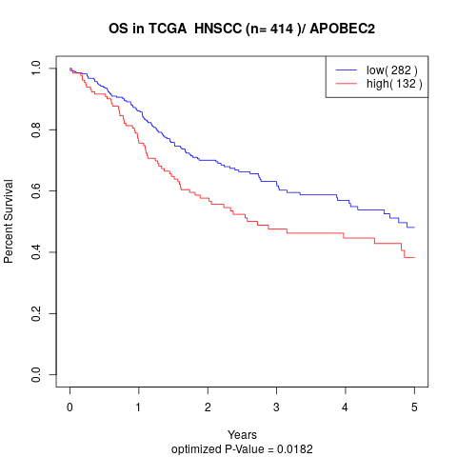

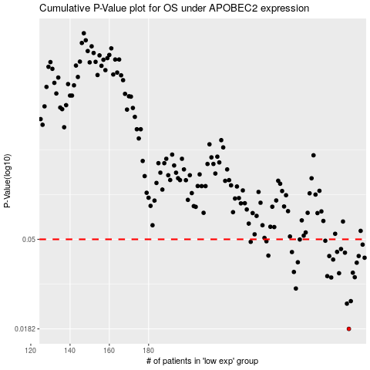

 |  |  |  |  |  | cases_OS | p_OS | rank | exp
 |  |  |  |  |  | 282 | 0.0182 | 302 | -0.20905819531
 |  |  |  |  |  | 281 | 0.0242 | 165 | -0.20947703372
 |  |  |  |  |  | 283 | 0.0249 | 67 | -0.20791694125
 |  |  |  |  |  | 255 | 0.0287 | 62 | -0.23378298284
 |  |  |  |  |  | 273 | 0.0325 | 249 | -0.21686679047
 |  |  |  |  |  | 285 | 0.0326 | 251 | -0.20576371636
 |  |  |  |  |  | 271 | 0.033 | 200 | -0.22027148267
 |  |  |  |  |  | 277 | 0.0341 | 385 | -0.21369598594
 |  |  |  |  |  | 284 | 0.0343 | 27 | -0.20743121769
 |  |  |  |  |  | 254 | 0.0346 | 357 | -0.23386977928
 |  |  |  |  |  | 286 | 0.0384 | 72 | -0.20554034522
 |  |  |  |  |  | 256 | 0.0386 | 1 | -0.23368468832
 |  |  |  |  |  | 274 | 0.0398 | 138 | -0.21671885792
 |  |  |  |  |  | 290 | 0.0406 | 68 | -0.20008675214
 |  |  |  |  |  | 287 | 0.0414 | 58 | -0.20496698389
 |  |  |  |  |  | 272 | 0.0414 | 192 | -0.21855742816
 |  |  |  |  |  | 241 | 0.0416 | 43 | -0.2406710309
 |  |  |  |  |  | 280 | 0.043 | 219 | -0.21139861446
 |  |  |  |  |  | 253 | 0.0433 | 34 | -0.23454353844
 |  |  |  |  |  | 276 | 0.0434 | 402 | -0.21588664968
 |  |  |  |  |  | 278 | 0.0448 | 379 | -0.21289420554
 |  |  |  |  |  | 289 | 0.0471 | 252 | -0.20130456655
 |  |  |  |  |  | 232 | 0.0486 | 155 | -0.24320719777
 |  |  |  |  |  | 240 | 0.0489 | 381 | -0.24107009823
 |  |  |  |  |  | 270 | 0.0492 | 188 | -0.22113439918
 |  |  |  |  |  | 257 | 0.0499 | 180 | -0.23318297963
 |  |  |  |  |  |  | cases_RFS | p_RFS | rank | exp
 |  |  |  |  |  |  | 281 | 0.0182 | 165 | -0.20947703372
 |  |  |  |  |  |  | 280 | 0.0242 | 219 | -0.21139861446
 |  |  |  |  |  |  | 282 | 0.0249 | 302 | -0.20905819531
 |  |  |  |  |  |  | 254 | 0.0287 | 357 | -0.23386977928
 |  |  |  |  |  |  | 272 | 0.0325 | 192 | -0.21855742816
 |  |  |  |  |  |  | 284 | 0.0326 | 27 | -0.20743121769
 |  |  |  |  |  |  | 270 | 0.033 | 188 | -0.22113439918
 |  |  |  |  |  |  | 276 | 0.0341 | 402 | -0.21588664968
 |  |  |  |  |  |  | 283 | 0.0343 | 67 | -0.20791694125
 |  |  |  |  |  |  | 253 | 0.0346 | 34 | -0.23454353844
 |  |  |  |  |  |  | 285 | 0.0384 | 251 | -0.20576371636
 |  |  |  |  |  |  | 255 | 0.0386 | 62 | -0.23378298284
 |  |  |  |  |  |  | 273 | 0.0398 | 249 | -0.21686679047
 |  |  |  |  |  |  | 289 | 0.0406 | 252 | -0.20130456655
 |  |  |  |  |  |  | 286 | 0.0414 | 72 | -0.20554034522
 |  |  |  |  |  |  | 271 | 0.0414 | 200 | -0.22027148267
 |  |  |  |  |  |  | 240 | 0.0416 | 381 | -0.24107009823
 |  |  |  |  |  |  | 279 | 0.043 | 110 | -0.21194659589
 |  |  |  |  |  |  | 252 | 0.0433 | 136 | -0.23530241139
 |  |  |  |  |  |  | 275 | 0.0434 | 168 | -0.21643575288
 |  |  |  |  |  |  | 277 | 0.0448 | 385 | -0.21369598594
 |  |  |  |  |  |  | 288 | 0.0471 | 269 | -0.20199164664
 |  |  |  |  |  |  | 231 | 0.0486 | 347 | -0.2435773797
 |  |  |  |  |  |  | 239 | 0.0489 | 94 | -0.24136596333
 |  |  |  |  |  |  | 269 | 0.0492 | 14 | -0.22428767615
 |  |  |  |  |  |  | 256 | 0.0499 | 1 | -0.23368468832

