APOBEC3A _multivariate
Reported by Tex Li-Hsing Chi. tex@gate.sinica.edu.tw 2019-08-22

Table 2. The clinicopathological features of HNSCC cohort and APOBEC3A expression. (Chi square test)
Cutoff at -0.293 (50.0%)
 |  | APOBEC3A expression |  | APOBEC3A expression |  | (Optimised)
 | Features | Low | (%) | High | (%) | Case no | P-value | Remark | Matthews
Gender | Female | 160 | 38.6 | 146 | 35.2 | 415 | 0.1254 | 0 | 0
2 | Male | 47 | 11.3 | 62 | 14.9
Age at diagnosis | <=65y | 137 | 33 | 137 | 33 | 415 | 1 | 0 | 0
4 | >65y | 70 | 16.9 | 71 | 17.1
Clinical T Status | T1+T2 | 80 | 19.3 | 69 | 16.6 | 415 | 0.2891 | 0 | 0
6 | T3+T4 | 127 | 30.6 | 139 | 33.5
Clinical N Status | N0 | 117 | 28.2 | 99 | 23.9 | 415 | 0.0852 | 1 | 0
8 | N1-3 | 90 | 21.7 | 109 | 26.3
Clinical M Status | M0 | 206 | 49.6 | 206 | 49.6 | 415 | 1 | 0 | 0
10 | M1 | 1 | 0.2 | 2 | 0.5
Clinical Stage | Stage I+II | 58 | 14 | 44 | 10.6 | 415 | 0.131 | 0 | 0
12 | Stage III+IV | 149 | 35.9 | 164 | 39.5
Surgical Margin status | Negative | 155 | 37.3 | 163 | 39.3 | 415 | 0.4187 | 0 | 0
14 | Positive | 52 | 12.5 | 45 | 10.8
Tobacco Exposure | Low | 76 | 18.3 | 85 | 20.5 | 415 | 0.4207 | 0 | 0
16 | High | 131 | 31.6 | 123 | 29.6

Table 3. Univariate/Multivariate Cox's proportional hazards regression analyses on OS time of APOBEC3A gene expression in HNSCC

 |  | Univariate |  |  |  | Multivariate
 | Features | HR | CI95%(L) | CI95%(H) | P-value | HR | CI95%(L) | CI95%(H) | P-value
1 | Female | 1 |  |  |  | 1
Gender | Male | 1.157 | 0.843 | 1.587 | 0.367 | 1.215 | 0.869 | 1.7 | 0.255
11 | <=65y | 1 |  |  |  | 1
Age at diagnosis | >65y | 1.329 | 0.99 | 1.784 | 0.058 | 1.384 | 1.018 | 1.882 | 0.038
12 | T1+T2 | 1 |  |  |  | 1
Clinical T Status | T3+T4 | 1.409 | 1.028 | 1.931 | 0.033 | 2.214 | 1.171 | 4.184 | 0.014
13 | N0 | 1 |  |  |  | 1
Clinical N Status | N1-3 | 1.185 | 0.89 | 1.577 | 0.246 | 1.241 | 0.87 | 1.771 | 0.234
14 | M0 | 1 |  |  |  | 1
Clinical M Status | M1 | 4.097 | 1.009 | 16.644 | 0.049 | 9.611 | 2.095 | 44.099 | 0.004
15 | Stage I+II | 1 |  |  |  | 1
Clinical Stage | Stage III+IV | 1.245 | 0.882 | 1.759 | 0.213 | 0.502 | 0.234 | 1.077 | 0.077
16 | Negative | 1 |  |  |  | 1
Surgical Margin status | Positive | 1.591 | 1.155 | 2.191 | 0.004 | 1.663 | 1.203 | 2.298 | 0.002
17 | Low | 1 |  |  |  | 1
Tobacco Exposure | High | 1.364 | 1.008 | 1.844 | 0.044 | 1.454 | 1.055 | 2.003 | 0.022
18 | Low | 1 |  |  |  | 1
RNAseq(z-score) | High | 0.894 | 0.671 | 1.191 | 0.445 | 0.885 | 0.663 | 1.182 | 0.409

Table 4. Univariate/Multivariate Cox's proportional hazards regression analyses on RFS time of APOBEC3A gene expression in HNSCC

 |  | Univariate |  |  |  | Multivariate
 | Features | HR | CI95%(L) | CI95%(H) | P-value | HR | CI95%(L) | CI95%(H) | P-value
1 | Female | 1 |  |  |  | 1
Gender | Male | 1.157 | 0.843 | 1.587 | 0.367 | 1.215 | 0.869 | 1.7 | 0.255
11 | <=65y | 1 |  |  |  | 1
Age at diagnosis | >65y | 1.329 | 0.99 | 1.784 | 0.058 | 1.384 | 1.018 | 1.882 | 0.038
12 | T1+T2 | 1 |  |  |  | 1
Clinical T Status | T3+T4 | 1.409 | 1.028 | 1.931 | 0.033 | 2.214 | 1.171 | 4.184 | 0.014
13 | N0 | 1 |  |  |  | 1
Clinical N Status | N1-3 | 1.185 | 0.89 | 1.577 | 0.246 | 1.241 | 0.87 | 1.771 | 0.234
14 | M0 | 1 |  |  |  | 1
Clinical M Status | M1 | 4.097 | 1.009 | 16.644 | 0.049 | 9.611 | 2.095 | 44.099 | 0.004
15 | Stage I+II | 1 |  |  |  | 1
Clinical Stage | Stage III+IV | 1.245 | 0.882 | 1.759 | 0.213 | 0.502 | 0.234 | 1.077 | 0.077
16 | Negative | 1 |  |  |  | 1
Surgical Margin status | Positive | 1.591 | 1.155 | 2.191 | 0.004 | 1.663 | 1.203 | 2.298 | 0.002
17 | Low | 1 |  |  |  | 1
Tobacco Exposure | High | 1.364 | 1.008 | 1.844 | 0.044 | 1.454 | 1.055 | 2.003 | 0.022
18 | Low | 1 |  |  |  | 1
RNAseq(z-score) | High | 0.894 | 0.671 | 1.191 | 0.445 | 0.885 | 0.663 | 1.182 | 0.409

Kaplan-Meier survival estimate: Cutoff at -0.293 (50.0%)



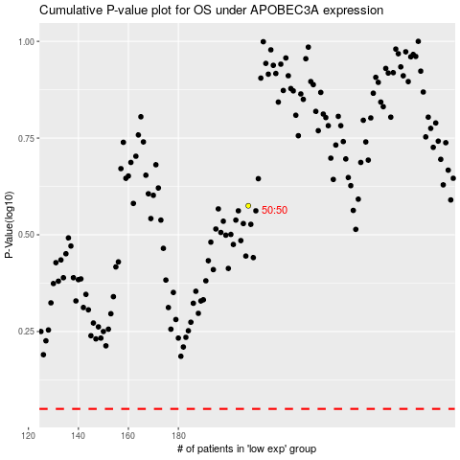

 |  |  |  |  |  | cases_OS | p_OS | rank | exp
 |  |  |  |  |  |  | cases_RFS | p_RFS | rank | exp

