APOBEC3B _multivariate
Reported by Tex Li-Hsing Chi. tex@gate.sinica.edu.tw 2019-08-22

Table 2. The clinicopathological features of HNSCC cohort and APOBEC3B expression. (Chi square test)
Cutoff at -0.272 (50.0%)
 |  | APOBEC3B expression |  | APOBEC3B expression |  | (Optimised)
 | Features | Low | (%) | High | (%) | Case no | P-value | Remark | Matthews
Gender | Female | 142 | 34.2 | 164 | 39.5 | 415 | 0.0238 | 1 | 0
2 | Male | 65 | 15.7 | 44 | 10.6
Age at diagnosis | <=65y | 131 | 31.6 | 143 | 34.5 | 415 | 0.2839 | 0 | 0
4 | >65y | 76 | 18.3 | 65 | 15.7
Clinical T Status | T1+T2 | 67 | 16.1 | 82 | 19.8 | 415 | 0.1628 | 0 | 0
6 | T3+T4 | 140 | 33.7 | 126 | 30.4
Clinical N Status | N0 | 115 | 27.7 | 101 | 24.3 | 415 | 0.184 | 1 | 0
8 | N1-3 | 92 | 22.2 | 107 | 25.8
Clinical M Status | M0 | 206 | 49.6 | 206 | 49.6 | 415 | 1 | 0 | 0
10 | M1 | 1 | 0.2 | 2 | 0.5
Clinical Stage | Stage I+II | 52 | 12.5 | 50 | 12 | 415 | 0.8871 | 0 | 0
12 | Stage III+IV | 155 | 37.3 | 158 | 38.1
Surgical Margin status | Negative | 158 | 38.1 | 160 | 38.6 | 415 | 0.9081 | 0 | 0
14 | Positive | 49 | 11.8 | 48 | 11.6
Tobacco Exposure | Low | 92 | 22.2 | 69 | 16.6 | 415 | 0.0206 | 1 | 0
16 | High | 115 | 27.7 | 139 | 33.5

Table 3. Univariate/Multivariate Cox's proportional hazards regression analyses on OS time of APOBEC3B gene expression in HNSCC

 |  | Univariate |  |  |  | Multivariate
 | Features | HR | CI95%(L) | CI95%(H) | P-value | HR | CI95%(L) | CI95%(H) | P-value
1 | Female | 1 |  |  |  | 1
Gender | Male | 1.157 | 0.843 | 1.587 | 0.367 | 1.222 | 0.873 | 1.71 | 0.242
11 | <=65y | 1 |  |  |  | 1
Age at diagnosis | >65y | 1.329 | 0.99 | 1.784 | 0.058 | 1.406 | 1.033 | 1.912 | 0.03
12 | T1+T2 | 1 |  |  |  | 1
Clinical T Status | T3+T4 | 1.409 | 1.028 | 1.931 | 0.033 | 2.274 | 1.199 | 4.314 | 0.012
13 | N0 | 1 |  |  |  | 1
Clinical N Status | N1-3 | 1.185 | 0.89 | 1.577 | 0.246 | 1.232 | 0.863 | 1.758 | 0.25
14 | M0 | 1 |  |  |  | 1
Clinical M Status | M1 | 4.097 | 1.009 | 16.644 | 0.049 | 9.606 | 2.094 | 44.059 | 0.004
15 | Stage I+II | 1 |  |  |  | 1
Clinical Stage | Stage III+IV | 1.245 | 0.882 | 1.759 | 0.213 | 0.491 | 0.228 | 1.056 | 0.069
16 | Negative | 1 |  |  |  | 1
Surgical Margin status | Positive | 1.591 | 1.155 | 2.191 | 0.004 | 1.682 | 1.217 | 2.325 | 0.002
17 | Low | 1 |  |  |  | 1
Tobacco Exposure | High | 1.364 | 1.008 | 1.844 | 0.044 | 1.435 | 1.041 | 1.979 | 0.028
18 | Low | 1 |  |  |  | 1
RNAseq(z-score) | High | 1.099 | 0.821 | 1.47 | 0.527 | 1.159 | 0.86 | 1.562 | 0.333

Table 4. Univariate/Multivariate Cox's proportional hazards regression analyses on RFS time of APOBEC3B gene expression in HNSCC

 |  | Univariate |  |  |  | Multivariate
 | Features | HR | CI95%(L) | CI95%(H) | P-value | HR | CI95%(L) | CI95%(H) | P-value
1 | Female | 1 |  |  |  | 1
Gender | Male | 1.157 | 0.843 | 1.587 | 0.367 | 1.222 | 0.873 | 1.71 | 0.242
11 | <=65y | 1 |  |  |  | 1
Age at diagnosis | >65y | 1.329 | 0.99 | 1.784 | 0.058 | 1.406 | 1.033 | 1.912 | 0.03
12 | T1+T2 | 1 |  |  |  | 1
Clinical T Status | T3+T4 | 1.409 | 1.028 | 1.931 | 0.033 | 2.274 | 1.199 | 4.314 | 0.012
13 | N0 | 1 |  |  |  | 1
Clinical N Status | N1-3 | 1.185 | 0.89 | 1.577 | 0.246 | 1.232 | 0.863 | 1.758 | 0.25
14 | M0 | 1 |  |  |  | 1
Clinical M Status | M1 | 4.097 | 1.009 | 16.644 | 0.049 | 9.606 | 2.094 | 44.059 | 0.004
15 | Stage I+II | 1 |  |  |  | 1
Clinical Stage | Stage III+IV | 1.245 | 0.882 | 1.759 | 0.213 | 0.491 | 0.228 | 1.056 | 0.069
16 | Negative | 1 |  |  |  | 1
Surgical Margin status | Positive | 1.591 | 1.155 | 2.191 | 0.004 | 1.682 | 1.217 | 2.325 | 0.002
17 | Low | 1 |  |  |  | 1
Tobacco Exposure | High | 1.364 | 1.008 | 1.844 | 0.044 | 1.435 | 1.041 | 1.979 | 0.028
18 | Low | 1 |  |  |  | 1
RNAseq(z-score) | High | 1.099 | 0.821 | 1.47 | 0.527 | 1.159 | 0.86 | 1.562 | 0.333

Kaplan-Meier survival estimate: Cutoff at -0.272 (50.0%)

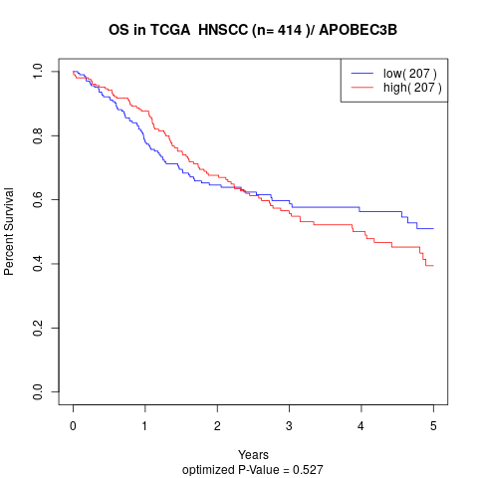

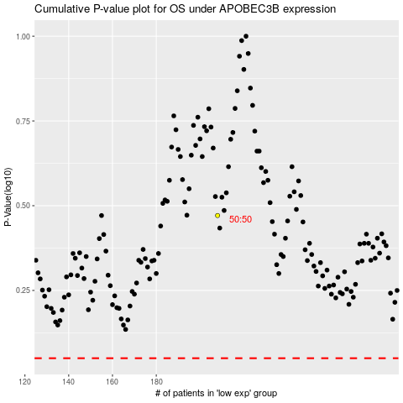

 |  |  |  |  |  | cases_OS | p_OS | rank | exp
 |  |  |  |  |  |  | cases_RFS | p_RFS | rank | exp

