APOBEC3C _multivariate
Reported by Tex Li-Hsing Chi. tex@gate.sinica.edu.tw 2019-08-22

Table 2. The clinicopathological features of HNSCC cohort and APOBEC3C expression. (Chi square test)
Cutoff at -0.187 (49.8%)
 |  | APOBEC3C expression |  | APOBEC3C expression |  | (Optimised)
 | Features | Low | (%) | High | (%) | Case no | P-value | Remark | Matthews
Gender | Female | 155 | 37.3 | 151 | 36.4 | 415 | 0.6768 | 0 | 0
2 | Male | 52 | 12.5 | 57 | 13.7
Age at diagnosis | <=65y | 146 | 35.2 | 128 | 30.8 | 415 | 0.0672 | 0 | 0
4 | >65y | 61 | 14.7 | 80 | 19.3
Clinical T Status | T1+T2 | 64 | 15.4 | 85 | 20.5 | 415 | 0.0445 | 1 | 0
6 | T3+T4 | 143 | 34.5 | 123 | 29.6
Clinical N Status | N0 | 111 | 26.7 | 105 | 25.3 | 415 | 0.5875 | 0 | 0
8 | N1-3 | 96 | 23.1 | 103 | 24.8
Clinical M Status | M0 | 206 | 49.6 | 206 | 49.6 | 415 | 1 | 0 | 0
10 | M1 | 1 | 0.2 | 2 | 0.5
Clinical Stage | Stage I+II | 47 | 11.3 | 55 | 13.3 | 415 | 0.4413 | 0 | 0
12 | Stage III+IV | 160 | 38.6 | 153 | 36.9
Surgical Margin status | Negative | 158 | 38.1 | 160 | 38.6 | 415 | 0.9081 | 0 | 0
14 | Positive | 49 | 11.8 | 48 | 11.6
Tobacco Exposure | Low | 75 | 18.1 | 86 | 20.7 | 415 | 0.3141 | 0 | 0
16 | High | 132 | 31.8 | 122 | 29.4

Table 3. Univariate/Multivariate Cox's proportional hazards regression analyses on OS time of APOBEC3C gene expression in HNSCC

 |  | Univariate |  |  |  | Multivariate
 | Features | HR | CI95%(L) | CI95%(H) | P-value | HR | CI95%(L) | CI95%(H) | P-value
1 | Female | 1 |  |  |  | 1
Gender | Male | 1.157 | 0.843 | 1.587 | 0.367 | 1.213 | 0.868 | 1.695 | 0.258
11 | <=65y | 1 |  |  |  | 1
Age at diagnosis | >65y | 1.329 | 0.99 | 1.784 | 0.058 | 1.386 | 1.019 | 1.883 | 0.037
12 | T1+T2 | 1 |  |  |  | 1
Clinical T Status | T3+T4 | 1.409 | 1.028 | 1.931 | 0.033 | 2.271 | 1.196 | 4.312 | 0.012
13 | N0 | 1 |  |  |  | 1
Clinical N Status | N1-3 | 1.185 | 0.89 | 1.577 | 0.246 | 1.238 | 0.868 | 1.766 | 0.239
14 | M0 | 1 |  |  |  | 1
Clinical M Status | M1 | 4.097 | 1.009 | 16.644 | 0.049 | 9.539 | 2.08 | 43.753 | 0.004
15 | Stage I+II | 1 |  |  |  | 1
Clinical Stage | Stage III+IV | 1.245 | 0.882 | 1.759 | 0.213 | 0.497 | 0.231 | 1.067 | 0.073
16 | Negative | 1 |  |  |  | 1
Surgical Margin status | Positive | 1.591 | 1.155 | 2.191 | 0.004 | 1.684 | 1.218 | 2.328 | 0.002
17 | Low | 1 |  |  |  | 1
Tobacco Exposure | High | 1.364 | 1.008 | 1.844 | 0.044 | 1.466 | 1.063 | 2.022 | 0.02
18 | Low | 1 |  |  |  | 1
RNAseq(z-score) | High | 1.043 | 0.783 | 1.39 | 0.773 | 1.131 | 0.844 | 1.515 | 0.409

Table 4. Univariate/Multivariate Cox's proportional hazards regression analyses on RFS time of APOBEC3C gene expression in HNSCC

 |  | Univariate |  |  |  | Multivariate
 | Features | HR | CI95%(L) | CI95%(H) | P-value | HR | CI95%(L) | CI95%(H) | P-value
1 | Female | 1 |  |  |  | 1
Gender | Male | 1.157 | 0.843 | 1.587 | 0.367 | 1.213 | 0.868 | 1.695 | 0.258
11 | <=65y | 1 |  |  |  | 1
Age at diagnosis | >65y | 1.329 | 0.99 | 1.784 | 0.058 | 1.386 | 1.019 | 1.883 | 0.037
12 | T1+T2 | 1 |  |  |  | 1
Clinical T Status | T3+T4 | 1.409 | 1.028 | 1.931 | 0.033 | 2.271 | 1.196 | 4.312 | 0.012
13 | N0 | 1 |  |  |  | 1
Clinical N Status | N1-3 | 1.185 | 0.89 | 1.577 | 0.246 | 1.238 | 0.868 | 1.766 | 0.239
14 | M0 | 1 |  |  |  | 1
Clinical M Status | M1 | 4.097 | 1.009 | 16.644 | 0.049 | 9.539 | 2.08 | 43.753 | 0.004
15 | Stage I+II | 1 |  |  |  | 1
Clinical Stage | Stage III+IV | 1.245 | 0.882 | 1.759 | 0.213 | 0.497 | 0.231 | 1.067 | 0.073
16 | Negative | 1 |  |  |  | 1
Surgical Margin status | Positive | 1.591 | 1.155 | 2.191 | 0.004 | 1.684 | 1.218 | 2.328 | 0.002
17 | Low | 1 |  |  |  | 1
Tobacco Exposure | High | 1.364 | 1.008 | 1.844 | 0.044 | 1.466 | 1.063 | 2.022 | 0.02
18 | Low | 1 |  |  |  | 1
RNAseq(z-score) | High | 1.043 | 0.783 | 1.39 | 0.773 | 1.131 | 0.844 | 1.515 | 0.409

Kaplan-Meier survival estimate: Cutoff at -0.187 (49.8%)



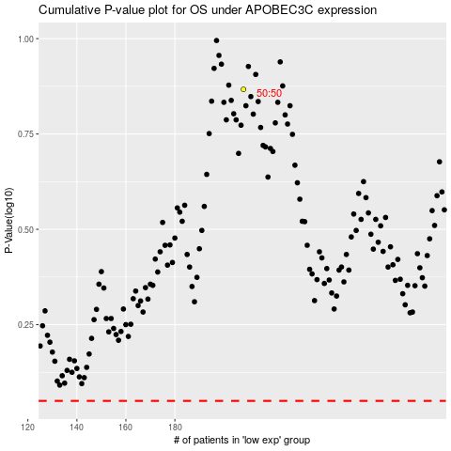

 |  |  |  |  |  | cases_OS | p_OS | rank | exp
 |  |  |  |  |  |  | cases_RFS | p_RFS | rank | exp

