APOBEC3D _multivariate
Reported by Tex Li-Hsing Chi. tex@gate.sinica.edu.tw 2019-08-22

Table 2. The clinicopathological features of HNSCC cohort and APOBEC3D expression. (Chi square test)
Cutoff at -0.284 (49.8%)
 |  | APOBEC3D expression |  | APOBEC3D expression |  | (Optimised)
 | Features | Low | (%) | High | (%) | Case no | P-value | Remark | Matthews
Gender | Female | 151 | 36.4 | 155 | 37.3 | 415 | 0.8007 | 0 | 0
2 | Male | 56 | 13.5 | 53 | 12.8
Age at diagnosis | <=65y | 144 | 34.7 | 130 | 31.3 | 415 | 0.1568 | 0 | 0
4 | >65y | 63 | 15.2 | 78 | 18.8
Clinical T Status | T1+T2 | 69 | 16.6 | 80 | 19.3 | 415 | 0.3239 | 0 | 0
6 | T3+T4 | 138 | 33.3 | 128 | 30.8
Clinical N Status | N0 | 114 | 27.5 | 102 | 24.6 | 415 | 0.2576 | 1 | 0
8 | N1-3 | 93 | 22.4 | 106 | 25.5
Clinical M Status | M0 | 206 | 49.6 | 206 | 49.6 | 415 | 1 | 0 | 0
10 | M1 | 1 | 0.2 | 2 | 0.5
Clinical Stage | Stage I+II | 51 | 12.3 | 51 | 12.3 | 415 | 1 | 0 | 0
12 | Stage III+IV | 156 | 37.6 | 157 | 37.8
Surgical Margin status | Negative | 159 | 38.3 | 159 | 38.3 | 415 | 1 | 0 | 0
14 | Positive | 48 | 11.6 | 49 | 11.8
Tobacco Exposure | Low | 77 | 18.6 | 84 | 20.2 | 415 | 0.5459 | 0 | 0
16 | High | 130 | 31.3 | 124 | 29.9

Table 3. Univariate/Multivariate Cox's proportional hazards regression analyses on OS time of APOBEC3D gene expression in HNSCC

 |  | Univariate |  |  |  | Multivariate
 | Features | HR | CI95%(L) | CI95%(H) | P-value | HR | CI95%(L) | CI95%(H) | P-value
1 | Female | 1 |  |  |  | 1
Gender | Male | 1.157 | 0.843 | 1.587 | 0.367 | 1.212 | 0.867 | 1.694 | 0.261
11 | <=65y | 1 |  |  |  | 1
Age at diagnosis | >65y | 1.329 | 0.99 | 1.784 | 0.058 | 1.386 | 1.019 | 1.886 | 0.037
12 | T1+T2 | 1 |  |  |  | 1
Clinical T Status | T3+T4 | 1.409 | 1.028 | 1.931 | 0.033 | 2.238 | 1.182 | 4.237 | 0.013
13 | N0 | 1 |  |  |  | 1
Clinical N Status | N1-3 | 1.185 | 0.89 | 1.577 | 0.246 | 1.241 | 0.87 | 1.771 | 0.234
14 | M0 | 1 |  |  |  | 1
Clinical M Status | M1 | 4.097 | 1.009 | 16.644 | 0.049 | 9.416 | 2.054 | 43.165 | 0.004
15 | Stage I+II | 1 |  |  |  | 1
Clinical Stage | Stage III+IV | 1.245 | 0.882 | 1.759 | 0.213 | 0.502 | 0.234 | 1.077 | 0.077
16 | Negative | 1 |  |  |  | 1
Surgical Margin status | Positive | 1.591 | 1.155 | 2.191 | 0.004 | 1.663 | 1.203 | 2.298 | 0.002
17 | Low | 1 |  |  |  | 1
Tobacco Exposure | High | 1.364 | 1.008 | 1.844 | 0.044 | 1.473 | 1.067 | 2.033 | 0.019
18 | Low | 1 |  |  |  | 1
RNAseq(z-score) | High | 1.085 | 0.815 | 1.444 | 0.578 | 1.125 | 0.842 | 1.505 | 0.425

Table 4. Univariate/Multivariate Cox's proportional hazards regression analyses on RFS time of APOBEC3D gene expression in HNSCC

 |  | Univariate |  |  |  | Multivariate
 | Features | HR | CI95%(L) | CI95%(H) | P-value | HR | CI95%(L) | CI95%(H) | P-value
1 | Female | 1 |  |  |  | 1
Gender | Male | 1.157 | 0.843 | 1.587 | 0.367 | 1.212 | 0.867 | 1.694 | 0.261
11 | <=65y | 1 |  |  |  | 1
Age at diagnosis | >65y | 1.329 | 0.99 | 1.784 | 0.058 | 1.386 | 1.019 | 1.886 | 0.037
12 | T1+T2 | 1 |  |  |  | 1
Clinical T Status | T3+T4 | 1.409 | 1.028 | 1.931 | 0.033 | 2.238 | 1.182 | 4.237 | 0.013
13 | N0 | 1 |  |  |  | 1
Clinical N Status | N1-3 | 1.185 | 0.89 | 1.577 | 0.246 | 1.241 | 0.87 | 1.771 | 0.234
14 | M0 | 1 |  |  |  | 1
Clinical M Status | M1 | 4.097 | 1.009 | 16.644 | 0.049 | 9.416 | 2.054 | 43.165 | 0.004
15 | Stage I+II | 1 |  |  |  | 1
Clinical Stage | Stage III+IV | 1.245 | 0.882 | 1.759 | 0.213 | 0.502 | 0.234 | 1.077 | 0.077
16 | Negative | 1 |  |  |  | 1
Surgical Margin status | Positive | 1.591 | 1.155 | 2.191 | 0.004 | 1.663 | 1.203 | 2.298 | 0.002
17 | Low | 1 |  |  |  | 1
Tobacco Exposure | High | 1.364 | 1.008 | 1.844 | 0.044 | 1.473 | 1.067 | 2.033 | 0.019
18 | Low | 1 |  |  |  | 1
RNAseq(z-score) | High | 1.085 | 0.815 | 1.444 | 0.578 | 1.125 | 0.842 | 1.505 | 0.425

Kaplan-Meier survival estimate: Cutoff at -0.284 (49.8%)

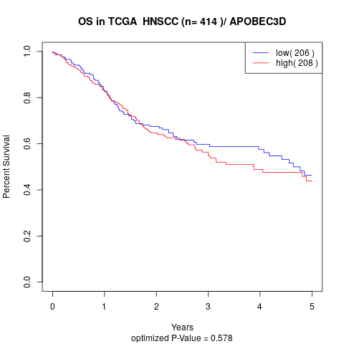

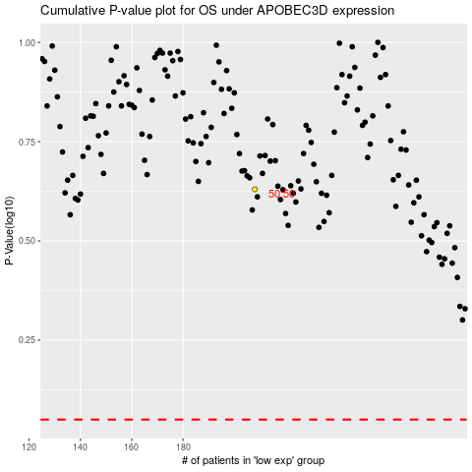

 |  |  |  |  |  | cases_OS | p_OS | rank | exp
 |  |  |  |  |  |  | cases_RFS | p_RFS | rank | exp

