APOBEC3F _multivariate
Reported by Tex Li-Hsing Chi. tex@gate.sinica.edu.tw 2019-08-22

Table 2. The clinicopathological features of HNSCC cohort and APOBEC3F expression. (Chi square test)
Cutoff at -0.262 (49.8%)
 |  | APOBEC3F expression |  | APOBEC3F expression |  | (Optimised)
 | Features | Low | (%) | High | (%) | Case no | P-value | Remark | Matthews
Gender | Female | 152 | 36.6 | 154 | 37.1 | 415 | 0.9766 | 0 | 0
2 | Male | 55 | 13.3 | 54 | 13
Age at diagnosis | <=65y | 144 | 34.7 | 130 | 31.3 | 415 | 0.1568 | 0 | 0
4 | >65y | 63 | 15.2 | 78 | 18.8
Clinical T Status | T1+T2 | 61 | 14.7 | 88 | 21.2 | 415 | 0.0087 | 1 | 0
6 | T3+T4 | 146 | 35.2 | 120 | 28.9
Clinical N Status | N0 | 108 | 26 | 108 | 26 | 415 | 1 | 0 | 0
8 | N1-3 | 99 | 23.9 | 100 | 24.1
Clinical M Status | M0 | 206 | 49.6 | 206 | 49.6 | 415 | 1 | 0 | 0
10 | M1 | 1 | 0.2 | 2 | 0.5
Clinical Stage | Stage I+II | 42 | 10.1 | 60 | 14.5 | 415 | 0.0561 | 0 | 0
12 | Stage III+IV | 165 | 39.8 | 148 | 35.7
Surgical Margin status | Negative | 158 | 38.1 | 160 | 38.6 | 415 | 0.9081 | 0 | 0
14 | Positive | 49 | 11.8 | 48 | 11.6
Tobacco Exposure | Low | 78 | 18.8 | 83 | 20 | 415 | 0.6873 | 0 | 0
16 | High | 129 | 31.1 | 125 | 30.1

Table 3. Univariate/Multivariate Cox's proportional hazards regression analyses on OS time of APOBEC3F gene expression in HNSCC

 |  | Univariate |  |  |  | Multivariate
 | Features | HR | CI95%(L) | CI95%(H) | P-value | HR | CI95%(L) | CI95%(H) | P-value
1 | Female | 1 |  |  |  | 1
Gender | Male | 1.157 | 0.843 | 1.587 | 0.367 | 1.202 | 0.861 | 1.679 | 0.28
11 | <=65y | 1 |  |  |  | 1
Age at diagnosis | >65y | 1.329 | 0.99 | 1.784 | 0.058 | 1.371 | 1.008 | 1.865 | 0.044
12 | T1+T2 | 1 |  |  |  | 1
Clinical T Status | T3+T4 | 1.409 | 1.028 | 1.931 | 0.033 | 2.245 | 1.186 | 4.25 | 0.013
13 | N0 | 1 |  |  |  | 1
Clinical N Status | N1-3 | 1.185 | 0.89 | 1.577 | 0.246 | 1.221 | 0.855 | 1.743 | 0.272
14 | M0 | 1 |  |  |  | 1
Clinical M Status | M1 | 4.097 | 1.009 | 16.644 | 0.049 | 9.282 | 2.025 | 42.551 | 0.004
15 | Stage I+II | 1 |  |  |  | 1
Clinical Stage | Stage III+IV | 1.245 | 0.882 | 1.759 | 0.213 | 0.523 | 0.243 | 1.124 | 0.097
16 | Negative | 1 |  |  |  | 1
Surgical Margin status | Positive | 1.591 | 1.155 | 2.191 | 0.004 | 1.665 | 1.205 | 2.3 | 0.002
17 | Low | 1 |  |  |  | 1
Tobacco Exposure | High | 1.364 | 1.008 | 1.844 | 0.044 | 1.444 | 1.049 | 1.987 | 0.024
18 | Low | 1 |  |  |  | 1
RNAseq(z-score) | High | 1.189 | 0.892 | 1.585 | 0.238 | 1.215 | 0.905 | 1.631 | 0.194

Table 4. Univariate/Multivariate Cox's proportional hazards regression analyses on RFS time of APOBEC3F gene expression in HNSCC

 |  | Univariate |  |  |  | Multivariate
 | Features | HR | CI95%(L) | CI95%(H) | P-value | HR | CI95%(L) | CI95%(H) | P-value
1 | Female | 1 |  |  |  | 1
Gender | Male | 1.157 | 0.843 | 1.587 | 0.367 | 1.202 | 0.861 | 1.679 | 0.28
11 | <=65y | 1 |  |  |  | 1
Age at diagnosis | >65y | 1.329 | 0.99 | 1.784 | 0.058 | 1.371 | 1.008 | 1.865 | 0.044
12 | T1+T2 | 1 |  |  |  | 1
Clinical T Status | T3+T4 | 1.409 | 1.028 | 1.931 | 0.033 | 2.245 | 1.186 | 4.25 | 0.013
13 | N0 | 1 |  |  |  | 1
Clinical N Status | N1-3 | 1.185 | 0.89 | 1.577 | 0.246 | 1.221 | 0.855 | 1.743 | 0.272
14 | M0 | 1 |  |  |  | 1
Clinical M Status | M1 | 4.097 | 1.009 | 16.644 | 0.049 | 9.282 | 2.025 | 42.551 | 0.004
15 | Stage I+II | 1 |  |  |  | 1
Clinical Stage | Stage III+IV | 1.245 | 0.882 | 1.759 | 0.213 | 0.523 | 0.243 | 1.124 | 0.097
16 | Negative | 1 |  |  |  | 1
Surgical Margin status | Positive | 1.591 | 1.155 | 2.191 | 0.004 | 1.665 | 1.205 | 2.3 | 0.002
17 | Low | 1 |  |  |  | 1
Tobacco Exposure | High | 1.364 | 1.008 | 1.844 | 0.044 | 1.444 | 1.049 | 1.987 | 0.024
18 | Low | 1 |  |  |  | 1
RNAseq(z-score) | High | 1.189 | 0.892 | 1.585 | 0.238 | 1.215 | 0.905 | 1.631 | 0.194

Kaplan-Meier survival estimate: Cutoff at -0.262 (49.8%)



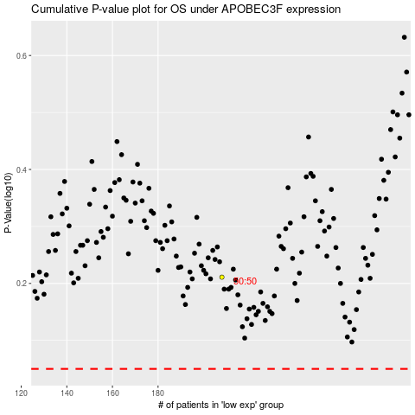

 |  |  |  |  |  | cases_OS | p_OS | rank | exp
 |  |  |  |  |  |  | cases_RFS | p_RFS | rank | exp

