APOBEC3G _multivariate
Reported by Tex Li-Hsing Chi. tex@gate.sinica.edu.tw 2019-08-22

Table 2. The clinicopathological features of HNSCC cohort and APOBEC3G expression. (Chi square test)
Cutoff at -0.297 (49.8%)
 |  | APOBEC3G expression |  | APOBEC3G expression |  | (Optimised)
 | Features | Low | (%) | High | (%) | Case no | P-value | Remark | Matthews
Gender | Female | 156 | 37.6 | 150 | 36.1 | 415 | 0.5222 | 0 | 0
2 | Male | 51 | 12.3 | 58 | 14
Age at diagnosis | <=65y | 140 | 33.7 | 134 | 32.3 | 415 | 0.5574 | 0 | 0
4 | >65y | 67 | 16.1 | 74 | 17.8
Clinical T Status | T1+T2 | 58 | 14 | 91 | 21.9 | 415 | 0.0012 | 1 | 0
6 | T3+T4 | 149 | 35.9 | 117 | 28.2
Clinical N Status | N0 | 112 | 27 | 104 | 25.1 | 415 | 0.4599 | 0 | 0
8 | N1-3 | 95 | 22.9 | 104 | 25.1
Clinical M Status | M0 | 207 | 49.9 | 205 | 49.4 | 415 | 0.2482 | 0 | 0
10 | M1 | 0 | 0 | 3 | 0.7
Clinical Stage | Stage I+II | 43 | 10.4 | 59 | 14.2 | 415 | 0.0925 | 0 | 0
12 | Stage III+IV | 164 | 39.5 | 149 | 35.9
Surgical Margin status | Negative | 158 | 38.1 | 160 | 38.6 | 415 | 0.9081 | 0 | 0
14 | Positive | 49 | 11.8 | 48 | 11.6
Tobacco Exposure | Low | 78 | 18.8 | 83 | 20 | 415 | 0.6873 | 0 | 0
16 | High | 129 | 31.1 | 125 | 30.1

Table 3. Univariate/Multivariate Cox's proportional hazards regression analyses on OS time of APOBEC3G gene expression in HNSCC

 |  | Univariate |  |  |  | Multivariate
 | Features | HR | CI95%(L) | CI95%(H) | P-value | HR | CI95%(L) | CI95%(H) | P-value
1 | Female | 1 |  |  |  | 1
Gender | Male | 1.157 | 0.843 | 1.587 | 0.367 | 1.205 | 0.863 | 1.682 | 0.274
11 | <=65y | 1 |  |  |  | 1
Age at diagnosis | >65y | 1.329 | 0.99 | 1.784 | 0.058 | 1.39 | 1.022 | 1.89 | 0.036
12 | T1+T2 | 1 |  |  |  | 1
Clinical T Status | T3+T4 | 1.409 | 1.028 | 1.931 | 0.033 | 2.278 | 1.202 | 4.318 | 0.012
13 | N0 | 1 |  |  |  | 1
Clinical N Status | N1-3 | 1.185 | 0.89 | 1.577 | 0.246 | 1.236 | 0.866 | 1.763 | 0.242
14 | M0 | 1 |  |  |  | 1
Clinical M Status | M1 | 4.097 | 1.009 | 16.644 | 0.049 | 8.824 | 1.919 | 40.577 | 0.005
15 | Stage I+II | 1 |  |  |  | 1
Clinical Stage | Stage III+IV | 1.245 | 0.882 | 1.759 | 0.213 | 0.508 | 0.237 | 1.091 | 0.082
16 | Negative | 1 |  |  |  | 1
Surgical Margin status | Positive | 1.591 | 1.155 | 2.191 | 0.004 | 1.665 | 1.205 | 2.3 | 0.002
17 | Low | 1 |  |  |  | 1
Tobacco Exposure | High | 1.364 | 1.008 | 1.844 | 0.044 | 1.474 | 1.069 | 2.033 | 0.018
18 | Low | 1 |  |  |  | 1
RNAseq(z-score) | High | 1.132 | 0.849 | 1.507 | 0.398 | 1.199 | 0.893 | 1.611 | 0.227

Table 4. Univariate/Multivariate Cox's proportional hazards regression analyses on RFS time of APOBEC3G gene expression in HNSCC

 |  | Univariate |  |  |  | Multivariate
 | Features | HR | CI95%(L) | CI95%(H) | P-value | HR | CI95%(L) | CI95%(H) | P-value
1 | Female | 1 |  |  |  | 1
Gender | Male | 1.157 | 0.843 | 1.587 | 0.367 | 1.205 | 0.863 | 1.682 | 0.274
11 | <=65y | 1 |  |  |  | 1
Age at diagnosis | >65y | 1.329 | 0.99 | 1.784 | 0.058 | 1.39 | 1.022 | 1.89 | 0.036
12 | T1+T2 | 1 |  |  |  | 1
Clinical T Status | T3+T4 | 1.409 | 1.028 | 1.931 | 0.033 | 2.278 | 1.202 | 4.318 | 0.012
13 | N0 | 1 |  |  |  | 1
Clinical N Status | N1-3 | 1.185 | 0.89 | 1.577 | 0.246 | 1.236 | 0.866 | 1.763 | 0.242
14 | M0 | 1 |  |  |  | 1
Clinical M Status | M1 | 4.097 | 1.009 | 16.644 | 0.049 | 8.824 | 1.919 | 40.577 | 0.005
15 | Stage I+II | 1 |  |  |  | 1
Clinical Stage | Stage III+IV | 1.245 | 0.882 | 1.759 | 0.213 | 0.508 | 0.237 | 1.091 | 0.082
16 | Negative | 1 |  |  |  | 1
Surgical Margin status | Positive | 1.591 | 1.155 | 2.191 | 0.004 | 1.665 | 1.205 | 2.3 | 0.002
17 | Low | 1 |  |  |  | 1
Tobacco Exposure | High | 1.364 | 1.008 | 1.844 | 0.044 | 1.474 | 1.069 | 2.033 | 0.018
18 | Low | 1 |  |  |  | 1
RNAseq(z-score) | High | 1.132 | 0.849 | 1.507 | 0.398 | 1.199 | 0.893 | 1.611 | 0.227

Kaplan-Meier survival estimate: Cutoff at -0.297 (49.8%)

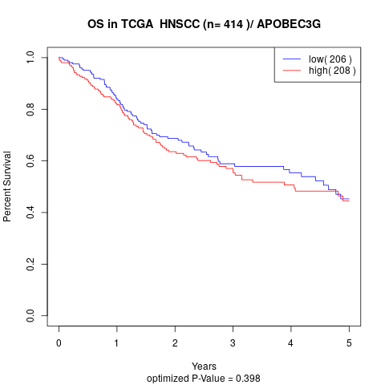

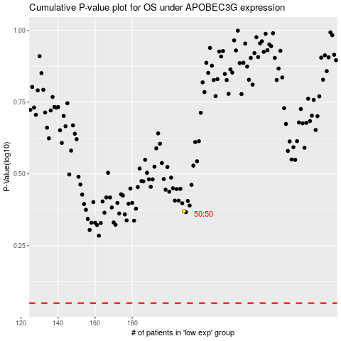

 |  |  |  |  |  | cases_OS | p_OS | rank | exp
 |  |  |  |  |  |  | cases_RFS | p_RFS | rank | exp

