APOBEC3H _multivariate
Reported by Tex Li-Hsing Chi. tex@gate.sinica.edu.tw 2019-08-22

Table 2. The clinicopathological features of HNSCC cohort and APOBEC3H expression. (Chi square test)
Cutoff at -0.542 (33.3%)
 |  | APOBEC3H expression |  | APOBEC3H expression |  | (Optimised)
 | Features | Low | (%) | High | (%) | Case no | P-value | Remark | Matthews
Gender | Female | 111 | 26.7 | 195 | 47 | 415 | 0.0584 | 0 | 0
2 | Male | 28 | 6.7 | 81 | 19.5
Age at diagnosis | <=65y | 98 | 23.6 | 176 | 42.4 | 415 | 0.2086 | 0 | 0
4 | >65y | 41 | 9.9 | 100 | 24.1
Clinical T Status | T1+T2 | 44 | 10.6 | 105 | 25.3 | 415 | 0.2412 | 0 | 0
6 | T3+T4 | 95 | 22.9 | 171 | 41.2
Clinical N Status | N0 | 75 | 18.1 | 141 | 34 | 415 | 0.654 | 0 | 0
8 | N1-3 | 64 | 15.4 | 135 | 32.5
Clinical M Status | M0 | 139 | 33.5 | 273 | 65.8 | 415 | 0.554 | 0 | 0
10 | M1 | 0 | 0 | 3 | 0.7
Clinical Stage | Stage I+II | 35 | 8.4 | 67 | 16.1 | 415 | 0.9353 | 0 | 0
12 | Stage III+IV | 104 | 25.1 | 209 | 50.4
Surgical Margin status | Negative | 106 | 25.5 | 212 | 51.1 | 415 | 0.9027 | 0 | 0
14 | Positive | 33 | 8 | 64 | 15.4
Tobacco Exposure | Low | 47 | 11.3 | 114 | 27.5 | 415 | 0.1653 | 0 | 0
16 | High | 92 | 22.2 | 162 | 39

Table 3. Univariate/Multivariate Cox's proportional hazards regression analyses on OS time of APOBEC3H gene expression in HNSCC

 |  | Univariate |  |  |  | Multivariate
 | Features | HR | CI95%(L) | CI95%(H) | P-value | HR | CI95%(L) | CI95%(H) | P-value
1 | Female | 1 |  |  |  | 1
Gender | Male | 1.157 | 0.843 | 1.587 | 0.367 | 1.259 | 0.9 | 1.761 | 0.179
11 | <=65y | 1 |  |  |  | 1
Age at diagnosis | >65y | 1.329 | 0.99 | 1.784 | 0.058 | 1.405 | 1.034 | 1.91 | 0.03
12 | T1+T2 | 1 |  |  |  | 1
Clinical T Status | T3+T4 | 1.409 | 1.028 | 1.931 | 0.033 | 2.11 | 1.117 | 3.986 | 0.021
13 | N0 | 1 |  |  |  | 1
Clinical N Status | N1-3 | 1.185 | 0.89 | 1.577 | 0.246 | 1.235 | 0.865 | 1.762 | 0.245
14 | M0 | 1 |  |  |  | 1
Clinical M Status | M1 | 4.097 | 1.009 | 16.644 | 0.049 | 10.85 | 2.355 | 49.981 | 0.002
15 | Stage I+II | 1 |  |  |  | 1
Clinical Stage | Stage III+IV | 1.245 | 0.882 | 1.759 | 0.213 | 0.52 | 0.243 | 1.117 | 0.094
16 | Negative | 1 |  |  |  | 1
Surgical Margin status | Positive | 1.591 | 1.155 | 2.191 | 0.004 | 1.692 | 1.224 | 2.338 | 0.001
17 | Low | 1 |  |  |  | 1
Tobacco Exposure | High | 1.364 | 1.008 | 1.844 | 0.044 | 1.433 | 1.041 | 1.973 | 0.027
18 | Low | 1 |  |  |  | 1
RNAseq(z-score) | High | 0.677 | 0.504 | 0.911 | 0.01 | 0.66 | 0.488 | 0.892 | 0.007

Table 4. Univariate/Multivariate Cox's proportional hazards regression analyses on RFS time of APOBEC3H gene expression in HNSCC

 |  | Univariate |  |  |  | Multivariate
 | Features | HR | CI95%(L) | CI95%(H) | P-value | HR | CI95%(L) | CI95%(H) | P-value
1 | Female | 1 |  |  |  | 1
Gender | Male | 1.157 | 0.843 | 1.587 | 0.367 | 1.259 | 0.9 | 1.761 | 0.179
11 | <=65y | 1 |  |  |  | 1
Age at diagnosis | >65y | 1.329 | 0.99 | 1.784 | 0.058 | 1.405 | 1.034 | 1.91 | 0.03
12 | T1+T2 | 1 |  |  |  | 1
Clinical T Status | T3+T4 | 1.409 | 1.028 | 1.931 | 0.033 | 2.11 | 1.117 | 3.986 | 0.021
13 | N0 | 1 |  |  |  | 1
Clinical N Status | N1-3 | 1.185 | 0.89 | 1.577 | 0.246 | 1.235 | 0.865 | 1.762 | 0.245
14 | M0 | 1 |  |  |  | 1
Clinical M Status | M1 | 4.097 | 1.009 | 16.644 | 0.049 | 10.85 | 2.355 | 49.981 | 0.002
15 | Stage I+II | 1 |  |  |  | 1
Clinical Stage | Stage III+IV | 1.245 | 0.882 | 1.759 | 0.213 | 0.52 | 0.243 | 1.117 | 0.094
16 | Negative | 1 |  |  |  | 1
Surgical Margin status | Positive | 1.591 | 1.155 | 2.191 | 0.004 | 1.692 | 1.224 | 2.338 | 0.001
17 | Low | 1 |  |  |  | 1
Tobacco Exposure | High | 1.364 | 1.008 | 1.844 | 0.044 | 1.433 | 1.041 | 1.973 | 0.027
18 | Low | 1 |  |  |  | 1
RNAseq(z-score) | High | 0.677 | 0.504 | 0.911 | 0.01 | 0.66 | 0.488 | 0.892 | 0.007

Kaplan-Meier survival estimate: Cutoff at -0.542 (33.3%)

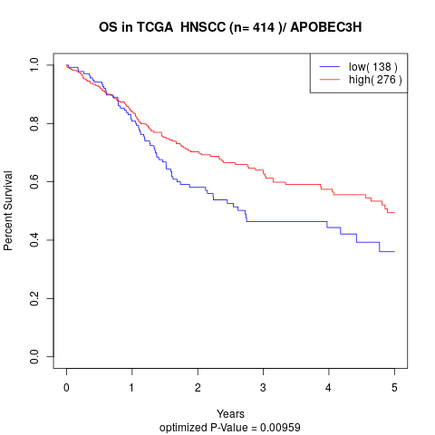

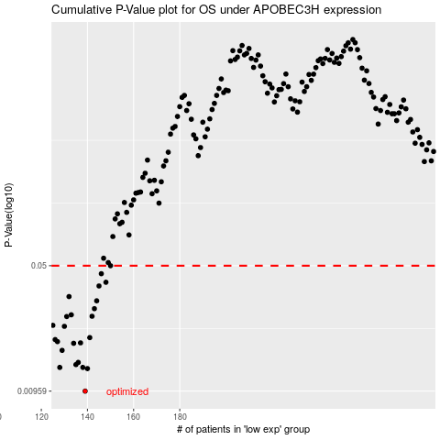

 |  |  |  |  |  | cases_OS | p_OS | rank | exp
 |  |  |  |  |  | 139 | 0.00959 | 130 | -0.54232319272
 |  |  |  |  |  | 140 | 0.0129 | 32 | -0.5417492967
 |  |  |  |  |  | 128 | 0.0131 | 18 | -0.57562808153
 |  |  |  |  |  | 138 | 0.0131 | 258 | -0.55304432716
 |  |  |  |  |  | 135 | 0.0136 | 172 | -0.55775531976
 |  |  |  |  |  | 136 | 0.014 | 174 | -0.55619760199
 |  |  |  |  |  | 129 | 0.0164 | 166 | -0.5694161301
 |  |  |  |  |  | 134 | 0.018 | 181 | -0.56140681202
 |  |  |  |  |  | 137 | 0.0181 | 137 | -0.55462727113
 |  |  |  |  |  | 127 | 0.0184 | 372 | -0.5781507014
 |  |  |  |  |  | 126 | 0.0189 | 212 | -0.57822007344
 |  |  |  |  |  | 141 | 0.0194 | 75 | -0.54162316571
 |  |  |  |  |  | 130 | 0.0225 | 147 | -0.56811698087
 |  |  |  |  |  | 125 | 0.0228 | 87 | -0.58347342932
 |  |  |  |  |  | 131 | 0.0256 | 116 | -0.56791517128
 |  |  |  |  |  | 142 | 0.0257 | 374 | -0.52894700087
 |  |  |  |  |  | 133 | 0.0262 | 64 | -0.56162754126
 |  |  |  |  |  | 143 | 0.0284 | 348 | -0.52396482663
 |  |  |  |  |  | 144 | 0.0315 | 15 | -0.51655463077
 |  |  |  |  |  | 132 | 0.0333 | 414 | -0.56237802067
 |  |  |  |  |  | 145 | 0.0383 | 96 | -0.51646633907
 |  |  |  |  |  | 148 | 0.0402 | 40 | -0.50410550172
 |  |  |  |  |  | 146 | 0.045 | 329 | -0.50761194334
 |  |  |  |  |  | 150 | 0.05 | 188 | -0.50023958677
 |  |  |  |  |  |  | cases_RFS | p_RFS | rank | exp
 |  |  |  |  |  |  | 138 | 0.00959 | 258 | -0.55304432716
 |  |  |  |  |  |  | 139 | 0.0129 | 130 | -0.54232319272
 |  |  |  |  |  |  | 137 | 0.0131 | 137 | -0.55462727113
 |  |  |  |  |  |  | 127 | 0.0131 | 372 | -0.5781507014
 |  |  |  |  |  |  | 134 | 0.0136 | 181 | -0.56140681202
 |  |  |  |  |  |  | 135 | 0.014 | 172 | -0.55775531976
 |  |  |  |  |  |  | 128 | 0.0164 | 18 | -0.57562808153
 |  |  |  |  |  |  | 133 | 0.018 | 64 | -0.56162754126
 |  |  |  |  |  |  | 136 | 0.0181 | 174 | -0.55619760199
 |  |  |  |  |  |  | 126 | 0.0184 | 212 | -0.57822007344
 |  |  |  |  |  |  | 125 | 0.0189 | 87 | -0.58347342932
 |  |  |  |  |  |  | 140 | 0.0194 | 32 | -0.5417492967
 |  |  |  |  |  |  | 129 | 0.0225 | 166 | -0.5694161301
 |  |  |  |  |  |  |  | 0.0228 | 297 | -0.58536539422
 |  |  |  |  |  |  | 130 | 0.0256 | 147 | -0.56811698087
 |  |  |  |  |  |  | 141 | 0.0257 | 75 | -0.54162316571
 |  |  |  |  |  |  | 132 | 0.0262 | 414 | -0.56237802067
 |  |  |  |  |  |  | 142 | 0.0284 | 374 | -0.52894700087
 |  |  |  |  |  |  | 143 | 0.0315 | 348 | -0.52396482663
 |  |  |  |  |  |  | 131 | 0.0333 | 116 | -0.56791517128
 |  |  |  |  |  |  | 144 | 0.0383 | 15 | -0.51655463077
 |  |  |  |  |  |  | 147 | 0.0402 | 196 | -0.50587133563
 |  |  |  |  |  |  | 145 | 0.045 | 96 | -0.51646633907
 |  |  |  |  |  |  | 149 | 0.05 | 218 | -0.50355052535

