APOC1 _multivariate
Reported by Tex Li-Hsing Chi. tex@gate.sinica.edu.tw 2019-08-22

Table 2. The clinicopathological features of HNSCC cohort and APOC1 expression. (Chi square test)
Cutoff at -0.297 (49.8%)
 |  | APOC1 expression |  | APOC1 expression |  | (Optimised)
 | Features | Low | (%) | High | (%) | Case no | P-value | Remark | Matthews
Gender | Female | 159 | 38.3 | 147 | 35.4 | 415 | 0.1905 | 0 | 0
2 | Male | 48 | 11.6 | 61 | 14.7
Age at diagnosis | <=65y | 153 | 36.9 | 121 | 29.2 | 415 | 0.001 | 1 | 0
4 | >65y | 54 | 13 | 87 | 21
Clinical T Status | T1+T2 | 75 | 18.1 | 74 | 17.8 | 415 | 0.9707 | 0 | 0
6 | T3+T4 | 132 | 31.8 | 134 | 32.3
Clinical N Status | N0 | 123 | 29.6 | 93 | 22.4 | 415 | 0.0037 | 1 | 0
8 | N1-3 | 84 | 20.2 | 115 | 27.7
Clinical M Status | M0 | 206 | 49.6 | 206 | 49.6 | 415 | 1 | 0 | 0
10 | M1 | 1 | 0.2 | 2 | 0.5
Clinical Stage | Stage I+II | 57 | 13.7 | 45 | 10.8 | 415 | 0.1998 | 0 | 0
12 | Stage III+IV | 150 | 36.1 | 163 | 39.3
Surgical Margin status | Negative | 167 | 40.2 | 151 | 36.4 | 415 | 0.0632 | 0 | 0
14 | Positive | 40 | 9.6 | 57 | 13.7
Tobacco Exposure | Low | 73 | 17.6 | 88 | 21.2 | 415 | 0.1587 | 0 | 0
16 | High | 134 | 32.3 | 120 | 28.9

Table 3. Univariate/Multivariate Cox's proportional hazards regression analyses on OS time of APOC1 gene expression in HNSCC

 |  | Univariate |  |  |  | Multivariate
 | Features | HR | CI95%(L) | CI95%(H) | P-value | HR | CI95%(L) | CI95%(H) | P-value
1 | Female | 1 |  |  |  | 1
Gender | Male | 1.157 | 0.843 | 1.587 | 0.367 | 1.204 | 0.862 | 1.682 | 0.277
11 | <=65y | 1 |  |  |  | 1
Age at diagnosis | >65y | 1.329 | 0.99 | 1.784 | 0.058 | 1.364 | 0.997 | 1.866 | 0.052
12 | T1+T2 | 1 |  |  |  | 1
Clinical T Status | T3+T4 | 1.409 | 1.028 | 1.931 | 0.033 | 2.198 | 1.162 | 4.154 | 0.015
13 | N0 | 1 |  |  |  | 1
Clinical N Status | N1-3 | 1.185 | 0.89 | 1.577 | 0.246 | 1.214 | 0.845 | 1.744 | 0.295
14 | M0 | 1 |  |  |  | 1
Clinical M Status | M1 | 4.097 | 1.009 | 16.644 | 0.049 | 9.405 | 2.052 | 43.117 | 0.004
15 | Stage I+II | 1 |  |  |  | 1
Clinical Stage | Stage III+IV | 1.245 | 0.882 | 1.759 | 0.213 | 0.504 | 0.235 | 1.081 | 0.078
16 | Negative | 1 |  |  |  | 1
Surgical Margin status | Positive | 1.591 | 1.155 | 2.191 | 0.004 | 1.657 | 1.198 | 2.293 | 0.002
17 | Low | 1 |  |  |  | 1
Tobacco Exposure | High | 1.364 | 1.008 | 1.844 | 0.044 | 1.471 | 1.065 | 2.031 | 0.019
18 | Low | 1 |  |  |  | 1
RNAseq(z-score) | High | 1.191 | 0.891 | 1.592 | 0.238 | 1.106 | 0.814 | 1.502 | 0.521

Table 4. Univariate/Multivariate Cox's proportional hazards regression analyses on RFS time of APOC1 gene expression in HNSCC

 |  | Univariate |  |  |  | Multivariate
 | Features | HR | CI95%(L) | CI95%(H) | P-value | HR | CI95%(L) | CI95%(H) | P-value
1 | Female | 1 |  |  |  | 1
Gender | Male | 1.157 | 0.843 | 1.587 | 0.367 | 1.204 | 0.862 | 1.682 | 0.277
11 | <=65y | 1 |  |  |  | 1
Age at diagnosis | >65y | 1.329 | 0.99 | 1.784 | 0.058 | 1.364 | 0.997 | 1.866 | 0.052
12 | T1+T2 | 1 |  |  |  | 1
Clinical T Status | T3+T4 | 1.409 | 1.028 | 1.931 | 0.033 | 2.198 | 1.162 | 4.154 | 0.015
13 | N0 | 1 |  |  |  | 1
Clinical N Status | N1-3 | 1.185 | 0.89 | 1.577 | 0.246 | 1.214 | 0.845 | 1.744 | 0.295
14 | M0 | 1 |  |  |  | 1
Clinical M Status | M1 | 4.097 | 1.009 | 16.644 | 0.049 | 9.405 | 2.052 | 43.117 | 0.004
15 | Stage I+II | 1 |  |  |  | 1
Clinical Stage | Stage III+IV | 1.245 | 0.882 | 1.759 | 0.213 | 0.504 | 0.235 | 1.081 | 0.078
16 | Negative | 1 |  |  |  | 1
Surgical Margin status | Positive | 1.591 | 1.155 | 2.191 | 0.004 | 1.657 | 1.198 | 2.293 | 0.002
17 | Low | 1 |  |  |  | 1
Tobacco Exposure | High | 1.364 | 1.008 | 1.844 | 0.044 | 1.471 | 1.065 | 2.031 | 0.019
18 | Low | 1 |  |  |  | 1
RNAseq(z-score) | High | 1.191 | 0.891 | 1.592 | 0.238 | 1.106 | 0.814 | 1.502 | 0.521

Kaplan-Meier survival estimate: Cutoff at -0.297 (49.8%)



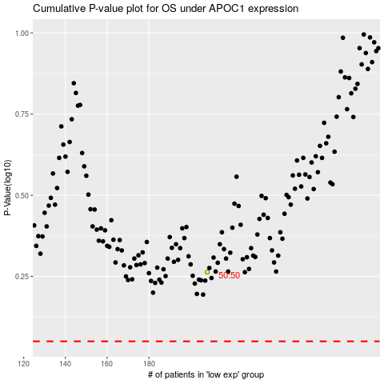

 |  |  |  |  |  | cases_OS | p_OS | rank | exp
 |  |  |  |  |  |  | cases_RFS | p_RFS | rank | exp

