APOC2 _multivariate
Reported by Tex Li-Hsing Chi. tex@gate.sinica.edu.tw 2019-08-22

Table 2. The clinicopathological features of HNSCC cohort and APOC2 expression. (Chi square test)
Cutoff at -0.267 (50.0%)
 |  | APOC2 expression |  | APOC2 expression |  | (Optimised)
 | Features | Low | (%) | High | (%) | Case no | P-value | Remark | Matthews
Gender | Female | 165 | 39.8 | 141 | 34 | 415 | 0.0081 | 1 | 0
2 | Male | 42 | 10.1 | 67 | 16.1
Age at diagnosis | <=65y | 144 | 34.7 | 130 | 31.3 | 415 | 0.1568 | 0 | 0
4 | >65y | 63 | 15.2 | 78 | 18.8
Clinical T Status | T1+T2 | 72 | 17.3 | 77 | 18.6 | 415 | 0.7095 | 0 | 0
6 | T3+T4 | 135 | 32.5 | 131 | 31.6
Clinical N Status | N0 | 121 | 29.2 | 95 | 22.9 | 415 | 0.0122 | 1 | 0
8 | N1-3 | 86 | 20.7 | 113 | 27.2
Clinical M Status | M0 | 205 | 49.4 | 207 | 49.9 | 415 | 0.6232 | 0 | 0
10 | M1 | 2 | 0.5 | 1 | 0.2
Clinical Stage | Stage I+II | 52 | 12.5 | 50 | 12 | 415 | 0.8871 | 0 | 0
12 | Stage III+IV | 155 | 37.3 | 158 | 38.1
Surgical Margin status | Negative | 156 | 37.6 | 162 | 39 | 415 | 0.5636 | 0 | 0
14 | Positive | 51 | 12.3 | 46 | 11.1
Tobacco Exposure | Low | 72 | 17.3 | 89 | 21.4 | 415 | 0.1071 | 0 | 0
16 | High | 135 | 32.5 | 119 | 28.7

Table 3. Univariate/Multivariate Cox's proportional hazards regression analyses on OS time of APOC2 gene expression in HNSCC

 |  | Univariate |  |  |  | Multivariate
 | Features | HR | CI95%(L) | CI95%(H) | P-value | HR | CI95%(L) | CI95%(H) | P-value
1 | Female | 1 |  |  |  | 1
Gender | Male | 1.157 | 0.843 | 1.587 | 0.367 | 1.22 | 0.871 | 1.709 | 0.248
11 | <=65y | 1 |  |  |  | 1
Age at diagnosis | >65y | 1.329 | 0.99 | 1.784 | 0.058 | 1.403 | 1.031 | 1.909 | 0.031
12 | T1+T2 | 1 |  |  |  | 1
Clinical T Status | T3+T4 | 1.409 | 1.028 | 1.931 | 0.033 | 2.221 | 1.173 | 4.202 | 0.014
13 | N0 | 1 |  |  |  | 1
Clinical N Status | N1-3 | 1.185 | 0.89 | 1.577 | 0.246 | 1.269 | 0.883 | 1.822 | 0.197
14 | M0 | 1 |  |  |  | 1
Clinical M Status | M1 | 4.097 | 1.009 | 16.644 | 0.049 | 9.305 | 2.029 | 42.672 | 0.004
15 | Stage I+II | 1 |  |  |  | 1
Clinical Stage | Stage III+IV | 1.245 | 0.882 | 1.759 | 0.213 | 0.498 | 0.232 | 1.07 | 0.074
16 | Negative | 1 |  |  |  | 1
Surgical Margin status | Positive | 1.591 | 1.155 | 2.191 | 0.004 | 1.684 | 1.218 | 2.329 | 0.002
17 | Low | 1 |  |  |  | 1
Tobacco Exposure | High | 1.364 | 1.008 | 1.844 | 0.044 | 1.436 | 1.04 | 1.984 | 0.028
18 | Low | 1 |  |  |  | 1
RNAseq(z-score) | High | 0.965 | 0.723 | 1.286 | 0.806 | 0.905 | 0.669 | 1.223 | 0.515

Table 4. Univariate/Multivariate Cox's proportional hazards regression analyses on RFS time of APOC2 gene expression in HNSCC

 |  | Univariate |  |  |  | Multivariate
 | Features | HR | CI95%(L) | CI95%(H) | P-value | HR | CI95%(L) | CI95%(H) | P-value
1 | Female | 1 |  |  |  | 1
Gender | Male | 1.157 | 0.843 | 1.587 | 0.367 | 1.22 | 0.871 | 1.709 | 0.248
11 | <=65y | 1 |  |  |  | 1
Age at diagnosis | >65y | 1.329 | 0.99 | 1.784 | 0.058 | 1.403 | 1.031 | 1.909 | 0.031
12 | T1+T2 | 1 |  |  |  | 1
Clinical T Status | T3+T4 | 1.409 | 1.028 | 1.931 | 0.033 | 2.221 | 1.173 | 4.202 | 0.014
13 | N0 | 1 |  |  |  | 1
Clinical N Status | N1-3 | 1.185 | 0.89 | 1.577 | 0.246 | 1.269 | 0.883 | 1.822 | 0.197
14 | M0 | 1 |  |  |  | 1
Clinical M Status | M1 | 4.097 | 1.009 | 16.644 | 0.049 | 9.305 | 2.029 | 42.672 | 0.004
15 | Stage I+II | 1 |  |  |  | 1
Clinical Stage | Stage III+IV | 1.245 | 0.882 | 1.759 | 0.213 | 0.498 | 0.232 | 1.07 | 0.074
16 | Negative | 1 |  |  |  | 1
Surgical Margin status | Positive | 1.591 | 1.155 | 2.191 | 0.004 | 1.684 | 1.218 | 2.329 | 0.002
17 | Low | 1 |  |  |  | 1
Tobacco Exposure | High | 1.364 | 1.008 | 1.844 | 0.044 | 1.436 | 1.04 | 1.984 | 0.028
18 | Low | 1 |  |  |  | 1
RNAseq(z-score) | High | 0.965 | 0.723 | 1.286 | 0.806 | 0.905 | 0.669 | 1.223 | 0.515

Kaplan-Meier survival estimate: Cutoff at -0.267 (50.0%)



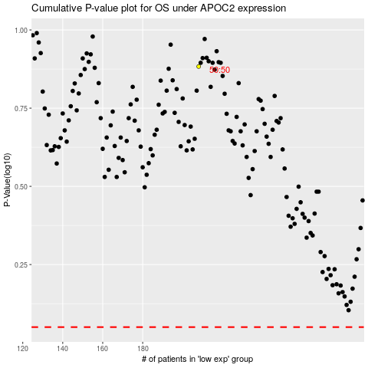

 |  |  |  |  |  | cases_OS | p_OS | rank | exp
 |  |  |  |  |  |  | cases_RFS | p_RFS | rank | exp

