APOL3 _multivariate
Reported by Tex Li-Hsing Chi. tex@gate.sinica.edu.tw 2019-08-22

Table 2. The clinicopathological features of HNSCC cohort and APOL3 expression. (Chi square test)
Cutoff at -0.36 (49.8%)
 |  | APOL3 expression |  | APOL3 expression |  | (Optimised)
 | Features | Low | (%) | High | (%) | Case no | P-value | Remark | Matthews
Gender | Female | 158 | 38.1 | 148 | 35.7 | 415 | 0.2774 | 0 | 0
2 | Male | 49 | 11.8 | 60 | 14.5
Age at diagnosis | <=65y | 143 | 34.5 | 131 | 31.6 | 415 | 0.2269 | 0 | 0
4 | >65y | 64 | 15.4 | 77 | 18.6
Clinical T Status | T1+T2 | 56 | 13.5 | 93 | 22.4 | 415 | 3e-04 | 1 | 0
6 | T3+T4 | 151 | 36.4 | 115 | 27.7
Clinical N Status | N0 | 111 | 26.7 | 105 | 25.3 | 415 | 0.5875 | 0 | 0
8 | N1-3 | 96 | 23.1 | 103 | 24.8
Clinical M Status | M0 | 207 | 49.9 | 205 | 49.4 | 415 | 0.2482 | 0 | 0
10 | M1 | 0 | 0 | 3 | 0.7
Clinical Stage | Stage I+II | 41 | 9.9 | 61 | 14.7 | 415 | 0.0325 | 1 | 0
12 | Stage III+IV | 166 | 40 | 147 | 35.4
Surgical Margin status | Negative | 162 | 39 | 156 | 37.6 | 415 | 0.4867 | 0 | 0
14 | Positive | 45 | 10.8 | 52 | 12.5
Tobacco Exposure | Low | 68 | 16.4 | 93 | 22.4 | 415 | 0.0156 | 1 | 0
16 | High | 139 | 33.5 | 115 | 27.7

Table 3. Univariate/Multivariate Cox's proportional hazards regression analyses on OS time of APOL3 gene expression in HNSCC

 |  | Univariate |  |  |  | Multivariate
 | Features | HR | CI95%(L) | CI95%(H) | P-value | HR | CI95%(L) | CI95%(H) | P-value
1 | Female | 1 |  |  |  | 1
Gender | Male | 1.157 | 0.843 | 1.587 | 0.367 | 1.203 | 0.861 | 1.68 | 0.279
11 | <=65y | 1 |  |  |  | 1
Age at diagnosis | >65y | 1.329 | 0.99 | 1.784 | 0.058 | 1.396 | 1.025 | 1.9 | 0.034
12 | T1+T2 | 1 |  |  |  | 1
Clinical T Status | T3+T4 | 1.409 | 1.028 | 1.931 | 0.033 | 2.192 | 1.157 | 4.153 | 0.016
13 | N0 | 1 |  |  |  | 1
Clinical N Status | N1-3 | 1.185 | 0.89 | 1.577 | 0.246 | 1.244 | 0.871 | 1.777 | 0.23
14 | M0 | 1 |  |  |  | 1
Clinical M Status | M1 | 4.097 | 1.009 | 16.644 | 0.049 | 9.51 | 2.065 | 43.802 | 0.004
15 | Stage I+II | 1 |  |  |  | 1
Clinical Stage | Stage III+IV | 1.245 | 0.882 | 1.759 | 0.213 | 0.503 | 0.234 | 1.08 | 0.078
16 | Negative | 1 |  |  |  | 1
Surgical Margin status | Positive | 1.591 | 1.155 | 2.191 | 0.004 | 1.676 | 1.211 | 2.319 | 0.002
17 | Low | 1 |  |  |  | 1
Tobacco Exposure | High | 1.364 | 1.008 | 1.844 | 0.044 | 1.446 | 1.046 | 2 | 0.026
18 | Low | 1 |  |  |  | 1
RNAseq(z-score) | High | 0.971 | 0.729 | 1.294 | 0.843 | 0.972 | 0.717 | 1.319 | 0.857

Table 4. Univariate/Multivariate Cox's proportional hazards regression analyses on RFS time of APOL3 gene expression in HNSCC

 |  | Univariate |  |  |  | Multivariate
 | Features | HR | CI95%(L) | CI95%(H) | P-value | HR | CI95%(L) | CI95%(H) | P-value
1 | Female | 1 |  |  |  | 1
Gender | Male | 1.157 | 0.843 | 1.587 | 0.367 | 1.203 | 0.861 | 1.68 | 0.279
11 | <=65y | 1 |  |  |  | 1
Age at diagnosis | >65y | 1.329 | 0.99 | 1.784 | 0.058 | 1.396 | 1.025 | 1.9 | 0.034
12 | T1+T2 | 1 |  |  |  | 1
Clinical T Status | T3+T4 | 1.409 | 1.028 | 1.931 | 0.033 | 2.192 | 1.157 | 4.153 | 0.016
13 | N0 | 1 |  |  |  | 1
Clinical N Status | N1-3 | 1.185 | 0.89 | 1.577 | 0.246 | 1.244 | 0.871 | 1.777 | 0.23
14 | M0 | 1 |  |  |  | 1
Clinical M Status | M1 | 4.097 | 1.009 | 16.644 | 0.049 | 9.51 | 2.065 | 43.802 | 0.004
15 | Stage I+II | 1 |  |  |  | 1
Clinical Stage | Stage III+IV | 1.245 | 0.882 | 1.759 | 0.213 | 0.503 | 0.234 | 1.08 | 0.078
16 | Negative | 1 |  |  |  | 1
Surgical Margin status | Positive | 1.591 | 1.155 | 2.191 | 0.004 | 1.676 | 1.211 | 2.319 | 0.002
17 | Low | 1 |  |  |  | 1
Tobacco Exposure | High | 1.364 | 1.008 | 1.844 | 0.044 | 1.446 | 1.046 | 2 | 0.026
18 | Low | 1 |  |  |  | 1
RNAseq(z-score) | High | 0.971 | 0.729 | 1.294 | 0.843 | 0.972 | 0.717 | 1.319 | 0.857

Kaplan-Meier survival estimate: Cutoff at -0.36 (49.8%)



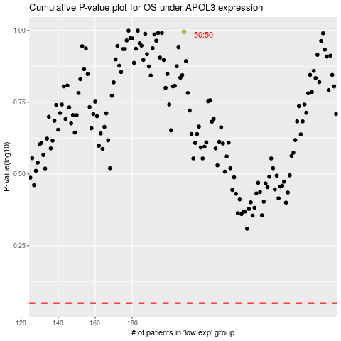

 |  |  |  |  |  | cases_OS | p_OS | rank | exp
 |  |  |  |  |  |  | cases_RFS | p_RFS | rank | exp

