APOL4 _multivariate
Reported by Tex Li-Hsing Chi. tex@gate.sinica.edu.tw 2019-08-22

Table 2. The clinicopathological features of HNSCC cohort and APOL4 expression. (Chi square test)
Cutoff at -0.349 (50.0%)
 |  | APOL4 expression |  | APOL4 expression |  | (Optimised)
 | Features | Low | (%) | High | (%) | Case no | P-value | Remark | Matthews
Gender | Female | 164 | 39.5 | 142 | 34.2 | 415 | 0.0153 | 1 | 0
2 | Male | 43 | 10.4 | 66 | 15.9
Age at diagnosis | <=65y | 147 | 35.4 | 127 | 30.6 | 415 | 0.0416 | 1 | 0
4 | >65y | 60 | 14.5 | 81 | 19.5
Clinical T Status | T1+T2 | 65 | 15.7 | 84 | 20.2 | 415 | 0.0711 | 0 | 0
6 | T3+T4 | 142 | 34.2 | 124 | 29.9
Clinical N Status | N0 | 112 | 27 | 104 | 25.1 | 415 | 0.4599 | 0 | 0
8 | N1-3 | 95 | 22.9 | 104 | 25.1
Clinical M Status | M0 | 206 | 49.6 | 206 | 49.6 | 415 | 1 | 0 | 0
10 | M1 | 1 | 0.2 | 2 | 0.5
Clinical Stage | Stage I+II | 43 | 10.4 | 59 | 14.2 | 415 | 0.0925 | 0 | 0
12 | Stage III+IV | 164 | 39.5 | 149 | 35.9
Surgical Margin status | Negative | 165 | 39.8 | 153 | 36.9 | 415 | 0.1639 | 0 | 0
14 | Positive | 42 | 10.1 | 55 | 13.3
Tobacco Exposure | Low | 70 | 16.9 | 91 | 21.9 | 415 | 0.0439 | 1 | 0
16 | High | 137 | 33 | 117 | 28.2

Table 3. Univariate/Multivariate Cox's proportional hazards regression analyses on OS time of APOL4 gene expression in HNSCC

 |  | Univariate |  |  |  | Multivariate
 | Features | HR | CI95%(L) | CI95%(H) | P-value | HR | CI95%(L) | CI95%(H) | P-value
1 | Female | 1 |  |  |  | 1
Gender | Male | 1.157 | 0.843 | 1.587 | 0.367 | 1.22 | 0.872 | 1.707 | 0.246
11 | <=65y | 1 |  |  |  | 1
Age at diagnosis | >65y | 1.329 | 0.99 | 1.784 | 0.058 | 1.414 | 1.038 | 1.925 | 0.028
12 | T1+T2 | 1 |  |  |  | 1
Clinical T Status | T3+T4 | 1.409 | 1.028 | 1.931 | 0.033 | 2.241 | 1.184 | 4.241 | 0.013
13 | N0 | 1 |  |  |  | 1
Clinical N Status | N1-3 | 1.185 | 0.89 | 1.577 | 0.246 | 1.267 | 0.886 | 1.813 | 0.194
14 | M0 | 1 |  |  |  | 1
Clinical M Status | M1 | 4.097 | 1.009 | 16.644 | 0.049 | 9.759 | 2.125 | 44.824 | 0.003
15 | Stage I+II | 1 |  |  |  | 1
Clinical Stage | Stage III+IV | 1.245 | 0.882 | 1.759 | 0.213 | 0.482 | 0.223 | 1.04 | 0.063
16 | Negative | 1 |  |  |  | 1
Surgical Margin status | Positive | 1.591 | 1.155 | 2.191 | 0.004 | 1.712 | 1.234 | 2.375 | 0.001
17 | Low | 1 |  |  |  | 1
Tobacco Exposure | High | 1.364 | 1.008 | 1.844 | 0.044 | 1.435 | 1.04 | 1.979 | 0.028
18 | Low | 1 |  |  |  | 1
RNAseq(z-score) | High | 0.948 | 0.712 | 1.262 | 0.713 | 0.862 | 0.639 | 1.164 | 0.334

Table 4. Univariate/Multivariate Cox's proportional hazards regression analyses on RFS time of APOL4 gene expression in HNSCC

 |  | Univariate |  |  |  | Multivariate
 | Features | HR | CI95%(L) | CI95%(H) | P-value | HR | CI95%(L) | CI95%(H) | P-value
1 | Female | 1 |  |  |  | 1
Gender | Male | 1.157 | 0.843 | 1.587 | 0.367 | 1.22 | 0.872 | 1.707 | 0.246
11 | <=65y | 1 |  |  |  | 1
Age at diagnosis | >65y | 1.329 | 0.99 | 1.784 | 0.058 | 1.414 | 1.038 | 1.925 | 0.028
12 | T1+T2 | 1 |  |  |  | 1
Clinical T Status | T3+T4 | 1.409 | 1.028 | 1.931 | 0.033 | 2.241 | 1.184 | 4.241 | 0.013
13 | N0 | 1 |  |  |  | 1
Clinical N Status | N1-3 | 1.185 | 0.89 | 1.577 | 0.246 | 1.267 | 0.886 | 1.813 | 0.194
14 | M0 | 1 |  |  |  | 1
Clinical M Status | M1 | 4.097 | 1.009 | 16.644 | 0.049 | 9.759 | 2.125 | 44.824 | 0.003
15 | Stage I+II | 1 |  |  |  | 1
Clinical Stage | Stage III+IV | 1.245 | 0.882 | 1.759 | 0.213 | 0.482 | 0.223 | 1.04 | 0.063
16 | Negative | 1 |  |  |  | 1
Surgical Margin status | Positive | 1.591 | 1.155 | 2.191 | 0.004 | 1.712 | 1.234 | 2.375 | 0.001
17 | Low | 1 |  |  |  | 1
Tobacco Exposure | High | 1.364 | 1.008 | 1.844 | 0.044 | 1.435 | 1.04 | 1.979 | 0.028
18 | Low | 1 |  |  |  | 1
RNAseq(z-score) | High | 0.948 | 0.712 | 1.262 | 0.713 | 0.862 | 0.639 | 1.164 | 0.334

Kaplan-Meier survival estimate: Cutoff at -0.349 (50.0%)



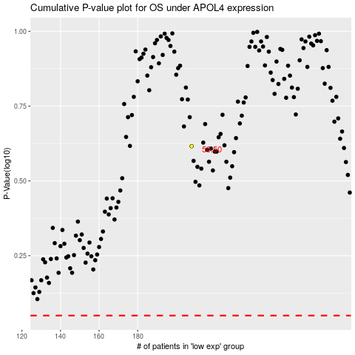

 |  |  |  |  |  | cases_OS | p_OS | rank | exp
 |  |  |  |  |  |  | cases_RFS | p_RFS | rank | exp

