APOLD1 _multivariate
Reported by Tex Li-Hsing Chi. tex@gate.sinica.edu.tw 2019-08-22

Table 2. The clinicopathological features of HNSCC cohort and APOLD1 expression. (Chi square test)
Cutoff at -0.145 (58.5%)
 |  | APOLD1 expression |  | APOLD1 expression |  | (Optimised)
 | Features | Low | (%) | High | (%) | Case no | P-value | Remark | Matthews
Gender | Female | 175 | 42.2 | 131 | 31.6 | 415 | 0.5062 | 0 | 0
2 | Male | 67 | 16.1 | 42 | 10.1
Age at diagnosis | <=65y | 161 | 38.8 | 113 | 27.2 | 415 | 0.8794 | 0 | 0
4 | >65y | 81 | 19.5 | 60 | 14.5
Clinical T Status | T1+T2 | 81 | 19.5 | 68 | 16.4 | 415 | 0.2636 | 0 | 0
6 | T3+T4 | 161 | 38.8 | 105 | 25.3
Clinical N Status | N0 | 125 | 30.1 | 91 | 21.9 | 415 | 0.9275 | 0 | 0
8 | N1-3 | 117 | 28.2 | 82 | 19.8
Clinical M Status | M0 | 239 | 57.6 | 173 | 41.7 | 415 | 0.269 | 0 | 0
10 | M1 | 3 | 0.7 | 0 | 0
Clinical Stage | Stage I+II | 59 | 14.2 | 43 | 10.4 | 415 | 1 | 0 | 0
12 | Stage III+IV | 183 | 44.1 | 130 | 31.3
Surgical Margin status | Negative | 192 | 46.3 | 126 | 30.4 | 415 | 0.1278 | 0 | 0
14 | Positive | 50 | 12 | 47 | 11.3
Tobacco Exposure | Low | 92 | 22.2 | 69 | 16.6 | 415 | 0.7593 | 0 | 0
16 | High | 150 | 36.1 | 104 | 25.1

Table 3. Univariate/Multivariate Cox's proportional hazards regression analyses on OS time of APOLD1 gene expression in HNSCC

 |  | Univariate |  |  |  | Multivariate
 | Features | HR | CI95%(L) | CI95%(H) | P-value | HR | CI95%(L) | CI95%(H) | P-value
1 | Female | 1 |  |  |  | 1
Gender | Male | 1.157 | 0.843 | 1.587 | 0.367 | 1.182 | 0.846 | 1.653 | 0.327
11 | <=65y | 1 |  |  |  | 1
Age at diagnosis | >65y | 1.329 | 0.99 | 1.784 | 0.058 | 1.396 | 1.028 | 1.897 | 0.033
12 | T1+T2 | 1 |  |  |  | 1
Clinical T Status | T3+T4 | 1.409 | 1.028 | 1.931 | 0.033 | 2.073 | 1.094 | 3.928 | 0.025
13 | N0 | 1 |  |  |  | 1
Clinical N Status | N1-3 | 1.185 | 0.89 | 1.577 | 0.246 | 1.214 | 0.852 | 1.732 | 0.283
14 | M0 | 1 |  |  |  | 1
Clinical M Status | M1 | 4.097 | 1.009 | 16.644 | 0.049 | 8.071 | 1.746 | 37.306 | 0.008
15 | Stage I+II | 1 |  |  |  | 1
Clinical Stage | Stage III+IV | 1.245 | 0.882 | 1.759 | 0.213 | 0.539 | 0.251 | 1.16 | 0.114
16 | Negative | 1 |  |  |  | 1
Surgical Margin status | Positive | 1.591 | 1.155 | 2.191 | 0.004 | 1.668 | 1.207 | 2.304 | 0.002
17 | Low | 1 |  |  |  | 1
Tobacco Exposure | High | 1.364 | 1.008 | 1.844 | 0.044 | 1.448 | 1.05 | 1.997 | 0.024
18 | Low | 1 |  |  |  | 1
RNAseq(z-score) | High | 0.716 | 0.528 | 0.971 | 0.032 | 0.757 | 0.557 | 1.03 | 0.077

Table 4. Univariate/Multivariate Cox's proportional hazards regression analyses on RFS time of APOLD1 gene expression in HNSCC

 |  | Univariate |  |  |  | Multivariate
 | Features | HR | CI95%(L) | CI95%(H) | P-value | HR | CI95%(L) | CI95%(H) | P-value
1 | Female | 1 |  |  |  | 1
Gender | Male | 1.157 | 0.843 | 1.587 | 0.367 | 1.182 | 0.846 | 1.653 | 0.327
11 | <=65y | 1 |  |  |  | 1
Age at diagnosis | >65y | 1.329 | 0.99 | 1.784 | 0.058 | 1.396 | 1.028 | 1.897 | 0.033
12 | T1+T2 | 1 |  |  |  | 1
Clinical T Status | T3+T4 | 1.409 | 1.028 | 1.931 | 0.033 | 2.073 | 1.094 | 3.928 | 0.025
13 | N0 | 1 |  |  |  | 1
Clinical N Status | N1-3 | 1.185 | 0.89 | 1.577 | 0.246 | 1.214 | 0.852 | 1.732 | 0.283
14 | M0 | 1 |  |  |  | 1
Clinical M Status | M1 | 4.097 | 1.009 | 16.644 | 0.049 | 8.071 | 1.746 | 37.306 | 0.008
15 | Stage I+II | 1 |  |  |  | 1
Clinical Stage | Stage III+IV | 1.245 | 0.882 | 1.759 | 0.213 | 0.539 | 0.251 | 1.16 | 0.114
16 | Negative | 1 |  |  |  | 1
Surgical Margin status | Positive | 1.591 | 1.155 | 2.191 | 0.004 | 1.668 | 1.207 | 2.304 | 0.002
17 | Low | 1 |  |  |  | 1
Tobacco Exposure | High | 1.364 | 1.008 | 1.844 | 0.044 | 1.448 | 1.05 | 1.997 | 0.024
18 | Low | 1 |  |  |  | 1
RNAseq(z-score) | High | 0.716 | 0.528 | 0.971 | 0.032 | 0.757 | 0.557 | 1.03 | 0.077

Kaplan-Meier survival estimate: Cutoff at -0.145 (58.5%)

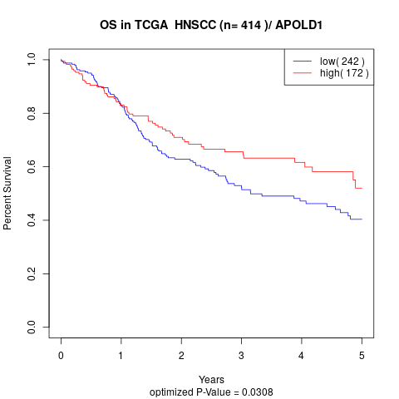

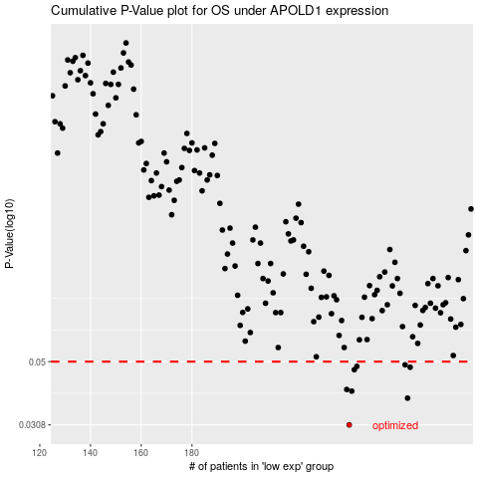

 |  |  |  |  |  | cases_OS | p_OS | rank | exp
 |  |  |  |  |  | 242 | 0.0308 | 41 | -0.14501376233
 |  |  |  |  |  | 265 | 0.0378 | 71 | -0.042153222662
 |  |  |  |  |  | 243 | 0.0399 | 334 | -0.14126420295
 |  |  |  |  |  | 241 | 0.0404 | 125 | -0.14620365586
 |  |  |  |  |  | 244 | 0.047 | 25 | -0.14103654884
 |  |  |  |  |  | 266 | 0.0479 | 127 | -0.035834057593
 |  |  |  |  |  | 245 | 0.0482 | 402 | -0.1376291119
 |  |  |  |  |  | 264 | 0.0488 | 176 | -0.043404037708
 |  |  |  |  |  |  | cases_RFS | p_RFS | rank | exp
 |  |  |  |  |  |  | 241 | 0.0308 | 125 | -0.14620365586
 |  |  |  |  |  |  | 264 | 0.0378 | 176 | -0.043404037708
 |  |  |  |  |  |  | 242 | 0.0399 | 41 | -0.14501376233
 |  |  |  |  |  |  | 240 | 0.0404 | 78 | -0.15072884241
 |  |  |  |  |  |  | 243 | 0.047 | 334 | -0.14126420295
 |  |  |  |  |  |  | 265 | 0.0479 | 71 | -0.042153222662
 |  |  |  |  |  |  | 244 | 0.0482 | 25 | -0.14103654884
 |  |  |  |  |  |  | 263 | 0.0488 | 308 | -0.045401943003

