APOO _multivariate
Reported by Tex Li-Hsing Chi. tex@gate.sinica.edu.tw 2019-08-22

Table 2. The clinicopathological features of HNSCC cohort and APOO expression. (Chi square test)
Cutoff at -0.332 (50.0%)
 |  | APOO expression |  | APOO expression |  | (Optimised)
 | Features | Low | (%) | High | (%) | Case no | P-value | Remark | Matthews
Gender | Female | 149 | 35.9 | 157 | 37.8 | 415 | 0.4848 | 0 | 0
2 | Male | 58 | 14 | 51 | 12.3
Age at diagnosis | <=65y | 133 | 32 | 141 | 34 | 415 | 0.5111 | 0 | 0
4 | >65y | 74 | 17.8 | 67 | 16.1
Clinical T Status | T1+T2 | 72 | 17.3 | 77 | 18.6 | 415 | 0.7095 | 0 | 0
6 | T3+T4 | 135 | 32.5 | 131 | 31.6
Clinical N Status | N0 | 111 | 26.7 | 105 | 25.3 | 415 | 0.5875 | 0 | 0
8 | N1-3 | 96 | 23.1 | 103 | 24.8
Clinical M Status | M0 | 207 | 49.9 | 205 | 49.4 | 415 | 0.2482 | 0 | 0
10 | M1 | 0 | 0 | 3 | 0.7
Clinical Stage | Stage I+II | 56 | 13.5 | 46 | 11.1 | 415 | 0.2918 | 0 | 0
12 | Stage III+IV | 151 | 36.4 | 162 | 39
Surgical Margin status | Negative | 167 | 40.2 | 151 | 36.4 | 415 | 0.0632 | 0 | 0
14 | Positive | 40 | 9.6 | 57 | 13.7
Tobacco Exposure | Low | 85 | 20.5 | 76 | 18.3 | 415 | 0.3655 | 0 | 0
16 | High | 122 | 29.4 | 132 | 31.8

Table 3. Univariate/Multivariate Cox's proportional hazards regression analyses on OS time of APOO gene expression in HNSCC

 |  | Univariate |  |  |  | Multivariate
 | Features | HR | CI95%(L) | CI95%(H) | P-value | HR | CI95%(L) | CI95%(H) | P-value
1 | Female | 1 |  |  |  | 1
Gender | Male | 1.157 | 0.843 | 1.587 | 0.367 | 1.203 | 0.861 | 1.68 | 0.279
11 | <=65y | 1 |  |  |  | 1
Age at diagnosis | >65y | 1.329 | 0.99 | 1.784 | 0.058 | 1.393 | 1.025 | 1.894 | 0.034
12 | T1+T2 | 1 |  |  |  | 1
Clinical T Status | T3+T4 | 1.409 | 1.028 | 1.931 | 0.033 | 2.222 | 1.173 | 4.207 | 0.014
13 | N0 | 1 |  |  |  | 1
Clinical N Status | N1-3 | 1.185 | 0.89 | 1.577 | 0.246 | 1.241 | 0.87 | 1.77 | 0.234
14 | M0 | 1 |  |  |  | 1
Clinical M Status | M1 | 4.097 | 1.009 | 16.644 | 0.049 | 9.216 | 2.004 | 42.392 | 0.004
15 | Stage I+II | 1 |  |  |  | 1
Clinical Stage | Stage III+IV | 1.245 | 0.882 | 1.759 | 0.213 | 0.5 | 0.232 | 1.074 | 0.075
16 | Negative | 1 |  |  |  | 1
Surgical Margin status | Positive | 1.591 | 1.155 | 2.191 | 0.004 | 1.664 | 1.204 | 2.302 | 0.002
17 | Low | 1 |  |  |  | 1
Tobacco Exposure | High | 1.364 | 1.008 | 1.844 | 0.044 | 1.449 | 1.051 | 1.997 | 0.024
18 | Low | 1 |  |  |  | 1
RNAseq(z-score) | High | 1.071 | 0.801 | 1.432 | 0.644 | 1.06 | 0.789 | 1.424 | 0.7

Table 4. Univariate/Multivariate Cox's proportional hazards regression analyses on RFS time of APOO gene expression in HNSCC

 |  | Univariate |  |  |  | Multivariate
 | Features | HR | CI95%(L) | CI95%(H) | P-value | HR | CI95%(L) | CI95%(H) | P-value
1 | Female | 1 |  |  |  | 1
Gender | Male | 1.157 | 0.843 | 1.587 | 0.367 | 1.203 | 0.861 | 1.68 | 0.279
11 | <=65y | 1 |  |  |  | 1
Age at diagnosis | >65y | 1.329 | 0.99 | 1.784 | 0.058 | 1.393 | 1.025 | 1.894 | 0.034
12 | T1+T2 | 1 |  |  |  | 1
Clinical T Status | T3+T4 | 1.409 | 1.028 | 1.931 | 0.033 | 2.222 | 1.173 | 4.207 | 0.014
13 | N0 | 1 |  |  |  | 1
Clinical N Status | N1-3 | 1.185 | 0.89 | 1.577 | 0.246 | 1.241 | 0.87 | 1.77 | 0.234
14 | M0 | 1 |  |  |  | 1
Clinical M Status | M1 | 4.097 | 1.009 | 16.644 | 0.049 | 9.216 | 2.004 | 42.392 | 0.004
15 | Stage I+II | 1 |  |  |  | 1
Clinical Stage | Stage III+IV | 1.245 | 0.882 | 1.759 | 0.213 | 0.5 | 0.232 | 1.074 | 0.075
16 | Negative | 1 |  |  |  | 1
Surgical Margin status | Positive | 1.591 | 1.155 | 2.191 | 0.004 | 1.664 | 1.204 | 2.302 | 0.002
17 | Low | 1 |  |  |  | 1
Tobacco Exposure | High | 1.364 | 1.008 | 1.844 | 0.044 | 1.449 | 1.051 | 1.997 | 0.024
18 | Low | 1 |  |  |  | 1
RNAseq(z-score) | High | 1.071 | 0.801 | 1.432 | 0.644 | 1.06 | 0.789 | 1.424 | 0.7

Kaplan-Meier survival estimate: Cutoff at -0.332 (50.0%)



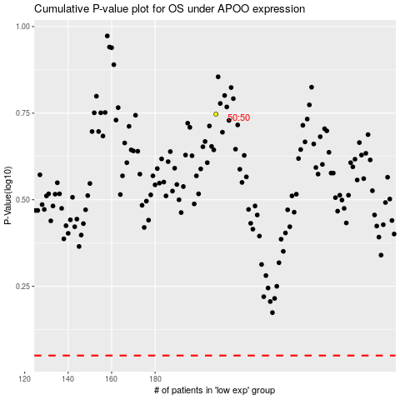

 |  |  |  |  |  | cases_OS | p_OS | rank | exp
 |  |  |  |  |  |  | cases_RFS | p_RFS | rank | exp

