APPL2 _multivariate
Reported by Tex Li-Hsing Chi. tex@gate.sinica.edu.tw 2019-08-22

Table 2. The clinicopathological features of HNSCC cohort and APPL2 expression. (Chi square test)
Cutoff at -0.551 (30.4%)
 |  | APPL2 expression |  | APPL2 expression |  | (Optimised)
 | Features | Low | (%) | High | (%) | Case no | P-value | Remark | Matthews
Gender | Female | 96 | 23.1 | 210 | 50.6 | 415 | 0.5292 | 0 | 0
2 | Male | 30 | 7.2 | 79 | 19
Age at diagnosis | <=65y | 82 | 19.8 | 192 | 46.3 | 415 | 0.8763 | 0 | 0
4 | >65y | 44 | 10.6 | 97 | 23.4
Clinical T Status | T1+T2 | 41 | 9.9 | 108 | 26 | 415 | 0.4054 | 0 | 0
6 | T3+T4 | 85 | 20.5 | 181 | 43.6
Clinical N Status | N0 | 58 | 14 | 158 | 38.1 | 415 | 0.1303 | 0 | 0
8 | N1-3 | 68 | 16.4 | 131 | 31.6
Clinical M Status | M0 | 124 | 29.9 | 288 | 69.4 | 415 | 0.22 | 0 | 0
10 | M1 | 2 | 0.5 | 1 | 0.2
Clinical Stage | Stage I+II | 27 | 6.5 | 75 | 18.1 | 415 | 0.3898 | 0 | 0
12 | Stage III+IV | 99 | 23.9 | 214 | 51.6
Surgical Margin status | Negative | 101 | 24.3 | 217 | 52.3 | 415 | 0.3131 | 0 | 0
14 | Positive | 25 | 6 | 72 | 17.3
Tobacco Exposure | Low | 50 | 12 | 111 | 26.7 | 415 | 0.8271 | 0 | 0
16 | High | 76 | 18.3 | 178 | 42.9

Table 3. Univariate/Multivariate Cox's proportional hazards regression analyses on OS time of APPL2 gene expression in HNSCC

 |  | Univariate |  |  |  | Multivariate
 | Features | HR | CI95%(L) | CI95%(H) | P-value | HR | CI95%(L) | CI95%(H) | P-value
1 | Female | 1 |  |  |  | 1
Gender | Male | 1.157 | 0.843 | 1.587 | 0.367 | 1.215 | 0.869 | 1.697 | 0.255
11 | <=65y | 1 |  |  |  | 1
Age at diagnosis | >65y | 1.329 | 0.99 | 1.784 | 0.058 | 1.375 | 1.011 | 1.87 | 0.042
12 | T1+T2 | 1 |  |  |  | 1
Clinical T Status | T3+T4 | 1.409 | 1.028 | 1.931 | 0.033 | 2.154 | 1.14 | 4.069 | 0.018
13 | N0 | 1 |  |  |  | 1
Clinical N Status | N1-3 | 1.185 | 0.89 | 1.577 | 0.246 | 1.211 | 0.848 | 1.728 | 0.292
14 | M0 | 1 |  |  |  | 1
Clinical M Status | M1 | 4.097 | 1.009 | 16.644 | 0.049 | 7.735 | 1.676 | 35.691 | 0.009
15 | Stage I+II | 1 |  |  |  | 1
Clinical Stage | Stage III+IV | 1.245 | 0.882 | 1.759 | 0.213 | 0.499 | 0.233 | 1.071 | 0.075
16 | Negative | 1 |  |  |  | 1
Surgical Margin status | Positive | 1.591 | 1.155 | 2.191 | 0.004 | 1.756 | 1.269 | 2.43 | 0.001
17 | Low | 1 |  |  |  | 1
Tobacco Exposure | High | 1.364 | 1.008 | 1.844 | 0.044 | 1.538 | 1.111 | 2.128 | 0.009
18 | Low | 1 |  |  |  | 1
RNAseq(z-score) | High | 0.676 | 0.501 | 0.913 | 0.011 | 0.652 | 0.479 | 0.888 | 0.007

Table 4. Univariate/Multivariate Cox's proportional hazards regression analyses on RFS time of APPL2 gene expression in HNSCC

 |  | Univariate |  |  |  | Multivariate
 | Features | HR | CI95%(L) | CI95%(H) | P-value | HR | CI95%(L) | CI95%(H) | P-value
1 | Female | 1 |  |  |  | 1
Gender | Male | 1.157 | 0.843 | 1.587 | 0.367 | 1.215 | 0.869 | 1.697 | 0.255
11 | <=65y | 1 |  |  |  | 1
Age at diagnosis | >65y | 1.329 | 0.99 | 1.784 | 0.058 | 1.375 | 1.011 | 1.87 | 0.042
12 | T1+T2 | 1 |  |  |  | 1
Clinical T Status | T3+T4 | 1.409 | 1.028 | 1.931 | 0.033 | 2.154 | 1.14 | 4.069 | 0.018
13 | N0 | 1 |  |  |  | 1
Clinical N Status | N1-3 | 1.185 | 0.89 | 1.577 | 0.246 | 1.211 | 0.848 | 1.728 | 0.292
14 | M0 | 1 |  |  |  | 1
Clinical M Status | M1 | 4.097 | 1.009 | 16.644 | 0.049 | 7.735 | 1.676 | 35.691 | 0.009
15 | Stage I+II | 1 |  |  |  | 1
Clinical Stage | Stage III+IV | 1.245 | 0.882 | 1.759 | 0.213 | 0.499 | 0.233 | 1.071 | 0.075
16 | Negative | 1 |  |  |  | 1
Surgical Margin status | Positive | 1.591 | 1.155 | 2.191 | 0.004 | 1.756 | 1.269 | 2.43 | 0.001
17 | Low | 1 |  |  |  | 1
Tobacco Exposure | High | 1.364 | 1.008 | 1.844 | 0.044 | 1.538 | 1.111 | 2.128 | 0.009
18 | Low | 1 |  |  |  | 1
RNAseq(z-score) | High | 0.676 | 0.501 | 0.913 | 0.011 | 0.652 | 0.479 | 0.888 | 0.007

Kaplan-Meier survival estimate: Cutoff at -0.551 (30.4%)

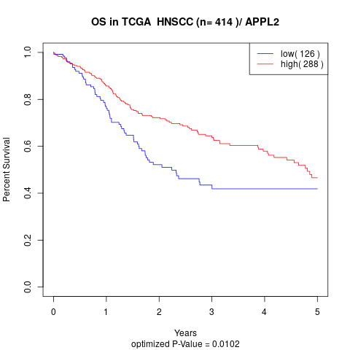

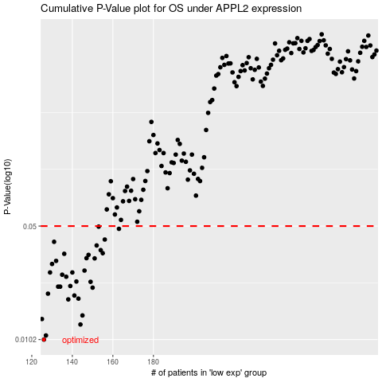

 |  |  |  |  |  | cases_OS | p_OS | rank | exp
 |  |  |  |  |  | 126 | 0.0102 | 27 | -0.55125946869
 |  |  |  |  |  | 127 | 0.0108 | 183 | -0.54770057849
 |  |  |  |  |  | 144 | 0.0126 | 331 | -0.47065001846
 |  |  |  |  |  | 125 | 0.0136 | 325 | -0.55640257065
 |  |  |  |  |  | 145 | 0.0143 | 219 | -0.46955052393
 |  |  |  |  |  | 138 | 0.0179 | 293 | -0.50579173153
 |  |  |  |  |  | 143 | 0.0181 | 80 | -0.47634028941
 |  |  |  |  |  | 141 | 0.0189 | 311 | -0.48128658242
 |  |  |  |  |  | 128 | 0.0194 | 75 | -0.54530592638
 |  |  |  |  |  | 150 | 0.0211 | 368 | -0.44796026717
 |  |  |  |  |  | 133 | 0.0214 | 333 | -0.51525259837
 |  |  |  |  |  | 134 | 0.0214 | 354 | -0.51341055829
 |  |  |  |  |  | 139 | 0.0216 | 156 | -0.50091533864
 |  |  |  |  |  | 149 | 0.0229 | 72 | -0.45297101727
 |  |  |  |  |  | 142 | 0.023 | 265 | -0.47771709262
 |  |  |  |  |  | 137 | 0.0246 | 123 | -0.50585790747
 |  |  |  |  |  | 135 | 0.0253 | 166 | -0.5098230205
 |  |  |  |  |  | 140 | 0.0261 | 227 | -0.48636751911
 |  |  |  |  |  | 129 | 0.0261 | 332 | -0.53821450177
 |  |  |  |  |  | 146 | 0.0268 | 341 | -0.46875240205
 |  |  |  |  |  | 130 | 0.0294 | 41 | -0.53512084845
 |  |  |  |  |  | 132 | 0.0307 | 159 | -0.52136742662
 |  |  |  |  |  | 151 | 0.0318 | 47 | -0.44657315083
 |  |  |  |  |  | 147 | 0.0319 | 94 | -0.45845531204
 |  |  |  |  |  | 148 | 0.0334 | 124 | -0.4577898285
 |  |  |  |  |  | 136 | 0.0339 | 138 | -0.50654860088
 |  |  |  |  |  | 155 | 0.0342 | 157 | -0.42472993585
 |  |  |  |  |  | 154 | 0.0357 | 218 | -0.42814415571
 |  |  |  |  |  | 152 | 0.0381 | 141 | -0.43532209605
 |  |  |  |  |  | 131 | 0.0401 | 163 | -0.53343579716
 |  |  |  |  |  | 156 | 0.0414 | 232 | -0.42206313163
 |  |  |  |  |  | 163 | 0.0481 | 353 | -0.40210664697
 |  |  |  |  |  | 153 | 0.0496 | 222 | -0.43467609288
 |  |  |  |  |  |  | cases_RFS | p_RFS | rank | exp
 |  |  |  |  |  |  | 125 | 0.0102 | 325 | -0.55640257065
 |  |  |  |  |  |  | 126 | 0.0108 | 27 | -0.55125946869
 |  |  |  |  |  |  | 143 | 0.0126 | 80 | -0.47634028941
 |  |  |  |  |  |  |  | 0.0136 | 48 | -0.55746109913
 |  |  |  |  |  |  | 144 | 0.0143 | 331 | -0.47065001846
 |  |  |  |  |  |  | 137 | 0.0179 | 123 | -0.50585790747
 |  |  |  |  |  |  | 142 | 0.0181 | 265 | -0.47771709262
 |  |  |  |  |  |  | 140 | 0.0189 | 227 | -0.48636751911
 |  |  |  |  |  |  | 127 | 0.0194 | 183 | -0.54770057849
 |  |  |  |  |  |  | 149 | 0.0211 | 72 | -0.45297101727
 |  |  |  |  |  |  | 132 | 0.0214 | 159 | -0.52136742662
 |  |  |  |  |  |  | 133 | 0.0214 | 333 | -0.51525259837
 |  |  |  |  |  |  | 138 | 0.0216 | 293 | -0.50579173153
 |  |  |  |  |  |  | 148 | 0.0229 | 124 | -0.4577898285
 |  |  |  |  |  |  | 141 | 0.023 | 311 | -0.48128658242
 |  |  |  |  |  |  | 136 | 0.0246 | 138 | -0.50654860088
 |  |  |  |  |  |  | 134 | 0.0253 | 354 | -0.51341055829
 |  |  |  |  |  |  | 128 | 0.0261 | 75 | -0.54530592638
 |  |  |  |  |  |  | 139 | 0.0261 | 156 | -0.50091533864
 |  |  |  |  |  |  | 145 | 0.0268 | 219 | -0.46955052393
 |  |  |  |  |  |  | 129 | 0.0294 | 332 | -0.53821450177
 |  |  |  |  |  |  | 131 | 0.0307 | 163 | -0.53343579716
 |  |  |  |  |  |  | 150 | 0.0318 | 368 | -0.44796026717
 |  |  |  |  |  |  | 146 | 0.0319 | 341 | -0.46875240205
 |  |  |  |  |  |  | 147 | 0.0334 | 94 | -0.45845531204
 |  |  |  |  |  |  | 135 | 0.0339 | 166 | -0.5098230205
 |  |  |  |  |  |  | 154 | 0.0342 | 218 | -0.42814415571
 |  |  |  |  |  |  | 153 | 0.0357 | 222 | -0.43467609288
 |  |  |  |  |  |  | 151 | 0.0381 | 47 | -0.44657315083
 |  |  |  |  |  |  | 130 | 0.0401 | 41 | -0.53512084845
 |  |  |  |  |  |  | 155 | 0.0414 | 157 | -0.42472993585
 |  |  |  |  |  |  | 162 | 0.0481 | 2 | -0.40261084457
 |  |  |  |  |  |  | 152 | 0.0496 | 141 | -0.43532209605

