APRT _multivariate
Reported by Tex Li-Hsing Chi. tex@gate.sinica.edu.tw 2019-08-22

Table 2. The clinicopathological features of HNSCC cohort and APRT expression. (Chi square test)
Cutoff at -0.227 (49.8%)
 |  | APRT expression |  | APRT expression |  | (Optimised)
 | Features | Low | (%) | High | (%) | Case no | P-value | Remark | Matthews
Gender | Female | 155 | 37.3 | 151 | 36.4 | 415 | 0.6768 | 0 | 0
2 | Male | 52 | 12.5 | 57 | 13.7
Age at diagnosis | <=65y | 137 | 33 | 137 | 33 | 415 | 1 | 0 | 0
4 | >65y | 70 | 16.9 | 71 | 17.1
Clinical T Status | T1+T2 | 80 | 19.3 | 69 | 16.6 | 415 | 0.2891 | 0 | 0
6 | T3+T4 | 127 | 30.6 | 139 | 33.5
Clinical N Status | N0 | 105 | 25.3 | 111 | 26.7 | 415 | 0.6598 | 0 | 0
8 | N1-3 | 102 | 24.6 | 97 | 23.4
Clinical M Status | M0 | 207 | 49.9 | 205 | 49.4 | 415 | 0.2482 | 0 | 0
10 | M1 | 0 | 0 | 3 | 0.7
Clinical Stage | Stage I+II | 55 | 13.3 | 47 | 11.3 | 415 | 0.4087 | 0 | 0
12 | Stage III+IV | 152 | 36.6 | 161 | 38.8
Surgical Margin status | Negative | 158 | 38.1 | 160 | 38.6 | 415 | 0.9081 | 0 | 0
14 | Positive | 49 | 11.8 | 48 | 11.6
Tobacco Exposure | Low | 86 | 20.7 | 75 | 18.1 | 415 | 0.2687 | 0 | 0
16 | High | 121 | 29.2 | 133 | 32

Table 3. Univariate/Multivariate Cox's proportional hazards regression analyses on OS time of APRT gene expression in HNSCC

 |  | Univariate |  |  |  | Multivariate
 | Features | HR | CI95%(L) | CI95%(H) | P-value | HR | CI95%(L) | CI95%(H) | P-value
1 | Female | 1 |  |  |  | 1
Gender | Male | 1.157 | 0.843 | 1.587 | 0.367 | 1.218 | 0.869 | 1.706 | 0.252
11 | <=65y | 1 |  |  |  | 1
Age at diagnosis | >65y | 1.329 | 0.99 | 1.784 | 0.058 | 1.388 | 1.021 | 1.887 | 0.036
12 | T1+T2 | 1 |  |  |  | 1
Clinical T Status | T3+T4 | 1.409 | 1.028 | 1.931 | 0.033 | 2.228 | 1.177 | 4.219 | 0.014
13 | N0 | 1 |  |  |  | 1
Clinical N Status | N1-3 | 1.185 | 0.89 | 1.577 | 0.246 | 1.239 | 0.868 | 1.767 | 0.238
14 | M0 | 1 |  |  |  | 1
Clinical M Status | M1 | 4.097 | 1.009 | 16.644 | 0.049 | 9.95 | 2.14 | 46.261 | 0.003
15 | Stage I+II | 1 |  |  |  | 1
Clinical Stage | Stage III+IV | 1.245 | 0.882 | 1.759 | 0.213 | 0.499 | 0.232 | 1.072 | 0.075
16 | Negative | 1 |  |  |  | 1
Surgical Margin status | Positive | 1.591 | 1.155 | 2.191 | 0.004 | 1.679 | 1.214 | 2.321 | 0.002
17 | Low | 1 |  |  |  | 1
Tobacco Exposure | High | 1.364 | 1.008 | 1.844 | 0.044 | 1.463 | 1.061 | 2.018 | 0.02
18 | Low | 1 |  |  |  | 1
RNAseq(z-score) | High | 1.012 | 0.76 | 1.348 | 0.934 | 0.923 | 0.688 | 1.237 | 0.591

Table 4. Univariate/Multivariate Cox's proportional hazards regression analyses on RFS time of APRT gene expression in HNSCC

 |  | Univariate |  |  |  | Multivariate
 | Features | HR | CI95%(L) | CI95%(H) | P-value | HR | CI95%(L) | CI95%(H) | P-value
1 | Female | 1 |  |  |  | 1
Gender | Male | 1.157 | 0.843 | 1.587 | 0.367 | 1.218 | 0.869 | 1.706 | 0.252
11 | <=65y | 1 |  |  |  | 1
Age at diagnosis | >65y | 1.329 | 0.99 | 1.784 | 0.058 | 1.388 | 1.021 | 1.887 | 0.036
12 | T1+T2 | 1 |  |  |  | 1
Clinical T Status | T3+T4 | 1.409 | 1.028 | 1.931 | 0.033 | 2.228 | 1.177 | 4.219 | 0.014
13 | N0 | 1 |  |  |  | 1
Clinical N Status | N1-3 | 1.185 | 0.89 | 1.577 | 0.246 | 1.239 | 0.868 | 1.767 | 0.238
14 | M0 | 1 |  |  |  | 1
Clinical M Status | M1 | 4.097 | 1.009 | 16.644 | 0.049 | 9.95 | 2.14 | 46.261 | 0.003
15 | Stage I+II | 1 |  |  |  | 1
Clinical Stage | Stage III+IV | 1.245 | 0.882 | 1.759 | 0.213 | 0.499 | 0.232 | 1.072 | 0.075
16 | Negative | 1 |  |  |  | 1
Surgical Margin status | Positive | 1.591 | 1.155 | 2.191 | 0.004 | 1.679 | 1.214 | 2.321 | 0.002
17 | Low | 1 |  |  |  | 1
Tobacco Exposure | High | 1.364 | 1.008 | 1.844 | 0.044 | 1.463 | 1.061 | 2.018 | 0.02
18 | Low | 1 |  |  |  | 1
RNAseq(z-score) | High | 1.012 | 0.76 | 1.348 | 0.934 | 0.923 | 0.688 | 1.237 | 0.591

Kaplan-Meier survival estimate: Cutoff at -0.227 (49.8%)



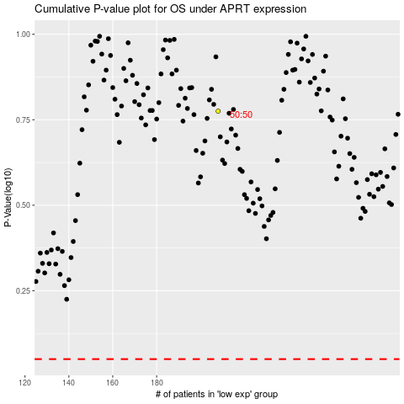

 |  |  |  |  |  | cases_OS | p_OS | rank | exp
 |  |  |  |  |  |  | cases_RFS | p_RFS | rank | exp

