APTX _multivariate
Reported by Tex Li-Hsing Chi. tex@gate.sinica.edu.tw 2019-08-22

Table 2. The clinicopathological features of HNSCC cohort and APTX expression. (Chi square test)
Cutoff at -0.573 (31.6%)
 |  | APTX expression |  | APTX expression |  | (Optimised)
 | Features | Low | (%) | High | (%) | Case no | P-value | Remark | Matthews
Gender | Female | 96 | 23.1 | 210 | 50.6 | 415 | 0.9822 | 0 | 0
2 | Male | 35 | 8.4 | 74 | 17.8
Age at diagnosis | <=65y | 91 | 21.9 | 183 | 44.1 | 415 | 0.3714 | 0 | 0
4 | >65y | 40 | 9.6 | 101 | 24.3
Clinical T Status | T1+T2 | 47 | 11.3 | 102 | 24.6 | 415 | 1 | 0 | 0
6 | T3+T4 | 84 | 20.2 | 182 | 43.9
Clinical N Status | N0 | 67 | 16.1 | 149 | 35.9 | 415 | 0.8852 | 0 | 0
8 | N1-3 | 64 | 15.4 | 135 | 32.5
Clinical M Status | M0 | 131 | 31.6 | 281 | 67.7 | 415 | 0.5549 | 0 | 0
10 | M1 | 0 | 0 | 3 | 0.7
Clinical Stage | Stage I+II | 30 | 7.2 | 72 | 17.3 | 415 | 0.6771 | 0 | 0
12 | Stage III+IV | 101 | 24.3 | 212 | 51.1
Surgical Margin status | Negative | 108 | 26 | 210 | 50.6 | 415 | 0.0618 | 0 | 0
14 | Positive | 23 | 5.5 | 74 | 17.8
Tobacco Exposure | Low | 53 | 12.8 | 108 | 26 | 415 | 0.6653 | 0 | 0
16 | High | 78 | 18.8 | 176 | 42.4

Table 3. Univariate/Multivariate Cox's proportional hazards regression analyses on OS time of APTX gene expression in HNSCC

 |  | Univariate |  |  |  | Multivariate
 | Features | HR | CI95%(L) | CI95%(H) | P-value | HR | CI95%(L) | CI95%(H) | P-value
1 | Female | 1 |  |  |  | 1
Gender | Male | 1.157 | 0.843 | 1.587 | 0.367 | 1.2 | 0.857 | 1.679 | 0.288
11 | <=65y | 1 |  |  |  | 1
Age at diagnosis | >65y | 1.329 | 0.99 | 1.784 | 0.058 | 1.375 | 1.012 | 1.87 | 0.042
12 | T1+T2 | 1 |  |  |  | 1
Clinical T Status | T3+T4 | 1.409 | 1.028 | 1.931 | 0.033 | 2.151 | 1.138 | 4.066 | 0.018
13 | N0 | 1 |  |  |  | 1
Clinical N Status | N1-3 | 1.185 | 0.89 | 1.577 | 0.246 | 1.235 | 0.866 | 1.761 | 0.244
14 | M0 | 1 |  |  |  | 1
Clinical M Status | M1 | 4.097 | 1.009 | 16.644 | 0.049 | 8.282 | 1.799 | 38.127 | 0.007
15 | Stage I+II | 1 |  |  |  | 1
Clinical Stage | Stage III+IV | 1.245 | 0.882 | 1.759 | 0.213 | 0.534 | 0.249 | 1.148 | 0.108
16 | Negative | 1 |  |  |  | 1
Surgical Margin status | Positive | 1.591 | 1.155 | 2.191 | 0.004 | 1.597 | 1.152 | 2.212 | 0.005
17 | Low | 1 |  |  |  | 1
Tobacco Exposure | High | 1.364 | 1.008 | 1.844 | 0.044 | 1.446 | 1.048 | 1.997 | 0.025
18 | Low | 1 |  |  |  | 1
RNAseq(z-score) | High | 1.495 | 1.083 | 2.064 | 0.014 | 1.392 | 1.004 | 1.931 | 0.047

Table 4. Univariate/Multivariate Cox's proportional hazards regression analyses on RFS time of APTX gene expression in HNSCC

 |  | Univariate |  |  |  | Multivariate
 | Features | HR | CI95%(L) | CI95%(H) | P-value | HR | CI95%(L) | CI95%(H) | P-value
1 | Female | 1 |  |  |  | 1
Gender | Male | 1.157 | 0.843 | 1.587 | 0.367 | 1.2 | 0.857 | 1.679 | 0.288
11 | <=65y | 1 |  |  |  | 1
Age at diagnosis | >65y | 1.329 | 0.99 | 1.784 | 0.058 | 1.375 | 1.012 | 1.87 | 0.042
12 | T1+T2 | 1 |  |  |  | 1
Clinical T Status | T3+T4 | 1.409 | 1.028 | 1.931 | 0.033 | 2.151 | 1.138 | 4.066 | 0.018
13 | N0 | 1 |  |  |  | 1
Clinical N Status | N1-3 | 1.185 | 0.89 | 1.577 | 0.246 | 1.235 | 0.866 | 1.761 | 0.244
14 | M0 | 1 |  |  |  | 1
Clinical M Status | M1 | 4.097 | 1.009 | 16.644 | 0.049 | 8.282 | 1.799 | 38.127 | 0.007
15 | Stage I+II | 1 |  |  |  | 1
Clinical Stage | Stage III+IV | 1.245 | 0.882 | 1.759 | 0.213 | 0.534 | 0.249 | 1.148 | 0.108
16 | Negative | 1 |  |  |  | 1
Surgical Margin status | Positive | 1.591 | 1.155 | 2.191 | 0.004 | 1.597 | 1.152 | 2.212 | 0.005
17 | Low | 1 |  |  |  | 1
Tobacco Exposure | High | 1.364 | 1.008 | 1.844 | 0.044 | 1.446 | 1.048 | 1.997 | 0.025
18 | Low | 1 |  |  |  | 1
RNAseq(z-score) | High | 1.495 | 1.083 | 2.064 | 0.014 | 1.392 | 1.004 | 1.931 | 0.047

Kaplan-Meier survival estimate: Cutoff at -0.573 (31.6%)

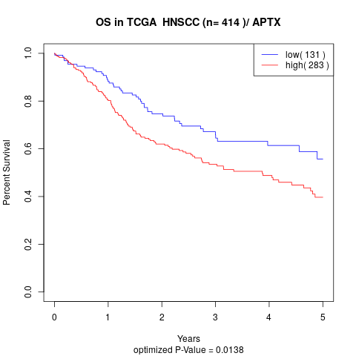

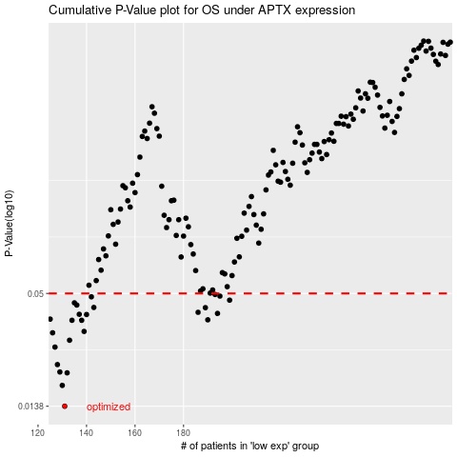

 |  |  |  |  |  | cases_OS | p_OS | rank | exp
 |  |  |  |  |  | 131 | 0.0138 | 276 | -0.57279107525
 |  |  |  |  |  | 130 | 0.0175 | 139 | -0.57343145188
 |  |  |  |  |  | 132 | 0.0202 | 224 | -0.55649391543
 |  |  |  |  |  | 129 | 0.0204 | 340 | -0.57702426264
 |  |  |  |  |  | 128 | 0.0222 | 384 | -0.58101252193
 |  |  |  |  |  | 127 | 0.0271 | 160 | -0.59223666486
 |  |  |  |  |  | 133 | 0.0293 | 405 | -0.54911548948
 |  |  |  |  |  | 126 | 0.0319 | 235 | -0.59914358426
 |  |  |  |  |  | 139 | 0.0324 | 323 | -0.50209966468
 |  |  |  |  |  | 134 | 0.0368 | 215 | -0.54765496271
 |  |  |  |  |  | 138 | 0.0368 | 367 | -0.5170463957
 |  |  |  |  |  | 190 | 0.037 | 79 | -0.2921571851
 |  |  |  |  |  | 125 | 0.0373 | 311 | -0.60136602094
 |  |  |  |  |  | 140 | 0.0393 | 21 | -0.49388672799
 |  |  |  |  |  | 137 | 0.0394 | 98 | -0.52734853457
 |  |  |  |  |  | 194 | 0.0398 | 248 | -0.28135375473
 |  |  |  |  |  | 186 | 0.0403 | 263 | -0.30352413628
 |  |  |  |  |  | 189 | 0.0425 | 382 | -0.29224228499
 |  |  |  |  |  | 143 | 0.0426 | 196 | -0.48159139025
 |  |  |  |  |  | 136 | 0.0438 | 388 | -0.5302078907
 |  |  |  |  |  | 135 | 0.0449 | 25 | -0.53816659149
 |  |  |  |  |  | 199 | 0.0463 | 114 | -0.26778776934
 |  |  |  |  |  | 142 | 0.0481 | 299 | -0.48882647609
 |  |  |  |  |  | 195 | 0.0485 | 69 | -0.27673602223
 |  |  |  |  |  | 193 | 0.0494 | 60 | -0.28144550304
 |  |  |  |  |  |  | cases_RFS | p_RFS | rank | exp
 |  |  |  |  |  |  | 130 | 0.0138 | 139 | -0.57343145188
 |  |  |  |  |  |  | 129 | 0.0175 | 340 | -0.57702426264
 |  |  |  |  |  |  | 131 | 0.0202 | 276 | -0.57279107525
 |  |  |  |  |  |  | 128 | 0.0204 | 384 | -0.58101252193
 |  |  |  |  |  |  | 127 | 0.0222 | 160 | -0.59223666486
 |  |  |  |  |  |  | 126 | 0.0271 | 235 | -0.59914358426
 |  |  |  |  |  |  | 132 | 0.0293 | 224 | -0.55649391543
 |  |  |  |  |  |  | 125 | 0.0319 | 311 | -0.60136602094
 |  |  |  |  |  |  | 138 | 0.0324 | 367 | -0.5170463957
 |  |  |  |  |  |  | 137 | 0.0368 | 98 | -0.52734853457
 |  |  |  |  |  |  | 133 | 0.0368 | 405 | -0.54911548948
 |  |  |  |  |  |  | 189 | 0.037 | 382 | -0.29224228499
 |  |  |  |  |  |  |  | 0.0373 | 282 | -0.60167769927
 |  |  |  |  |  |  | 139 | 0.0393 | 323 | -0.50209966468
 |  |  |  |  |  |  | 136 | 0.0394 | 388 | -0.5302078907
 |  |  |  |  |  |  | 193 | 0.0398 | 60 | -0.28144550304
 |  |  |  |  |  |  | 185 | 0.0403 | 230 | -0.30477430678
 |  |  |  |  |  |  | 188 | 0.0425 | 112 | -0.2938126438
 |  |  |  |  |  |  | 142 | 0.0426 | 299 | -0.48882647609
 |  |  |  |  |  |  | 135 | 0.0438 | 25 | -0.53816659149
 |  |  |  |  |  |  | 134 | 0.0449 | 215 | -0.54765496271
 |  |  |  |  |  |  | 198 | 0.0463 | 381 | -0.2683574067
 |  |  |  |  |  |  | 141 | 0.0481 | 11 | -0.49289265496
 |  |  |  |  |  |  | 194 | 0.0485 | 248 | -0.28135375473
 |  |  |  |  |  |  | 192 | 0.0494 | 81 | -0.28427773358

