AQP3 _multivariate
Reported by Tex Li-Hsing Chi. tex@gate.sinica.edu.tw 2019-08-22

Table 2. The clinicopathological features of HNSCC cohort and AQP3 expression. (Chi square test)
Cutoff at -0.397 (50.0%)
 |  | AQP3 expression |  | AQP3 expression |  | (Optimised)
 | Features | Low | (%) | High | (%) | Case no | P-value | Remark | Matthews
Gender | Female | 155 | 37.3 | 151 | 36.4 | 415 | 0.6768 | 0 | 0
2 | Male | 52 | 12.5 | 57 | 13.7
Age at diagnosis | <=65y | 139 | 33.5 | 135 | 32.5 | 415 | 0.7044 | 0 | 0
4 | >65y | 68 | 16.4 | 73 | 17.6
Clinical T Status | T1+T2 | 70 | 16.9 | 79 | 19 | 415 | 0.4343 | 0 | 0
6 | T3+T4 | 137 | 33 | 129 | 31.1
Clinical N Status | N0 | 103 | 24.8 | 113 | 27.2 | 415 | 0.4047 | 0 | 0
8 | N1-3 | 104 | 25.1 | 95 | 22.9
Clinical M Status | M0 | 205 | 49.4 | 207 | 49.9 | 415 | 0.6232 | 0 | 0
10 | M1 | 2 | 0.5 | 1 | 0.2
Clinical Stage | Stage I+II | 43 | 10.4 | 59 | 14.2 | 415 | 0.0925 | 0 | 0
12 | Stage III+IV | 164 | 39.5 | 149 | 35.9
Surgical Margin status | Negative | 166 | 40 | 152 | 36.6 | 415 | 0.1042 | 0 | 0
14 | Positive | 41 | 9.9 | 56 | 13.5
Tobacco Exposure | Low | 69 | 16.6 | 92 | 22.2 | 415 | 0.0266 | 1 | 0
16 | High | 138 | 33.3 | 116 | 28

Table 3. Univariate/Multivariate Cox's proportional hazards regression analyses on OS time of AQP3 gene expression in HNSCC

 |  | Univariate |  |  |  | Multivariate
 | Features | HR | CI95%(L) | CI95%(H) | P-value | HR | CI95%(L) | CI95%(H) | P-value
1 | Female | 1 |  |  |  | 1
Gender | Male | 1.157 | 0.843 | 1.587 | 0.367 | 1.204 | 0.862 | 1.682 | 0.276
11 | <=65y | 1 |  |  |  | 1
Age at diagnosis | >65y | 1.329 | 0.99 | 1.784 | 0.058 | 1.392 | 1.024 | 1.893 | 0.035
12 | T1+T2 | 1 |  |  |  | 1
Clinical T Status | T3+T4 | 1.409 | 1.028 | 1.931 | 0.033 | 2.207 | 1.167 | 4.173 | 0.015
13 | N0 | 1 |  |  |  | 1
Clinical N Status | N1-3 | 1.185 | 0.89 | 1.577 | 0.246 | 1.239 | 0.869 | 1.769 | 0.237
14 | M0 | 1 |  |  |  | 1
Clinical M Status | M1 | 4.097 | 1.009 | 16.644 | 0.049 | 9.38 | 2.046 | 42.996 | 0.004
15 | Stage I+II | 1 |  |  |  | 1
Clinical Stage | Stage III+IV | 1.245 | 0.882 | 1.759 | 0.213 | 0.502 | 0.234 | 1.078 | 0.077
16 | Negative | 1 |  |  |  | 1
Surgical Margin status | Positive | 1.591 | 1.155 | 2.191 | 0.004 | 1.682 | 1.215 | 2.328 | 0.002
17 | Low | 1 |  |  |  | 1
Tobacco Exposure | High | 1.364 | 1.008 | 1.844 | 0.044 | 1.445 | 1.047 | 1.993 | 0.025
18 | Low | 1 |  |  |  | 1
RNAseq(z-score) | High | 0.963 | 0.721 | 1.286 | 0.797 | 0.945 | 0.705 | 1.268 | 0.706

Table 4. Univariate/Multivariate Cox's proportional hazards regression analyses on RFS time of AQP3 gene expression in HNSCC

 |  | Univariate |  |  |  | Multivariate
 | Features | HR | CI95%(L) | CI95%(H) | P-value | HR | CI95%(L) | CI95%(H) | P-value
1 | Female | 1 |  |  |  | 1
Gender | Male | 1.157 | 0.843 | 1.587 | 0.367 | 1.204 | 0.862 | 1.682 | 0.276
11 | <=65y | 1 |  |  |  | 1
Age at diagnosis | >65y | 1.329 | 0.99 | 1.784 | 0.058 | 1.392 | 1.024 | 1.893 | 0.035
12 | T1+T2 | 1 |  |  |  | 1
Clinical T Status | T3+T4 | 1.409 | 1.028 | 1.931 | 0.033 | 2.207 | 1.167 | 4.173 | 0.015
13 | N0 | 1 |  |  |  | 1
Clinical N Status | N1-3 | 1.185 | 0.89 | 1.577 | 0.246 | 1.239 | 0.869 | 1.769 | 0.237
14 | M0 | 1 |  |  |  | 1
Clinical M Status | M1 | 4.097 | 1.009 | 16.644 | 0.049 | 9.38 | 2.046 | 42.996 | 0.004
15 | Stage I+II | 1 |  |  |  | 1
Clinical Stage | Stage III+IV | 1.245 | 0.882 | 1.759 | 0.213 | 0.502 | 0.234 | 1.078 | 0.077
16 | Negative | 1 |  |  |  | 1
Surgical Margin status | Positive | 1.591 | 1.155 | 2.191 | 0.004 | 1.682 | 1.215 | 2.328 | 0.002
17 | Low | 1 |  |  |  | 1
Tobacco Exposure | High | 1.364 | 1.008 | 1.844 | 0.044 | 1.445 | 1.047 | 1.993 | 0.025
18 | Low | 1 |  |  |  | 1
RNAseq(z-score) | High | 0.963 | 0.721 | 1.286 | 0.797 | 0.945 | 0.705 | 1.268 | 0.706

Kaplan-Meier survival estimate: Cutoff at -0.397 (50.0%)



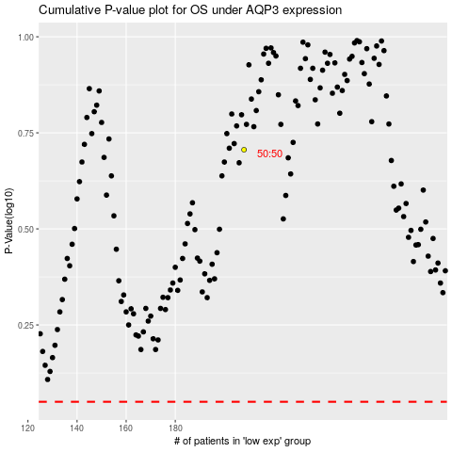

 |  |  |  |  |  | cases_OS | p_OS | rank | exp
 |  |  |  |  |  |  | cases_RFS | p_RFS | rank | exp

