AQPEP _multivariate
Reported by Tex Li-Hsing Chi. tex@gate.sinica.edu.tw 2019-08-22

Table 2. The clinicopathological features of HNSCC cohort and AQPEP expression. (Chi square test)
Cutoff at -0.216 (49.8%)
 |  | AQPEP expression |  | AQPEP expression |  | (Optimised)
 | Features | Low | (%) | High | (%) | Case no | P-value | Remark | Matthews
Gender | Female | 153 | 36.9 | 153 | 36.9 | 415 | 1 | 0 | 0
2 | Male | 54 | 13 | 55 | 13.3
Age at diagnosis | <=65y | 127 | 30.6 | 147 | 35.4 | 415 | 0.0573 | 0 | 0
4 | >65y | 80 | 19.3 | 61 | 14.7
Clinical T Status | T1+T2 | 80 | 19.3 | 69 | 16.6 | 415 | 0.2891 | 0 | 0
6 | T3+T4 | 127 | 30.6 | 139 | 33.5
Clinical N Status | N0 | 116 | 28 | 100 | 24.1 | 415 | 0.1273 | 1 | 0
8 | N1-3 | 91 | 21.9 | 108 | 26
Clinical M Status | M0 | 205 | 49.4 | 207 | 49.9 | 415 | 0.6232 | 0 | 0
10 | M1 | 2 | 0.5 | 1 | 0.2
Clinical Stage | Stage I+II | 56 | 13.5 | 46 | 11.1 | 415 | 0.2918 | 0 | 0
12 | Stage III+IV | 151 | 36.4 | 162 | 39
Surgical Margin status | Negative | 153 | 36.9 | 165 | 39.8 | 415 | 0.2036 | 0 | 0
14 | Positive | 54 | 13 | 43 | 10.4
Tobacco Exposure | Low | 86 | 20.7 | 75 | 18.1 | 415 | 0.2687 | 0 | 0
16 | High | 121 | 29.2 | 133 | 32

Table 3. Univariate/Multivariate Cox's proportional hazards regression analyses on OS time of AQPEP gene expression in HNSCC

 |  | Univariate |  |  |  | Multivariate
 | Features | HR | CI95%(L) | CI95%(H) | P-value | HR | CI95%(L) | CI95%(H) | P-value
1 | Female | 1 |  |  |  | 1
Gender | Male | 1.157 | 0.843 | 1.587 | 0.367 | 1.2 | 0.859 | 1.678 | 0.285
11 | <=65y | 1 |  |  |  | 1
Age at diagnosis | >65y | 1.329 | 0.99 | 1.784 | 0.058 | 1.394 | 1.024 | 1.899 | 0.035
12 | T1+T2 | 1 |  |  |  | 1
Clinical T Status | T3+T4 | 1.409 | 1.028 | 1.931 | 0.033 | 2.203 | 1.165 | 4.165 | 0.015
13 | N0 | 1 |  |  |  | 1
Clinical N Status | N1-3 | 1.185 | 0.89 | 1.577 | 0.246 | 1.24 | 0.869 | 1.77 | 0.235
14 | M0 | 1 |  |  |  | 1
Clinical M Status | M1 | 4.097 | 1.009 | 16.644 | 0.049 | 9.429 | 2.056 | 43.245 | 0.004
15 | Stage I+II | 1 |  |  |  | 1
Clinical Stage | Stage III+IV | 1.245 | 0.882 | 1.759 | 0.213 | 0.504 | 0.235 | 1.082 | 0.079
16 | Negative | 1 |  |  |  | 1
Surgical Margin status | Positive | 1.591 | 1.155 | 2.191 | 0.004 | 1.671 | 1.209 | 2.309 | 0.002
17 | Low | 1 |  |  |  | 1
Tobacco Exposure | High | 1.364 | 1.008 | 1.844 | 0.044 | 1.452 | 1.053 | 2.001 | 0.023
18 | Low | 1 |  |  |  | 1
RNAseq(z-score) | High | 1.03 | 0.773 | 1.371 | 0.842 | 1.016 | 0.76 | 1.359 | 0.915

Table 4. Univariate/Multivariate Cox's proportional hazards regression analyses on RFS time of AQPEP gene expression in HNSCC

 |  | Univariate |  |  |  | Multivariate
 | Features | HR | CI95%(L) | CI95%(H) | P-value | HR | CI95%(L) | CI95%(H) | P-value
1 | Female | 1 |  |  |  | 1
Gender | Male | 1.157 | 0.843 | 1.587 | 0.367 | 1.2 | 0.859 | 1.678 | 0.285
11 | <=65y | 1 |  |  |  | 1
Age at diagnosis | >65y | 1.329 | 0.99 | 1.784 | 0.058 | 1.394 | 1.024 | 1.899 | 0.035
12 | T1+T2 | 1 |  |  |  | 1
Clinical T Status | T3+T4 | 1.409 | 1.028 | 1.931 | 0.033 | 2.203 | 1.165 | 4.165 | 0.015
13 | N0 | 1 |  |  |  | 1
Clinical N Status | N1-3 | 1.185 | 0.89 | 1.577 | 0.246 | 1.24 | 0.869 | 1.77 | 0.235
14 | M0 | 1 |  |  |  | 1
Clinical M Status | M1 | 4.097 | 1.009 | 16.644 | 0.049 | 9.429 | 2.056 | 43.245 | 0.004
15 | Stage I+II | 1 |  |  |  | 1
Clinical Stage | Stage III+IV | 1.245 | 0.882 | 1.759 | 0.213 | 0.504 | 0.235 | 1.082 | 0.079
16 | Negative | 1 |  |  |  | 1
Surgical Margin status | Positive | 1.591 | 1.155 | 2.191 | 0.004 | 1.671 | 1.209 | 2.309 | 0.002
17 | Low | 1 |  |  |  | 1
Tobacco Exposure | High | 1.364 | 1.008 | 1.844 | 0.044 | 1.452 | 1.053 | 2.001 | 0.023
18 | Low | 1 |  |  |  | 1
RNAseq(z-score) | High | 1.03 | 0.773 | 1.371 | 0.842 | 1.016 | 0.76 | 1.359 | 0.915

Kaplan-Meier survival estimate: Cutoff at -0.216 (49.8%)



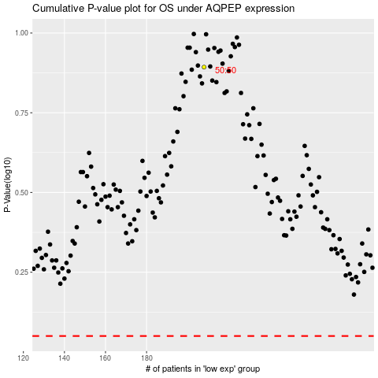

 |  |  |  |  |  | cases_OS | p_OS | rank | exp
 |  |  |  |  |  |  | cases_RFS | p_RFS | rank | exp

