AR _multivariate
Reported by Tex Li-Hsing Chi. tex@gate.sinica.edu.tw 2019-08-21

Table 2. The clinicopathological features of HNSCC cohort and AR expression. (Chi square test)
Cutoff at -0.289 (50.0%)
 |  | AR expression |  | AR expression |  | (Optimised)
 | Features | Low | (%) | High | (%) | Case no | P-value | Remark | Matthews
Gender | Female | 154 | 37.1 | 152 | 36.6 | 415 | 0.8463 | 0 | 0
2 | Male | 53 | 12.8 | 56 | 13.5
Age at diagnosis | <=65y | 139 | 33.5 | 135 | 32.5 | 415 | 0.7044 | 0 | 0
4 | >65y | 68 | 16.4 | 73 | 17.6
Clinical T Status | T1+T2 | 64 | 15.4 | 85 | 20.5 | 415 | 0.0445 | 1 | 0
6 | T3+T4 | 143 | 34.5 | 123 | 29.6
Clinical N Status | N0 | 106 | 25.5 | 110 | 26.5 | 415 | 0.8075 | 0 | 0
8 | N1-3 | 101 | 24.3 | 98 | 23.6
Clinical M Status | M0 | 204 | 49.2 | 208 | 50.1 | 415 | 0.1232 | 0 | 0
10 | M1 | 3 | 0.7 | 0 | 0
Clinical Stage | Stage I+II | 42 | 10.1 | 60 | 14.5 | 415 | 0.0561 | 0 | 0
12 | Stage III+IV | 165 | 39.8 | 148 | 35.7
Surgical Margin status | Negative | 151 | 36.4 | 167 | 40.2 | 415 | 0.0828 | 0 | 0
14 | Positive | 56 | 13.5 | 41 | 9.9
Tobacco Exposure | Low | 81 | 19.5 | 80 | 19.3 | 415 | 0.9199 | 0 | 0
16 | High | 126 | 30.4 | 128 | 30.8

Table 3. Univariate/Multivariate Cox's proportional hazards regression analyses on OS time of AR gene expression in HNSCC

 |  | Univariate |  |  |  | Multivariate
 | Features | HR | CI95%(L) | CI95%(H) | P-value | HR | CI95%(L) | CI95%(H) | P-value
1 | Female | 1 |  |  |  | 1
Gender | Male | 1.157 | 0.843 | 1.587 | 0.367 | 1.198 | 0.856 | 1.676 | 0.292
11 | <=65y | 1 |  |  |  | 1
Age at diagnosis | >65y | 1.329 | 0.99 | 1.784 | 0.058 | 1.391 | 1.023 | 1.891 | 0.035
12 | T1+T2 | 1 |  |  |  | 1
Clinical T Status | T3+T4 | 1.409 | 1.028 | 1.931 | 0.033 | 2.201 | 1.164 | 4.161 | 0.015
13 | N0 | 1 |  |  |  | 1
Clinical N Status | N1-3 | 1.185 | 0.89 | 1.577 | 0.246 | 1.244 | 0.871 | 1.776 | 0.23
14 | M0 | 1 |  |  |  | 1
Clinical M Status | M1 | 4.097 | 1.009 | 16.644 | 0.049 | 9.239 | 1.998 | 42.726 | 0.004
15 | Stage I+II | 1 |  |  |  | 1
Clinical Stage | Stage III+IV | 1.245 | 0.882 | 1.759 | 0.213 | 0.502 | 0.234 | 1.079 | 0.078
16 | Negative | 1 |  |  |  | 1
Surgical Margin status | Positive | 1.591 | 1.155 | 2.191 | 0.004 | 1.664 | 1.202 | 2.305 | 0.002
17 | Low | 1 |  |  |  | 1
Tobacco Exposure | High | 1.364 | 1.008 | 1.844 | 0.044 | 1.452 | 1.053 | 2 | 0.023
18 | Low | 1 |  |  |  | 1
RNAseq(z-score) | High | 0.876 | 0.657 | 1.167 | 0.365 | 0.968 | 0.722 | 1.3 | 0.831

Table 4. Univariate/Multivariate Cox's proportional hazards regression analyses on RFS time of AR gene expression in HNSCC

 |  | Univariate |  |  |  | Multivariate
 | Features | HR | CI95%(L) | CI95%(H) | P-value | HR | CI95%(L) | CI95%(H) | P-value
1 | Female | 1 |  |  |  | 1
Gender | Male | 1.157 | 0.843 | 1.587 | 0.367 | 1.198 | 0.856 | 1.676 | 0.292
11 | <=65y | 1 |  |  |  | 1
Age at diagnosis | >65y | 1.329 | 0.99 | 1.784 | 0.058 | 1.391 | 1.023 | 1.891 | 0.035
12 | T1+T2 | 1 |  |  |  | 1
Clinical T Status | T3+T4 | 1.409 | 1.028 | 1.931 | 0.033 | 2.201 | 1.164 | 4.161 | 0.015
13 | N0 | 1 |  |  |  | 1
Clinical N Status | N1-3 | 1.185 | 0.89 | 1.577 | 0.246 | 1.244 | 0.871 | 1.776 | 0.23
14 | M0 | 1 |  |  |  | 1
Clinical M Status | M1 | 4.097 | 1.009 | 16.644 | 0.049 | 9.239 | 1.998 | 42.726 | 0.004
15 | Stage I+II | 1 |  |  |  | 1
Clinical Stage | Stage III+IV | 1.245 | 0.882 | 1.759 | 0.213 | 0.502 | 0.234 | 1.079 | 0.078
16 | Negative | 1 |  |  |  | 1
Surgical Margin status | Positive | 1.591 | 1.155 | 2.191 | 0.004 | 1.664 | 1.202 | 2.305 | 0.002
17 | Low | 1 |  |  |  | 1
Tobacco Exposure | High | 1.364 | 1.008 | 1.844 | 0.044 | 1.452 | 1.053 | 2 | 0.023
18 | Low | 1 |  |  |  | 1
RNAseq(z-score) | High | 0.876 | 0.657 | 1.167 | 0.365 | 0.968 | 0.722 | 1.3 | 0.831

Kaplan-Meier survival estimate: Cutoff at -0.289 (50.0%)

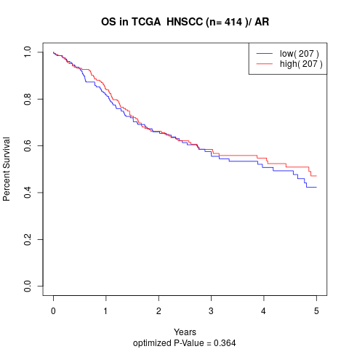

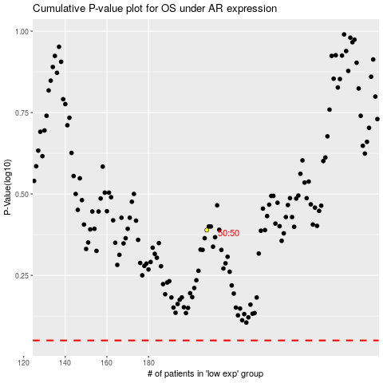

 |  |  |  |  |  | cases_OS | p_OS | rank | exp
 |  |  |  |  |  |  | cases_RFS | p_RFS | rank | exp

