ARAF _multivariate
Reported by Tex Li-Hsing Chi. tex@gate.sinica.edu.tw 2019-08-22

Table 2. The clinicopathological features of HNSCC cohort and ARAF expression. (Chi square test)
Cutoff at -0.124 (50.0%)
 |  | ARAF expression |  | ARAF expression |  | (Optimised)
 | Features | Low | (%) | High | (%) | Case no | P-value | Remark | Matthews
Gender | Female | 148 | 35.7 | 158 | 38.1 | 415 | 0.3567 | 0 | 0
2 | Male | 59 | 14.2 | 50 | 12
Age at diagnosis | <=65y | 133 | 32 | 141 | 34 | 415 | 0.5111 | 0 | 0
4 | >65y | 74 | 17.8 | 67 | 16.1
Clinical T Status | T1+T2 | 73 | 17.6 | 76 | 18.3 | 415 | 0.8666 | 0 | 0
6 | T3+T4 | 134 | 32.3 | 132 | 31.8
Clinical N Status | N0 | 101 | 24.3 | 115 | 27.7 | 415 | 0.2201 | 0 | 0
8 | N1-3 | 106 | 25.5 | 93 | 22.4
Clinical M Status | M0 | 204 | 49.2 | 208 | 50.1 | 415 | 0.1232 | 0 | 0
10 | M1 | 3 | 0.7 | 0 | 0
Clinical Stage | Stage I+II | 47 | 11.3 | 55 | 13.3 | 415 | 0.4413 | 0 | 0
12 | Stage III+IV | 160 | 38.6 | 153 | 36.9
Surgical Margin status | Negative | 156 | 37.6 | 162 | 39 | 415 | 0.5636 | 0 | 0
14 | Positive | 51 | 12.3 | 46 | 11.1
Tobacco Exposure | Low | 84 | 20.2 | 77 | 18.6 | 415 | 0.4816 | 0 | 0
16 | High | 123 | 29.6 | 131 | 31.6

Table 3. Univariate/Multivariate Cox's proportional hazards regression analyses on OS time of ARAF gene expression in HNSCC

 |  | Univariate |  |  |  | Multivariate
 | Features | HR | CI95%(L) | CI95%(H) | P-value | HR | CI95%(L) | CI95%(H) | P-value
1 | Female | 1 |  |  |  | 1
Gender | Male | 1.157 | 0.843 | 1.587 | 0.367 | 1.206 | 0.863 | 1.686 | 0.272
11 | <=65y | 1 |  |  |  | 1
Age at diagnosis | >65y | 1.329 | 0.99 | 1.784 | 0.058 | 1.391 | 1.023 | 1.891 | 0.035
12 | T1+T2 | 1 |  |  |  | 1
Clinical T Status | T3+T4 | 1.409 | 1.028 | 1.931 | 0.033 | 2.185 | 1.154 | 4.137 | 0.016
13 | N0 | 1 |  |  |  | 1
Clinical N Status | N1-3 | 1.185 | 0.89 | 1.577 | 0.246 | 1.239 | 0.868 | 1.768 | 0.237
14 | M0 | 1 |  |  |  | 1
Clinical M Status | M1 | 4.097 | 1.009 | 16.644 | 0.049 | 9.606 | 2.087 | 44.214 | 0.004
15 | Stage I+II | 1 |  |  |  | 1
Clinical Stage | Stage III+IV | 1.245 | 0.882 | 1.759 | 0.213 | 0.511 | 0.237 | 1.099 | 0.086
16 | Negative | 1 |  |  |  | 1
Surgical Margin status | Positive | 1.591 | 1.155 | 2.191 | 0.004 | 1.671 | 1.209 | 2.308 | 0.002
17 | Low | 1 |  |  |  | 1
Tobacco Exposure | High | 1.364 | 1.008 | 1.844 | 0.044 | 1.453 | 1.054 | 2.002 | 0.022
18 | Low | 1 |  |  |  | 1
RNAseq(z-score) | High | 1.051 | 0.787 | 1.402 | 0.738 | 1.057 | 0.789 | 1.415 | 0.711

Table 4. Univariate/Multivariate Cox's proportional hazards regression analyses on RFS time of ARAF gene expression in HNSCC

 |  | Univariate |  |  |  | Multivariate
 | Features | HR | CI95%(L) | CI95%(H) | P-value | HR | CI95%(L) | CI95%(H) | P-value
1 | Female | 1 |  |  |  | 1
Gender | Male | 1.157 | 0.843 | 1.587 | 0.367 | 1.206 | 0.863 | 1.686 | 0.272
11 | <=65y | 1 |  |  |  | 1
Age at diagnosis | >65y | 1.329 | 0.99 | 1.784 | 0.058 | 1.391 | 1.023 | 1.891 | 0.035
12 | T1+T2 | 1 |  |  |  | 1
Clinical T Status | T3+T4 | 1.409 | 1.028 | 1.931 | 0.033 | 2.185 | 1.154 | 4.137 | 0.016
13 | N0 | 1 |  |  |  | 1
Clinical N Status | N1-3 | 1.185 | 0.89 | 1.577 | 0.246 | 1.239 | 0.868 | 1.768 | 0.237
14 | M0 | 1 |  |  |  | 1
Clinical M Status | M1 | 4.097 | 1.009 | 16.644 | 0.049 | 9.606 | 2.087 | 44.214 | 0.004
15 | Stage I+II | 1 |  |  |  | 1
Clinical Stage | Stage III+IV | 1.245 | 0.882 | 1.759 | 0.213 | 0.511 | 0.237 | 1.099 | 0.086
16 | Negative | 1 |  |  |  | 1
Surgical Margin status | Positive | 1.591 | 1.155 | 2.191 | 0.004 | 1.671 | 1.209 | 2.308 | 0.002
17 | Low | 1 |  |  |  | 1
Tobacco Exposure | High | 1.364 | 1.008 | 1.844 | 0.044 | 1.453 | 1.054 | 2.002 | 0.022
18 | Low | 1 |  |  |  | 1
RNAseq(z-score) | High | 1.051 | 0.787 | 1.402 | 0.738 | 1.057 | 0.789 | 1.415 | 0.711

Kaplan-Meier survival estimate: Cutoff at -0.124 (50.0%)



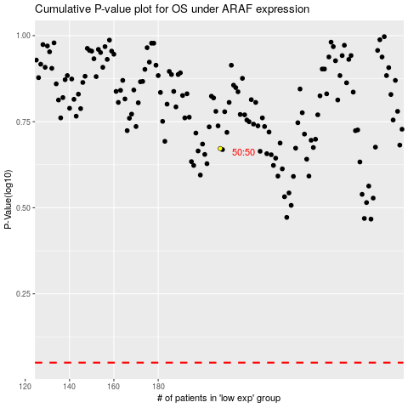

 |  |  |  |  |  | cases_OS | p_OS | rank | exp
 |  |  |  |  |  |  | cases_RFS | p_RFS | rank | exp

