ARC _multivariate
Reported by Tex Li-Hsing Chi. tex@gate.sinica.edu.tw 2019-08-22

Table 2. The clinicopathological features of HNSCC cohort and ARC expression. (Chi square test)
Cutoff at -0.235 (50.0%)
 |  | ARC expression |  | ARC expression |  | (Optimised)
 | Features | Low | (%) | High | (%) | Case no | P-value | Remark | Matthews
Gender | Female | 151 | 36.4 | 155 | 37.3 | 415 | 0.8007 | 0 | 0
2 | Male | 56 | 13.5 | 53 | 12.8
Age at diagnosis | <=65y | 131 | 31.6 | 143 | 34.5 | 415 | 0.2839 | 0 | 0
4 | >65y | 76 | 18.3 | 65 | 15.7
Clinical T Status | T1+T2 | 91 | 21.9 | 58 | 14 | 415 | 9e-04 | 1 | 0
6 | T3+T4 | 116 | 28 | 150 | 36.1
Clinical N Status | N0 | 108 | 26 | 108 | 26 | 415 | 1 | 0 | 0
8 | N1-3 | 99 | 23.9 | 100 | 24.1
Clinical M Status | M0 | 206 | 49.6 | 206 | 49.6 | 415 | 1 | 0 | 0
10 | M1 | 1 | 0.2 | 2 | 0.5
Clinical Stage | Stage I+II | 65 | 15.7 | 37 | 8.9 | 415 | 0.0019 | 1 | 0
12 | Stage III+IV | 142 | 34.2 | 171 | 41.2
Surgical Margin status | Negative | 168 | 40.5 | 150 | 36.1 | 415 | 0.0366 | 1 | 0
14 | Positive | 39 | 9.4 | 58 | 14
Tobacco Exposure | Low | 90 | 21.7 | 71 | 17.1 | 415 | 0.0559 | 0 | 0
16 | High | 117 | 28.2 | 137 | 33

Table 3. Univariate/Multivariate Cox's proportional hazards regression analyses on OS time of ARC gene expression in HNSCC

 |  | Univariate |  |  |  | Multivariate
 | Features | HR | CI95%(L) | CI95%(H) | P-value | HR | CI95%(L) | CI95%(H) | P-value
1 | Female | 1 |  |  |  | 1
Gender | Male | 1.157 | 0.843 | 1.587 | 0.367 | 1.231 | 0.88 | 1.721 | 0.225
11 | <=65y | 1 |  |  |  | 1
Age at diagnosis | >65y | 1.329 | 0.99 | 1.784 | 0.058 | 1.387 | 1.021 | 1.886 | 0.037
12 | T1+T2 | 1 |  |  |  | 1
Clinical T Status | T3+T4 | 1.409 | 1.028 | 1.931 | 0.033 | 2.254 | 1.191 | 4.266 | 0.012
13 | N0 | 1 |  |  |  | 1
Clinical N Status | N1-3 | 1.185 | 0.89 | 1.577 | 0.246 | 1.199 | 0.837 | 1.716 | 0.322
14 | M0 | 1 |  |  |  | 1
Clinical M Status | M1 | 4.097 | 1.009 | 16.644 | 0.049 | 9.877 | 2.15 | 45.375 | 0.003
15 | Stage I+II | 1 |  |  |  | 1
Clinical Stage | Stage III+IV | 1.245 | 0.882 | 1.759 | 0.213 | 0.526 | 0.244 | 1.13 | 0.1
16 | Negative | 1 |  |  |  | 1
Surgical Margin status | Positive | 1.591 | 1.155 | 2.191 | 0.004 | 1.739 | 1.252 | 2.416 | 0.001
17 | Low | 1 |  |  |  | 1
Tobacco Exposure | High | 1.364 | 1.008 | 1.844 | 0.044 | 1.471 | 1.068 | 2.027 | 0.018
18 | Low | 1 |  |  |  | 1
RNAseq(z-score) | High | 0.932 | 0.7 | 1.241 | 0.629 | 0.809 | 0.6 | 1.09 | 0.163

Table 4. Univariate/Multivariate Cox's proportional hazards regression analyses on RFS time of ARC gene expression in HNSCC

 |  | Univariate |  |  |  | Multivariate
 | Features | HR | CI95%(L) | CI95%(H) | P-value | HR | CI95%(L) | CI95%(H) | P-value
1 | Female | 1 |  |  |  | 1
Gender | Male | 1.157 | 0.843 | 1.587 | 0.367 | 1.231 | 0.88 | 1.721 | 0.225
11 | <=65y | 1 |  |  |  | 1
Age at diagnosis | >65y | 1.329 | 0.99 | 1.784 | 0.058 | 1.387 | 1.021 | 1.886 | 0.037
12 | T1+T2 | 1 |  |  |  | 1
Clinical T Status | T3+T4 | 1.409 | 1.028 | 1.931 | 0.033 | 2.254 | 1.191 | 4.266 | 0.012
13 | N0 | 1 |  |  |  | 1
Clinical N Status | N1-3 | 1.185 | 0.89 | 1.577 | 0.246 | 1.199 | 0.837 | 1.716 | 0.322
14 | M0 | 1 |  |  |  | 1
Clinical M Status | M1 | 4.097 | 1.009 | 16.644 | 0.049 | 9.877 | 2.15 | 45.375 | 0.003
15 | Stage I+II | 1 |  |  |  | 1
Clinical Stage | Stage III+IV | 1.245 | 0.882 | 1.759 | 0.213 | 0.526 | 0.244 | 1.13 | 0.1
16 | Negative | 1 |  |  |  | 1
Surgical Margin status | Positive | 1.591 | 1.155 | 2.191 | 0.004 | 1.739 | 1.252 | 2.416 | 0.001
17 | Low | 1 |  |  |  | 1
Tobacco Exposure | High | 1.364 | 1.008 | 1.844 | 0.044 | 1.471 | 1.068 | 2.027 | 0.018
18 | Low | 1 |  |  |  | 1
RNAseq(z-score) | High | 0.932 | 0.7 | 1.241 | 0.629 | 0.809 | 0.6 | 1.09 | 0.163

Kaplan-Meier survival estimate: Cutoff at -0.235 (50.0%)



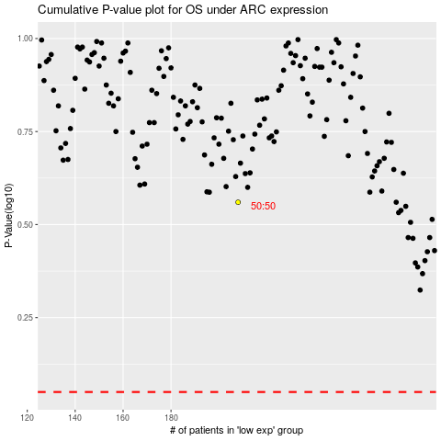

 |  |  |  |  |  | cases_OS | p_OS | rank | exp
 |  |  |  |  |  |  | cases_RFS | p_RFS | rank | exp

