ARF4 _multivariate
Reported by Tex Li-Hsing Chi. tex@gate.sinica.edu.tw 2019-08-22

Table 2. The clinicopathological features of HNSCC cohort and ARF4 expression. (Chi square test)
Cutoff at -0.189 (50.0%)
 |  | ARF4 expression |  | ARF4 expression |  | (Optimised)
 | Features | Low | (%) | High | (%) | Case no | P-value | Remark | Matthews
Gender | Female | 169 | 40.7 | 137 | 33 | 415 | 4e-04 | 1 | 0
2 | Male | 38 | 9.2 | 71 | 17.1
Age at diagnosis | <=65y | 150 | 36.1 | 124 | 29.9 | 415 | 0.0078 | 1 | 0
4 | >65y | 57 | 13.7 | 84 | 20.2
Clinical T Status | T1+T2 | 78 | 18.8 | 71 | 17.1 | 415 | 0.5152 | 0 | 0
6 | T3+T4 | 129 | 31.1 | 137 | 33
Clinical N Status | N0 | 112 | 27 | 104 | 25.1 | 415 | 0.4599 | 0 | 0
8 | N1-3 | 95 | 22.9 | 104 | 25.1
Clinical M Status | M0 | 204 | 49.2 | 208 | 50.1 | 415 | 0.1232 | 0 | 0
10 | M1 | 3 | 0.7 | 0 | 0
Clinical Stage | Stage I+II | 52 | 12.5 | 50 | 12 | 415 | 0.8871 | 0 | 0
12 | Stage III+IV | 155 | 37.3 | 158 | 38.1
Surgical Margin status | Negative | 164 | 39.5 | 154 | 37.1 | 415 | 0.2462 | 0 | 0
14 | Positive | 43 | 10.4 | 54 | 13
Tobacco Exposure | Low | 68 | 16.4 | 93 | 22.4 | 415 | 0.0156 | 1 | 0
16 | High | 139 | 33.5 | 115 | 27.7

Table 3. Univariate/Multivariate Cox's proportional hazards regression analyses on OS time of ARF4 gene expression in HNSCC

 |  | Univariate |  |  |  | Multivariate
 | Features | HR | CI95%(L) | CI95%(H) | P-value | HR | CI95%(L) | CI95%(H) | P-value
1 | Female | 1 |  |  |  | 1
Gender | Male | 1.157 | 0.843 | 1.587 | 0.367 | 1.214 | 0.862 | 1.71 | 0.268
11 | <=65y | 1 |  |  |  | 1
Age at diagnosis | >65y | 1.329 | 0.99 | 1.784 | 0.058 | 1.394 | 1.026 | 1.896 | 0.034
12 | T1+T2 | 1 |  |  |  | 1
Clinical T Status | T3+T4 | 1.409 | 1.028 | 1.931 | 0.033 | 2.208 | 1.168 | 4.175 | 0.015
13 | N0 | 1 |  |  |  | 1
Clinical N Status | N1-3 | 1.185 | 0.89 | 1.577 | 0.246 | 1.242 | 0.87 | 1.772 | 0.232
14 | M0 | 1 |  |  |  | 1
Clinical M Status | M1 | 4.097 | 1.009 | 16.644 | 0.049 | 9.268 | 2.014 | 42.651 | 0.004
15 | Stage I+II | 1 |  |  |  | 1
Clinical Stage | Stage III+IV | 1.245 | 0.882 | 1.759 | 0.213 | 0.502 | 0.233 | 1.078 | 0.077
16 | Negative | 1 |  |  |  | 1
Surgical Margin status | Positive | 1.591 | 1.155 | 2.191 | 0.004 | 1.672 | 1.21 | 2.311 | 0.002
17 | Low | 1 |  |  |  | 1
Tobacco Exposure | High | 1.364 | 1.008 | 1.844 | 0.044 | 1.45 | 1.052 | 1.999 | 0.023
18 | Low | 1 |  |  |  | 1
RNAseq(z-score) | High | 0.989 | 0.742 | 1.318 | 0.942 | 0.96 | 0.711 | 1.298 | 0.793

Table 4. Univariate/Multivariate Cox's proportional hazards regression analyses on RFS time of ARF4 gene expression in HNSCC

 |  | Univariate |  |  |  | Multivariate
 | Features | HR | CI95%(L) | CI95%(H) | P-value | HR | CI95%(L) | CI95%(H) | P-value
1 | Female | 1 |  |  |  | 1
Gender | Male | 1.157 | 0.843 | 1.587 | 0.367 | 1.214 | 0.862 | 1.71 | 0.268
11 | <=65y | 1 |  |  |  | 1
Age at diagnosis | >65y | 1.329 | 0.99 | 1.784 | 0.058 | 1.394 | 1.026 | 1.896 | 0.034
12 | T1+T2 | 1 |  |  |  | 1
Clinical T Status | T3+T4 | 1.409 | 1.028 | 1.931 | 0.033 | 2.208 | 1.168 | 4.175 | 0.015
13 | N0 | 1 |  |  |  | 1
Clinical N Status | N1-3 | 1.185 | 0.89 | 1.577 | 0.246 | 1.242 | 0.87 | 1.772 | 0.232
14 | M0 | 1 |  |  |  | 1
Clinical M Status | M1 | 4.097 | 1.009 | 16.644 | 0.049 | 9.268 | 2.014 | 42.651 | 0.004
15 | Stage I+II | 1 |  |  |  | 1
Clinical Stage | Stage III+IV | 1.245 | 0.882 | 1.759 | 0.213 | 0.502 | 0.233 | 1.078 | 0.077
16 | Negative | 1 |  |  |  | 1
Surgical Margin status | Positive | 1.591 | 1.155 | 2.191 | 0.004 | 1.672 | 1.21 | 2.311 | 0.002
17 | Low | 1 |  |  |  | 1
Tobacco Exposure | High | 1.364 | 1.008 | 1.844 | 0.044 | 1.45 | 1.052 | 1.999 | 0.023
18 | Low | 1 |  |  |  | 1
RNAseq(z-score) | High | 0.989 | 0.742 | 1.318 | 0.942 | 0.96 | 0.711 | 1.298 | 0.793

Kaplan-Meier survival estimate: Cutoff at -0.189 (50.0%)

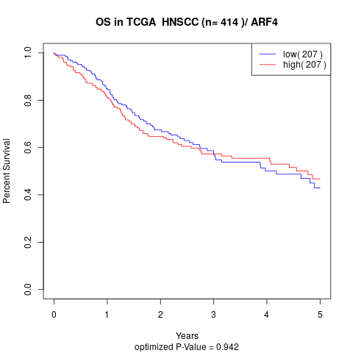

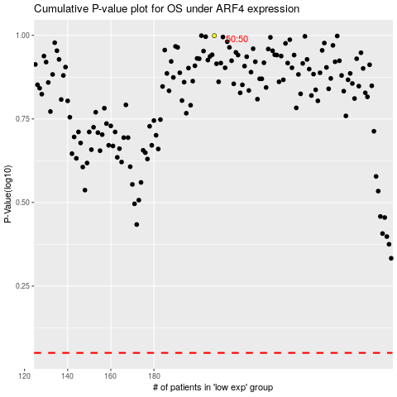

 |  |  |  |  |  | cases_OS | p_OS | rank | exp
 |  |  |  |  |  |  | cases_RFS | p_RFS | rank | exp

