ARFGAP3 _multivariate
Reported by Tex Li-Hsing Chi. tex@gate.sinica.edu.tw 2019-08-22

Table 2. The clinicopathological features of HNSCC cohort and ARFGAP3 expression. (Chi square test)
Cutoff at -0.114 (50.0%)
 |  | ARFGAP3 expression |  | ARFGAP3 expression |  | (Optimised)
 | Features | Low | (%) | High | (%) | Case no | P-value | Remark | Matthews
Gender | Female | 147 | 35.4 | 159 | 38.3 | 415 | 0.2523 | 0 | 0
2 | Male | 60 | 14.5 | 49 | 11.8
Age at diagnosis | <=65y | 125 | 30.1 | 149 | 35.9 | 415 | 0.0206 | 1 | 0
4 | >65y | 82 | 19.8 | 59 | 14.2
Clinical T Status | T1+T2 | 73 | 17.6 | 76 | 18.3 | 415 | 0.8666 | 0 | 0
6 | T3+T4 | 134 | 32.3 | 132 | 31.8
Clinical N Status | N0 | 122 | 29.4 | 94 | 22.7 | 415 | 0.0068 | 1 | 0
8 | N1-3 | 85 | 20.5 | 114 | 27.5
Clinical M Status | M0 | 205 | 49.4 | 207 | 49.9 | 415 | 0.6232 | 0 | 0
10 | M1 | 2 | 0.5 | 1 | 0.2
Clinical Stage | Stage I+II | 56 | 13.5 | 46 | 11.1 | 415 | 0.2918 | 0 | 0
12 | Stage III+IV | 151 | 36.4 | 162 | 39
Surgical Margin status | Negative | 163 | 39.3 | 155 | 37.3 | 415 | 0.3537 | 0 | 0
14 | Positive | 44 | 10.6 | 53 | 12.8
Tobacco Exposure | Low | 87 | 21 | 74 | 17.8 | 415 | 0.1911 | 0 | 0
16 | High | 120 | 28.9 | 134 | 32.3

Table 3. Univariate/Multivariate Cox's proportional hazards regression analyses on OS time of ARFGAP3 gene expression in HNSCC

 |  | Univariate |  |  |  | Multivariate
 | Features | HR | CI95%(L) | CI95%(H) | P-value | HR | CI95%(L) | CI95%(H) | P-value
1 | Female | 1 |  |  |  | 1
Gender | Male | 1.157 | 0.843 | 1.587 | 0.367 | 1.181 | 0.843 | 1.654 | 0.333
11 | <=65y | 1 |  |  |  | 1
Age at diagnosis | >65y | 1.329 | 0.99 | 1.784 | 0.058 | 1.366 | 1.003 | 1.862 | 0.048
12 | T1+T2 | 1 |  |  |  | 1
Clinical T Status | T3+T4 | 1.409 | 1.028 | 1.931 | 0.033 | 2.16 | 1.141 | 4.089 | 0.018
13 | N0 | 1 |  |  |  | 1
Clinical N Status | N1-3 | 1.185 | 0.89 | 1.577 | 0.246 | 1.251 | 0.876 | 1.786 | 0.217
14 | M0 | 1 |  |  |  | 1
Clinical M Status | M1 | 4.097 | 1.009 | 16.644 | 0.049 | 9.031 | 1.965 | 41.498 | 0.005
15 | Stage I+II | 1 |  |  |  | 1
Clinical Stage | Stage III+IV | 1.245 | 0.882 | 1.759 | 0.213 | 0.512 | 0.238 | 1.1 | 0.086
16 | Negative | 1 |  |  |  | 1
Surgical Margin status | Positive | 1.591 | 1.155 | 2.191 | 0.004 | 1.672 | 1.21 | 2.31 | 0.002
17 | Low | 1 |  |  |  | 1
Tobacco Exposure | High | 1.364 | 1.008 | 1.844 | 0.044 | 1.46 | 1.059 | 2.012 | 0.021
18 | Low | 1 |  |  |  | 1
RNAseq(z-score) | High | 0.83 | 0.622 | 1.107 | 0.204 | 0.874 | 0.65 | 1.177 | 0.375

Table 4. Univariate/Multivariate Cox's proportional hazards regression analyses on RFS time of ARFGAP3 gene expression in HNSCC

 |  | Univariate |  |  |  | Multivariate
 | Features | HR | CI95%(L) | CI95%(H) | P-value | HR | CI95%(L) | CI95%(H) | P-value
1 | Female | 1 |  |  |  | 1
Gender | Male | 1.157 | 0.843 | 1.587 | 0.367 | 1.181 | 0.843 | 1.654 | 0.333
11 | <=65y | 1 |  |  |  | 1
Age at diagnosis | >65y | 1.329 | 0.99 | 1.784 | 0.058 | 1.366 | 1.003 | 1.862 | 0.048
12 | T1+T2 | 1 |  |  |  | 1
Clinical T Status | T3+T4 | 1.409 | 1.028 | 1.931 | 0.033 | 2.16 | 1.141 | 4.089 | 0.018
13 | N0 | 1 |  |  |  | 1
Clinical N Status | N1-3 | 1.185 | 0.89 | 1.577 | 0.246 | 1.251 | 0.876 | 1.786 | 0.217
14 | M0 | 1 |  |  |  | 1
Clinical M Status | M1 | 4.097 | 1.009 | 16.644 | 0.049 | 9.031 | 1.965 | 41.498 | 0.005
15 | Stage I+II | 1 |  |  |  | 1
Clinical Stage | Stage III+IV | 1.245 | 0.882 | 1.759 | 0.213 | 0.512 | 0.238 | 1.1 | 0.086
16 | Negative | 1 |  |  |  | 1
Surgical Margin status | Positive | 1.591 | 1.155 | 2.191 | 0.004 | 1.672 | 1.21 | 2.31 | 0.002
17 | Low | 1 |  |  |  | 1
Tobacco Exposure | High | 1.364 | 1.008 | 1.844 | 0.044 | 1.46 | 1.059 | 2.012 | 0.021
18 | Low | 1 |  |  |  | 1
RNAseq(z-score) | High | 0.83 | 0.622 | 1.107 | 0.204 | 0.874 | 0.65 | 1.177 | 0.375

Kaplan-Meier survival estimate: Cutoff at -0.114 (50.0%)



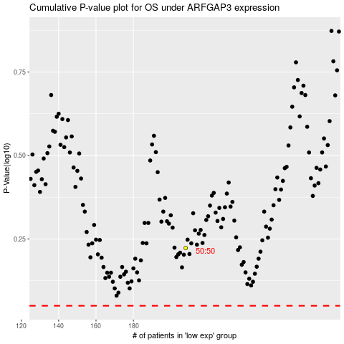

 |  |  |  |  |  | cases_OS | p_OS | rank | exp
 |  |  |  |  |  |  | cases_RFS | p_RFS | rank | exp

