ARFGEF1 _multivariate
Reported by Tex Li-Hsing Chi. tex@gate.sinica.edu.tw 2019-08-22

Table 2. The clinicopathological features of HNSCC cohort and ARFGEF1 expression. (Chi square test)
Cutoff at -0.051 (50.0%)
 |  | ARFGEF1 expression |  | ARFGEF1 expression |  | (Optimised)
 | Features | Low | (%) | High | (%) | Case no | P-value | Remark | Matthews
Gender | Female | 155 | 37.3 | 151 | 36.4 | 415 | 0.6768 | 0 | 0
2 | Male | 52 | 12.5 | 57 | 13.7
Age at diagnosis | <=65y | 132 | 31.8 | 142 | 34.2 | 415 | 0.3874 | 0 | 0
4 | >65y | 75 | 18.1 | 66 | 15.9
Clinical T Status | T1+T2 | 67 | 16.1 | 82 | 19.8 | 415 | 0.1628 | 0 | 0
6 | T3+T4 | 140 | 33.7 | 126 | 30.4
Clinical N Status | N0 | 107 | 25.8 | 109 | 26.3 | 415 | 0.9624 | 0 | 0
8 | N1-3 | 100 | 24.1 | 99 | 23.9
Clinical M Status | M0 | 205 | 49.4 | 207 | 49.9 | 415 | 0.6232 | 0 | 0
10 | M1 | 2 | 0.5 | 1 | 0.2
Clinical Stage | Stage I+II | 45 | 10.8 | 57 | 13.7 | 415 | 0.2202 | 0 | 0
12 | Stage III+IV | 162 | 39 | 151 | 36.4
Surgical Margin status | Negative | 154 | 37.1 | 164 | 39.5 | 415 | 0.2984 | 0 | 0
14 | Positive | 53 | 12.8 | 44 | 10.6
Tobacco Exposure | Low | 79 | 19 | 82 | 19.8 | 415 | 0.8405 | 0 | 0
16 | High | 128 | 30.8 | 126 | 30.4

Table 3. Univariate/Multivariate Cox's proportional hazards regression analyses on OS time of ARFGEF1 gene expression in HNSCC

 |  | Univariate |  |  |  | Multivariate
 | Features | HR | CI95%(L) | CI95%(H) | P-value | HR | CI95%(L) | CI95%(H) | P-value
1 | Female | 1 |  |  |  | 1
Gender | Male | 1.157 | 0.843 | 1.587 | 0.367 | 1.198 | 0.857 | 1.675 | 0.29
11 | <=65y | 1 |  |  |  | 1
Age at diagnosis | >65y | 1.329 | 0.99 | 1.784 | 0.058 | 1.392 | 1.024 | 1.893 | 0.035
12 | T1+T2 | 1 |  |  |  | 1
Clinical T Status | T3+T4 | 1.409 | 1.028 | 1.931 | 0.033 | 2.196 | 1.161 | 4.151 | 0.016
13 | N0 | 1 |  |  |  | 1
Clinical N Status | N1-3 | 1.185 | 0.89 | 1.577 | 0.246 | 1.246 | 0.873 | 1.779 | 0.225
14 | M0 | 1 |  |  |  | 1
Clinical M Status | M1 | 4.097 | 1.009 | 16.644 | 0.049 | 9.164 | 1.992 | 42.149 | 0.004
15 | Stage I+II | 1 |  |  |  | 1
Clinical Stage | Stage III+IV | 1.245 | 0.882 | 1.759 | 0.213 | 0.5 | 0.233 | 1.074 | 0.075
16 | Negative | 1 |  |  |  | 1
Surgical Margin status | Positive | 1.591 | 1.155 | 2.191 | 0.004 | 1.656 | 1.197 | 2.293 | 0.002
17 | Low | 1 |  |  |  | 1
Tobacco Exposure | High | 1.364 | 1.008 | 1.844 | 0.044 | 1.45 | 1.052 | 1.998 | 0.023
18 | Low | 1 |  |  |  | 1
RNAseq(z-score) | High | 0.839 | 0.63 | 1.119 | 0.232 | 0.926 | 0.692 | 1.24 | 0.607

Table 4. Univariate/Multivariate Cox's proportional hazards regression analyses on RFS time of ARFGEF1 gene expression in HNSCC

 |  | Univariate |  |  |  | Multivariate
 | Features | HR | CI95%(L) | CI95%(H) | P-value | HR | CI95%(L) | CI95%(H) | P-value
1 | Female | 1 |  |  |  | 1
Gender | Male | 1.157 | 0.843 | 1.587 | 0.367 | 1.198 | 0.857 | 1.675 | 0.29
11 | <=65y | 1 |  |  |  | 1
Age at diagnosis | >65y | 1.329 | 0.99 | 1.784 | 0.058 | 1.392 | 1.024 | 1.893 | 0.035
12 | T1+T2 | 1 |  |  |  | 1
Clinical T Status | T3+T4 | 1.409 | 1.028 | 1.931 | 0.033 | 2.196 | 1.161 | 4.151 | 0.016
13 | N0 | 1 |  |  |  | 1
Clinical N Status | N1-3 | 1.185 | 0.89 | 1.577 | 0.246 | 1.246 | 0.873 | 1.779 | 0.225
14 | M0 | 1 |  |  |  | 1
Clinical M Status | M1 | 4.097 | 1.009 | 16.644 | 0.049 | 9.164 | 1.992 | 42.149 | 0.004
15 | Stage I+II | 1 |  |  |  | 1
Clinical Stage | Stage III+IV | 1.245 | 0.882 | 1.759 | 0.213 | 0.5 | 0.233 | 1.074 | 0.075
16 | Negative | 1 |  |  |  | 1
Surgical Margin status | Positive | 1.591 | 1.155 | 2.191 | 0.004 | 1.656 | 1.197 | 2.293 | 0.002
17 | Low | 1 |  |  |  | 1
Tobacco Exposure | High | 1.364 | 1.008 | 1.844 | 0.044 | 1.45 | 1.052 | 1.998 | 0.023
18 | Low | 1 |  |  |  | 1
RNAseq(z-score) | High | 0.839 | 0.63 | 1.119 | 0.232 | 0.926 | 0.692 | 1.24 | 0.607

Kaplan-Meier survival estimate: Cutoff at -0.051 (50.0%)



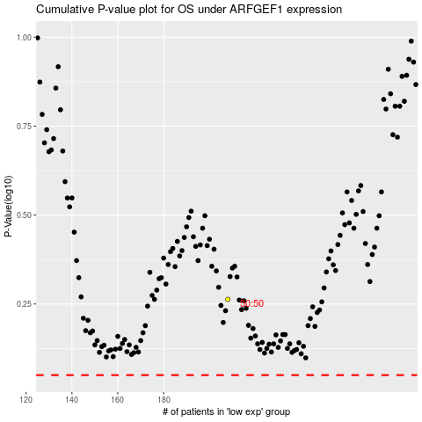

 |  |  |  |  |  | cases_OS | p_OS | rank | exp
 |  |  |  |  |  |  | cases_RFS | p_RFS | rank | exp

