ARFIP2 _multivariate
Reported by Tex Li-Hsing Chi. tex@gate.sinica.edu.tw 2019-08-22

Table 2. The clinicopathological features of HNSCC cohort and ARFIP2 expression. (Chi square test)
Cutoff at -0.103 (49.8%)
 |  | ARFIP2 expression |  | ARFIP2 expression |  | (Optimised)
 | Features | Low | (%) | High | (%) | Case no | P-value | Remark | Matthews
Gender | Female | 158 | 38.1 | 148 | 35.7 | 415 | 0.2774 | 0 | 0
2 | Male | 49 | 11.8 | 60 | 14.5
Age at diagnosis | <=65y | 141 | 34 | 133 | 32 | 415 | 0.4272 | 0 | 0
4 | >65y | 66 | 15.9 | 75 | 18.1
Clinical T Status | T1+T2 | 75 | 18.1 | 74 | 17.8 | 415 | 0.9707 | 0 | 0
6 | T3+T4 | 132 | 31.8 | 134 | 32.3
Clinical N Status | N0 | 110 | 26.5 | 106 | 25.5 | 415 | 0.7294 | 0 | 0
8 | N1-3 | 97 | 23.4 | 102 | 24.6
Clinical M Status | M0 | 205 | 49.4 | 207 | 49.9 | 415 | 0.6232 | 0 | 0
10 | M1 | 2 | 0.5 | 1 | 0.2
Clinical Stage | Stage I+II | 49 | 11.8 | 53 | 12.8 | 415 | 0.7535 | 0 | 0
12 | Stage III+IV | 158 | 38.1 | 155 | 37.3
Surgical Margin status | Negative | 158 | 38.1 | 160 | 38.6 | 415 | 0.9081 | 0 | 0
14 | Positive | 49 | 11.8 | 48 | 11.6
Tobacco Exposure | Low | 70 | 16.9 | 91 | 21.9 | 415 | 0.0439 | 1 | 0
16 | High | 137 | 33 | 117 | 28.2

Table 3. Univariate/Multivariate Cox's proportional hazards regression analyses on OS time of ARFIP2 gene expression in HNSCC

 |  | Univariate |  |  |  | Multivariate
 | Features | HR | CI95%(L) | CI95%(H) | P-value | HR | CI95%(L) | CI95%(H) | P-value
1 | Female | 1 |  |  |  | 1
Gender | Male | 1.157 | 0.843 | 1.587 | 0.367 | 1.217 | 0.871 | 1.701 | 0.25
11 | <=65y | 1 |  |  |  | 1
Age at diagnosis | >65y | 1.329 | 0.99 | 1.784 | 0.058 | 1.414 | 1.039 | 1.925 | 0.028
12 | T1+T2 | 1 |  |  |  | 1
Clinical T Status | T3+T4 | 1.409 | 1.028 | 1.931 | 0.033 | 2.263 | 1.195 | 4.284 | 0.012
13 | N0 | 1 |  |  |  | 1
Clinical N Status | N1-3 | 1.185 | 0.89 | 1.577 | 0.246 | 1.275 | 0.891 | 1.823 | 0.184
14 | M0 | 1 |  |  |  | 1
Clinical M Status | M1 | 4.097 | 1.009 | 16.644 | 0.049 | 9.446 | 2.061 | 43.304 | 0.004
15 | Stage I+II | 1 |  |  |  | 1
Clinical Stage | Stage III+IV | 1.245 | 0.882 | 1.759 | 0.213 | 0.481 | 0.223 | 1.037 | 0.062
16 | Negative | 1 |  |  |  | 1
Surgical Margin status | Positive | 1.591 | 1.155 | 2.191 | 0.004 | 1.671 | 1.209 | 2.31 | 0.002
17 | Low | 1 |  |  |  | 1
Tobacco Exposure | High | 1.364 | 1.008 | 1.844 | 0.044 | 1.444 | 1.047 | 1.99 | 0.025
18 | Low | 1 |  |  |  | 1
RNAseq(z-score) | High | 0.861 | 0.646 | 1.148 | 0.309 | 0.827 | 0.618 | 1.107 | 0.202

Table 4. Univariate/Multivariate Cox's proportional hazards regression analyses on RFS time of ARFIP2 gene expression in HNSCC

 |  | Univariate |  |  |  | Multivariate
 | Features | HR | CI95%(L) | CI95%(H) | P-value | HR | CI95%(L) | CI95%(H) | P-value
1 | Female | 1 |  |  |  | 1
Gender | Male | 1.157 | 0.843 | 1.587 | 0.367 | 1.217 | 0.871 | 1.701 | 0.25
11 | <=65y | 1 |  |  |  | 1
Age at diagnosis | >65y | 1.329 | 0.99 | 1.784 | 0.058 | 1.414 | 1.039 | 1.925 | 0.028
12 | T1+T2 | 1 |  |  |  | 1
Clinical T Status | T3+T4 | 1.409 | 1.028 | 1.931 | 0.033 | 2.263 | 1.195 | 4.284 | 0.012
13 | N0 | 1 |  |  |  | 1
Clinical N Status | N1-3 | 1.185 | 0.89 | 1.577 | 0.246 | 1.275 | 0.891 | 1.823 | 0.184
14 | M0 | 1 |  |  |  | 1
Clinical M Status | M1 | 4.097 | 1.009 | 16.644 | 0.049 | 9.446 | 2.061 | 43.304 | 0.004
15 | Stage I+II | 1 |  |  |  | 1
Clinical Stage | Stage III+IV | 1.245 | 0.882 | 1.759 | 0.213 | 0.481 | 0.223 | 1.037 | 0.062
16 | Negative | 1 |  |  |  | 1
Surgical Margin status | Positive | 1.591 | 1.155 | 2.191 | 0.004 | 1.671 | 1.209 | 2.31 | 0.002
17 | Low | 1 |  |  |  | 1
Tobacco Exposure | High | 1.364 | 1.008 | 1.844 | 0.044 | 1.444 | 1.047 | 1.99 | 0.025
18 | Low | 1 |  |  |  | 1
RNAseq(z-score) | High | 0.861 | 0.646 | 1.148 | 0.309 | 0.827 | 0.618 | 1.107 | 0.202

Kaplan-Meier survival estimate: Cutoff at -0.103 (49.8%)



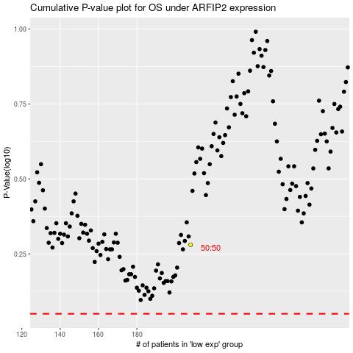

 |  |  |  |  |  | cases_OS | p_OS | rank | exp
 |  |  |  |  |  |  | cases_RFS | p_RFS | rank | exp

