ARG2 _multivariate
Reported by Tex Li-Hsing Chi. tex@gate.sinica.edu.tw 2019-08-22

Table 2. The clinicopathological features of HNSCC cohort and ARG2 expression. (Chi square test)
Cutoff at -0.25 (50.0%)
 |  | ARG2 expression |  | ARG2 expression |  | (Optimised)
 | Features | Low | (%) | High | (%) | Case no | P-value | Remark | Matthews
Gender | Female | 149 | 35.9 | 157 | 37.8 | 415 | 0.4848 | 0 | 0
2 | Male | 58 | 14 | 51 | 12.3
Age at diagnosis | <=65y | 130 | 31.3 | 144 | 34.7 | 415 | 0.2009 | 0 | 0
4 | >65y | 77 | 18.6 | 64 | 15.4
Clinical T Status | T1+T2 | 88 | 21.2 | 61 | 14.7 | 415 | 0.007 | 1 | 0
6 | T3+T4 | 119 | 28.7 | 147 | 35.4
Clinical N Status | N0 | 114 | 27.5 | 102 | 24.6 | 415 | 0.2576 | 1 | 0
8 | N1-3 | 93 | 22.4 | 106 | 25.5
Clinical M Status | M0 | 205 | 49.4 | 207 | 49.9 | 415 | 0.6232 | 0 | 0
10 | M1 | 2 | 0.5 | 1 | 0.2
Clinical Stage | Stage I+II | 67 | 16.1 | 35 | 8.4 | 415 | 4e-04 | 1 | 0
12 | Stage III+IV | 140 | 33.7 | 173 | 41.7
Surgical Margin status | Negative | 163 | 39.3 | 155 | 37.3 | 415 | 0.3537 | 0 | 0
14 | Positive | 44 | 10.6 | 53 | 12.8
Tobacco Exposure | Low | 79 | 19 | 82 | 19.8 | 415 | 0.8405 | 0 | 0
16 | High | 128 | 30.8 | 126 | 30.4

Table 3. Univariate/Multivariate Cox's proportional hazards regression analyses on OS time of ARG2 gene expression in HNSCC

 |  | Univariate |  |  |  | Multivariate
 | Features | HR | CI95%(L) | CI95%(H) | P-value | HR | CI95%(L) | CI95%(H) | P-value
1 | Female | 1 |  |  |  | 1
Gender | Male | 1.157 | 0.843 | 1.587 | 0.367 | 1.203 | 0.861 | 1.682 | 0.279
11 | <=65y | 1 |  |  |  | 1
Age at diagnosis | >65y | 1.329 | 0.99 | 1.784 | 0.058 | 1.389 | 1.02 | 1.892 | 0.037
12 | T1+T2 | 1 |  |  |  | 1
Clinical T Status | T3+T4 | 1.409 | 1.028 | 1.931 | 0.033 | 2.198 | 1.162 | 4.16 | 0.016
13 | N0 | 1 |  |  |  | 1
Clinical N Status | N1-3 | 1.185 | 0.89 | 1.577 | 0.246 | 1.237 | 0.864 | 1.772 | 0.246
14 | M0 | 1 |  |  |  | 1
Clinical M Status | M1 | 4.097 | 1.009 | 16.644 | 0.049 | 9.385 | 2.046 | 43.044 | 0.004
15 | Stage I+II | 1 |  |  |  | 1
Clinical Stage | Stage III+IV | 1.245 | 0.882 | 1.759 | 0.213 | 0.508 | 0.234 | 1.1 | 0.086
16 | Negative | 1 |  |  |  | 1
Surgical Margin status | Positive | 1.591 | 1.155 | 2.191 | 0.004 | 1.671 | 1.21 | 2.309 | 0.002
17 | Low | 1 |  |  |  | 1
Tobacco Exposure | High | 1.364 | 1.008 | 1.844 | 0.044 | 1.453 | 1.054 | 2.002 | 0.022
18 | Low | 1 |  |  |  | 1
RNAseq(z-score) | High | 0.974 | 0.73 | 1.298 | 0.855 | 0.984 | 0.733 | 1.322 | 0.915

Table 4. Univariate/Multivariate Cox's proportional hazards regression analyses on RFS time of ARG2 gene expression in HNSCC

 |  | Univariate |  |  |  | Multivariate
 | Features | HR | CI95%(L) | CI95%(H) | P-value | HR | CI95%(L) | CI95%(H) | P-value
1 | Female | 1 |  |  |  | 1
Gender | Male | 1.157 | 0.843 | 1.587 | 0.367 | 1.203 | 0.861 | 1.682 | 0.279
11 | <=65y | 1 |  |  |  | 1
Age at diagnosis | >65y | 1.329 | 0.99 | 1.784 | 0.058 | 1.389 | 1.02 | 1.892 | 0.037
12 | T1+T2 | 1 |  |  |  | 1
Clinical T Status | T3+T4 | 1.409 | 1.028 | 1.931 | 0.033 | 2.198 | 1.162 | 4.16 | 0.016
13 | N0 | 1 |  |  |  | 1
Clinical N Status | N1-3 | 1.185 | 0.89 | 1.577 | 0.246 | 1.237 | 0.864 | 1.772 | 0.246
14 | M0 | 1 |  |  |  | 1
Clinical M Status | M1 | 4.097 | 1.009 | 16.644 | 0.049 | 9.385 | 2.046 | 43.044 | 0.004
15 | Stage I+II | 1 |  |  |  | 1
Clinical Stage | Stage III+IV | 1.245 | 0.882 | 1.759 | 0.213 | 0.508 | 0.234 | 1.1 | 0.086
16 | Negative | 1 |  |  |  | 1
Surgical Margin status | Positive | 1.591 | 1.155 | 2.191 | 0.004 | 1.671 | 1.21 | 2.309 | 0.002
17 | Low | 1 |  |  |  | 1
Tobacco Exposure | High | 1.364 | 1.008 | 1.844 | 0.044 | 1.453 | 1.054 | 2.002 | 0.022
18 | Low | 1 |  |  |  | 1
RNAseq(z-score) | High | 0.974 | 0.73 | 1.298 | 0.855 | 0.984 | 0.733 | 1.322 | 0.915

Kaplan-Meier survival estimate: Cutoff at -0.25 (50.0%)



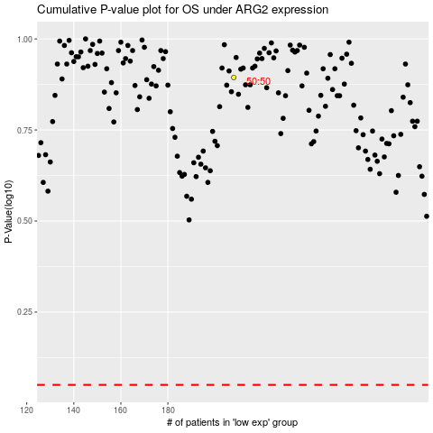

 |  |  |  |  |  | cases_OS | p_OS | rank | exp
 |  |  |  |  |  |  | cases_RFS | p_RFS | rank | exp

