ARHGAP11A _multivariate
Reported by Tex Li-Hsing Chi. tex@gate.sinica.edu.tw 2019-08-22

Table 2. The clinicopathological features of HNSCC cohort and ARHGAP11A expression. (Chi square test)
Cutoff at -0.538 (30.7%)
 |  | ARHGAP11A expression |  | ARHGAP11A expression |  | (Optimised)
 | Features | Low | (%) | High | (%) | Case no | P-value | Remark | Matthews
Gender | Female | 92 | 22.2 | 214 | 51.6 | 415 | 0.6497 | 0 | 0
2 | Male | 36 | 8.7 | 73 | 17.6
Age at diagnosis | <=65y | 85 | 20.5 | 189 | 45.5 | 415 | 1 | 0 | 0
4 | >65y | 43 | 10.4 | 98 | 23.6
Clinical T Status | T1+T2 | 47 | 11.3 | 102 | 24.6 | 415 | 0.9042 | 0 | 0
6 | T3+T4 | 81 | 19.5 | 185 | 44.6
Clinical N Status | N0 | 66 | 15.9 | 150 | 36.1 | 415 | 0.9793 | 0 | 0
8 | N1-3 | 62 | 14.9 | 137 | 33
Clinical M Status | M0 | 127 | 30.6 | 285 | 68.7 | 415 | 1 | 0 | 0
10 | M1 | 1 | 0.2 | 2 | 0.5
Clinical Stage | Stage I+II | 31 | 7.5 | 71 | 17.1 | 415 | 1 | 0 | 0
12 | Stage III+IV | 97 | 23.4 | 216 | 52
Surgical Margin status | Negative | 102 | 24.6 | 216 | 52 | 415 | 0.3797 | 0 | 0
14 | Positive | 26 | 6.3 | 71 | 17.1
Tobacco Exposure | Low | 60 | 14.5 | 101 | 24.3 | 415 | 0.0291 | 1 | 0
16 | High | 68 | 16.4 | 186 | 44.8

Table 3. Univariate/Multivariate Cox's proportional hazards regression analyses on OS time of ARHGAP11A gene expression in HNSCC

 |  | Univariate |  |  |  | Multivariate
 | Features | HR | CI95%(L) | CI95%(H) | P-value | HR | CI95%(L) | CI95%(H) | P-value
1 | Female | 1 |  |  |  | 1
Gender | Male | 1.157 | 0.843 | 1.587 | 0.367 | 1.208 | 0.865 | 1.687 | 0.268
11 | <=65y | 1 |  |  |  | 1
Age at diagnosis | >65y | 1.329 | 0.99 | 1.784 | 0.058 | 1.388 | 1.021 | 1.887 | 0.036
12 | T1+T2 | 1 |  |  |  | 1
Clinical T Status | T3+T4 | 1.409 | 1.028 | 1.931 | 0.033 | 2.212 | 1.169 | 4.183 | 0.015
13 | N0 | 1 |  |  |  | 1
Clinical N Status | N1-3 | 1.185 | 0.89 | 1.577 | 0.246 | 1.25 | 0.876 | 1.784 | 0.219
14 | M0 | 1 |  |  |  | 1
Clinical M Status | M1 | 4.097 | 1.009 | 16.644 | 0.049 | 9.702 | 2.115 | 44.513 | 0.003
15 | Stage I+II | 1 |  |  |  | 1
Clinical Stage | Stage III+IV | 1.245 | 0.882 | 1.759 | 0.213 | 0.508 | 0.236 | 1.091 | 0.082
16 | Negative | 1 |  |  |  | 1
Surgical Margin status | Positive | 1.591 | 1.155 | 2.191 | 0.004 | 1.656 | 1.198 | 2.288 | 0.002
17 | Low | 1 |  |  |  | 1
Tobacco Exposure | High | 1.364 | 1.008 | 1.844 | 0.044 | 1.407 | 1.02 | 1.941 | 0.038
18 | Low | 1 |  |  |  | 1
RNAseq(z-score) | High | 1.396 | 1.007 | 1.935 | 0.045 | 1.348 | 0.969 | 1.874 | 0.076

Table 4. Univariate/Multivariate Cox's proportional hazards regression analyses on RFS time of ARHGAP11A gene expression in HNSCC

 |  | Univariate |  |  |  | Multivariate
 | Features | HR | CI95%(L) | CI95%(H) | P-value | HR | CI95%(L) | CI95%(H) | P-value
1 | Female | 1 |  |  |  | 1
Gender | Male | 1.157 | 0.843 | 1.587 | 0.367 | 1.208 | 0.865 | 1.687 | 0.268
11 | <=65y | 1 |  |  |  | 1
Age at diagnosis | >65y | 1.329 | 0.99 | 1.784 | 0.058 | 1.388 | 1.021 | 1.887 | 0.036
12 | T1+T2 | 1 |  |  |  | 1
Clinical T Status | T3+T4 | 1.409 | 1.028 | 1.931 | 0.033 | 2.212 | 1.169 | 4.183 | 0.015
13 | N0 | 1 |  |  |  | 1
Clinical N Status | N1-3 | 1.185 | 0.89 | 1.577 | 0.246 | 1.25 | 0.876 | 1.784 | 0.219
14 | M0 | 1 |  |  |  | 1
Clinical M Status | M1 | 4.097 | 1.009 | 16.644 | 0.049 | 9.702 | 2.115 | 44.513 | 0.003
15 | Stage I+II | 1 |  |  |  | 1
Clinical Stage | Stage III+IV | 1.245 | 0.882 | 1.759 | 0.213 | 0.508 | 0.236 | 1.091 | 0.082
16 | Negative | 1 |  |  |  | 1
Surgical Margin status | Positive | 1.591 | 1.155 | 2.191 | 0.004 | 1.656 | 1.198 | 2.288 | 0.002
17 | Low | 1 |  |  |  | 1
Tobacco Exposure | High | 1.364 | 1.008 | 1.844 | 0.044 | 1.407 | 1.02 | 1.941 | 0.038
18 | Low | 1 |  |  |  | 1
RNAseq(z-score) | High | 1.396 | 1.007 | 1.935 | 0.045 | 1.348 | 0.969 | 1.874 | 0.076

Kaplan-Meier survival estimate: Cutoff at -0.538 (30.7%)

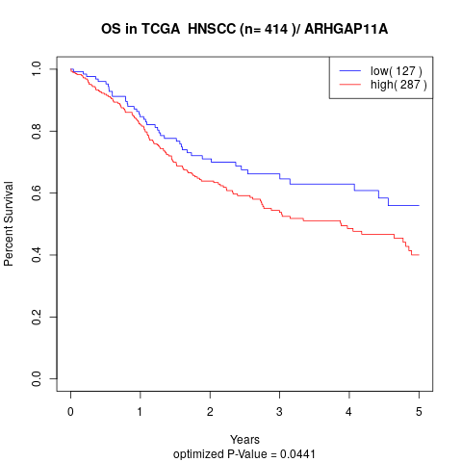

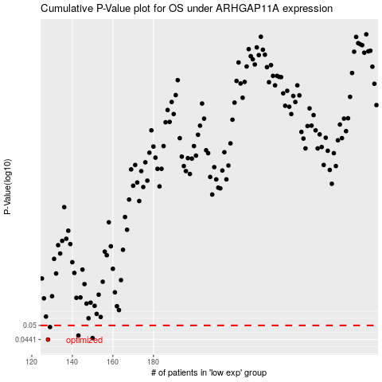

 |  |  |  |  |  | cases_OS | p_OS | rank | exp
 |  |  |  |  |  | 128 | 0.0441 | 254 | -0.53769583796
 |  |  |  |  |  | 150 | 0.0447 | 207 | -0.43218772445
 |  |  |  |  |  | 143 | 0.0457 | 398 | -0.47473420711
 |  |  |  |  |  | 129 | 0.0493 | 409 | -0.53734179863
 |  |  |  |  |  |  | cases_RFS | p_RFS | rank | exp
 |  |  |  |  |  |  | 127 | 0.0441 | 126 | -0.53976580514
 |  |  |  |  |  |  | 149 | 0.0447 | 35 | -0.44980622036
 |  |  |  |  |  |  | 142 | 0.0457 | 272 | -0.47756626333
 |  |  |  |  |  |  | 128 | 0.0493 | 254 | -0.53769583796

