ARHGAP12 _multivariate
Reported by Tex Li-Hsing Chi. tex@gate.sinica.edu.tw 2019-08-22

Table 2. The clinicopathological features of HNSCC cohort and ARHGAP12 expression. (Chi square test)
Cutoff at -0.216 (50.0%)
 |  | ARHGAP12 expression |  | ARHGAP12 expression |  | (Optimised)
 | Features | Low | (%) | High | (%) | Case no | P-value | Remark | Matthews
Gender | Female | 157 | 37.8 | 149 | 35.9 | 415 | 0.3881 | 0 | 0
2 | Male | 50 | 12 | 59 | 14.2
Age at diagnosis | <=65y | 137 | 33 | 137 | 33 | 415 | 1 | 0 | 0
4 | >65y | 70 | 16.9 | 71 | 17.1
Clinical T Status | T1+T2 | 78 | 18.8 | 71 | 17.1 | 415 | 0.5152 | 0 | 0
6 | T3+T4 | 129 | 31.1 | 137 | 33
Clinical N Status | N0 | 118 | 28.4 | 98 | 23.6 | 415 | 0.0551 | 1 | 0
8 | N1-3 | 89 | 21.4 | 110 | 26.5
Clinical M Status | M0 | 204 | 49.2 | 208 | 50.1 | 415 | 0.1232 | 0 | 0
10 | M1 | 3 | 0.7 | 0 | 0
Clinical Stage | Stage I+II | 56 | 13.5 | 46 | 11.1 | 415 | 0.2918 | 0 | 0
12 | Stage III+IV | 151 | 36.4 | 162 | 39
Surgical Margin status | Negative | 154 | 37.1 | 164 | 39.5 | 415 | 0.2984 | 0 | 0
14 | Positive | 53 | 12.8 | 44 | 10.6
Tobacco Exposure | Low | 83 | 20 | 78 | 18.8 | 415 | 0.6152 | 0 | 0
16 | High | 124 | 29.9 | 130 | 31.3

Table 3. Univariate/Multivariate Cox's proportional hazards regression analyses on OS time of ARHGAP12 gene expression in HNSCC

 |  | Univariate |  |  |  | Multivariate
 | Features | HR | CI95%(L) | CI95%(H) | P-value | HR | CI95%(L) | CI95%(H) | P-value
1 | Female | 1 |  |  |  | 1
Gender | Male | 1.157 | 0.843 | 1.587 | 0.367 | 1.214 | 0.869 | 1.698 | 0.256
11 | <=65y | 1 |  |  |  | 1
Age at diagnosis | >65y | 1.329 | 0.99 | 1.784 | 0.058 | 1.394 | 1.026 | 1.895 | 0.034
12 | T1+T2 | 1 |  |  |  | 1
Clinical T Status | T3+T4 | 1.409 | 1.028 | 1.931 | 0.033 | 2.197 | 1.163 | 4.15 | 0.015
13 | N0 | 1 |  |  |  | 1
Clinical N Status | N1-3 | 1.185 | 0.89 | 1.577 | 0.246 | 1.264 | 0.886 | 1.804 | 0.197
14 | M0 | 1 |  |  |  | 1
Clinical M Status | M1 | 4.097 | 1.009 | 16.644 | 0.049 | 8.478 | 1.835 | 39.169 | 0.006
15 | Stage I+II | 1 |  |  |  | 1
Clinical Stage | Stage III+IV | 1.245 | 0.882 | 1.759 | 0.213 | 0.507 | 0.236 | 1.087 | 0.081
16 | Negative | 1 |  |  |  | 1
Surgical Margin status | Positive | 1.591 | 1.155 | 2.191 | 0.004 | 1.623 | 1.171 | 2.249 | 0.004
17 | Low | 1 |  |  |  | 1
Tobacco Exposure | High | 1.364 | 1.008 | 1.844 | 0.044 | 1.458 | 1.057 | 2.01 | 0.022
18 | Low | 1 |  |  |  | 1
RNAseq(z-score) | High | 0.791 | 0.591 | 1.059 | 0.115 | 0.823 | 0.612 | 1.108 | 0.2

Table 4. Univariate/Multivariate Cox's proportional hazards regression analyses on RFS time of ARHGAP12 gene expression in HNSCC

 |  | Univariate |  |  |  | Multivariate
 | Features | HR | CI95%(L) | CI95%(H) | P-value | HR | CI95%(L) | CI95%(H) | P-value
1 | Female | 1 |  |  |  | 1
Gender | Male | 1.157 | 0.843 | 1.587 | 0.367 | 1.214 | 0.869 | 1.698 | 0.256
11 | <=65y | 1 |  |  |  | 1
Age at diagnosis | >65y | 1.329 | 0.99 | 1.784 | 0.058 | 1.394 | 1.026 | 1.895 | 0.034
12 | T1+T2 | 1 |  |  |  | 1
Clinical T Status | T3+T4 | 1.409 | 1.028 | 1.931 | 0.033 | 2.197 | 1.163 | 4.15 | 0.015
13 | N0 | 1 |  |  |  | 1
Clinical N Status | N1-3 | 1.185 | 0.89 | 1.577 | 0.246 | 1.264 | 0.886 | 1.804 | 0.197
14 | M0 | 1 |  |  |  | 1
Clinical M Status | M1 | 4.097 | 1.009 | 16.644 | 0.049 | 8.478 | 1.835 | 39.169 | 0.006
15 | Stage I+II | 1 |  |  |  | 1
Clinical Stage | Stage III+IV | 1.245 | 0.882 | 1.759 | 0.213 | 0.507 | 0.236 | 1.087 | 0.081
16 | Negative | 1 |  |  |  | 1
Surgical Margin status | Positive | 1.591 | 1.155 | 2.191 | 0.004 | 1.623 | 1.171 | 2.249 | 0.004
17 | Low | 1 |  |  |  | 1
Tobacco Exposure | High | 1.364 | 1.008 | 1.844 | 0.044 | 1.458 | 1.057 | 2.01 | 0.022
18 | Low | 1 |  |  |  | 1
RNAseq(z-score) | High | 0.791 | 0.591 | 1.059 | 0.115 | 0.823 | 0.612 | 1.108 | 0.2

Kaplan-Meier survival estimate: Cutoff at -0.216 (50.0%)



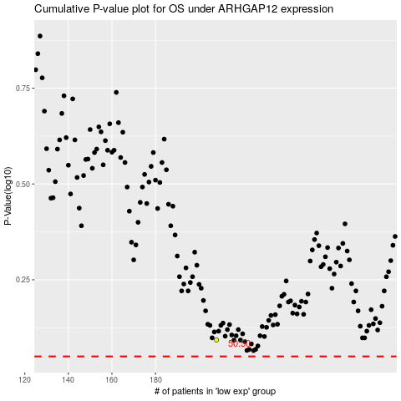

 |  |  |  |  |  | cases_OS | p_OS | rank | exp
 |  |  |  |  |  |  | cases_RFS | p_RFS | rank | exp

